CS Spawning_Data
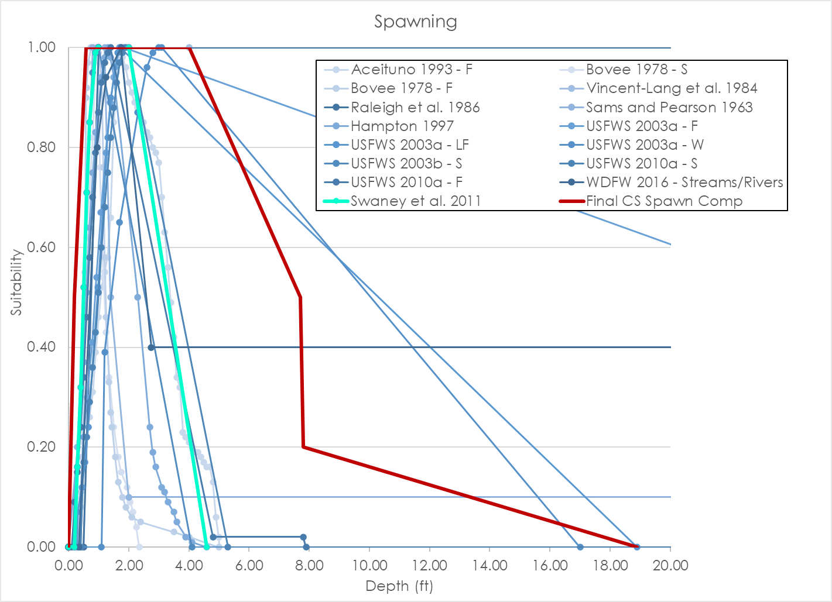
Source | Aceituno 1993 - F |  |  |  | Bovee 1978 - S |  |  |  | Bovee 1978 - F |  |  |  | Raleigh et al. 1986 |  |  |  | Raleigh et al. 1986 |  |  |  | Raleigh et al. 1986 - S |  |  |  | Hampton 1997 |  |  |  | USFWS 2003a - F |  |  |  | USFWS 2003a - LF |  |  |  | USFWS 2003a - W |  |  |  | USFWS 2003b - S |  |  |  | USFWS 2010a - S |  |  |  | USFWS 2010a - F |  |  |  | WDFW 2016 - Streams/Rivers |  |  |  | Swaney et al. 2011 |  |  |  | Final Chinook Salmon Spawning Composite Curve |  |  |  | LYR Chinook Salmon Spawning Composite Curve
Nested Source | - |  |  |  | - |  |  |  | - |  |  |  | Vincent-Lang et al. 1984 |  |  |  | - |  |  |  | Sams and Pearson 1963 |  |  |  | - |  |  |  | - |  |  |  | - |  |  |  | - |  |  |  | - |  |  |  | - |  |  |  | - |  |  |  | - |  |  |  | - |  |  |  | - |  |  |  | -
Species | Fall-run Chinook |  |  |  | Spring-run Chinook |  |  |  | Fall-run Chinook |  |  |  | Chinook |  |  |  | Chinook |  |  |  | Spring-run Chinook |  |  |  | Chinook |  |  |  | Fall-run Chinook |  |  |  | Late-fall-run Chinook |  |  |  | Winter-run Chinook |  |  |  | Spring-run Chinook |  |  |  | Spring-run Chinook |  |  |  | Fall-run Chinook |  |  |  | Chinook - Streams/Rivers |  |  |  | Chinook Composite |  |  |  | Chinook |  |  |  | Chinook
HSC Category | II |  |  |  | - |  |  |  | - |  |  |  | Velocity = II; Depth = I |  |  |  | I |  |  |  | II |  |  |  | II |  |  |  | II |  |  |  | II |  |  |  | II |  |  |  | III |  |  |  | III |  |  |  | III |  |  |  | III |  |  |  | I |  |  |  | I |  |  |  | I
# of Obs. | - |  |  |  | - |  |  |  | - |  |  |  | 265 |  |  |  | - |  |  |  | 252 |  |  |  | 311 |  |  |  | 437 redds |  |  |  | 156 redds |  |  |  | 227 redds |  |  |  | 295 |  |  |  | 146 redds |  |  |  | 422 redds |  |  |  | 440 redds |  |  |  | - |  |  |  | - |  |  |  | -
Notes | Stanislaus River between Goodwin dam and Riverbank. ~24 stream miles |  |  |  |  |  |  |  |  |  |  |  |  |  |  |  |  |  |  |  |  |  |  |  |  |  |  |  |  |  |  |  |  |  |  |  | Depth peaks higher than other curves. |  |  |  | Butte Creek Spring-run Chinook |  |  |  |  |  |  |  |  |  |  |  | Use when MAF <3,000 cfs
 | Depth | Suitability | Velocity | Suitability | Depth | Suitability | Velocity | Suitability | Depth | Suitability | Velocity | Suitability | Depth | Suitability | Velocity | Suitability | Depth | Suitability | Velocity | Suitability | Depth | Suitability | Velocity | Suitability | Depth | Suitability | Velocity | Suitability | Depth | Suitability | Velocity | Suitability | Depth | Suitability | Velocity | Suitability | Depth | Suitability | Velocity | Suitability | Depth | Suitability | Velocity | Suitability | Depth | Suitability | Velocity | Suitability | Depth | Suitability | Velocity | Suitability | Depth | Suitability | Velocity | Suitability | Depth | Suitability | Velocity | Suitability | Depth | Suitability | Velocity | Suitability | Depth | Suitability | Velocity | Suitability
 | 0.00 | 0.00 | 0.00 | 0.00 | 0.20 | 0.00 | 0.30 | 0.00 | 0.20 | 0.00 | 0.80 | 0.00 | 0.00 | 0.00 | 0.00 | 0.00 | 0.00 | 0.00 | 0.00 | 0.00 | 0.00 | 0.00 | 0.00 | 0.00 | 0.00 | 0.00 | 0.00 | 0.00 | 0.00 | 0.00 | 0.00 | 0.00 | 0.00 | 0.00 | 0.00 | 0.00 | 0.00 | 0.00 | 0.00 | 0.00 | 0.00 | 0.00 | 0.00 | 0.00 | 0.00 | 0.00 | 0.00 | 0.00 | 0.00 | 0.00 | 0.00 | 0.00 | 0.00 | 0.00 | 0.00 | 0.00 | 0.00 | 0.00 | 0.00 | 0.00 | 0.00 | 0.00 | 0.00 | 0.00 | 0.25 | 0.00 | 0.22 | 0.00
 | 0.20 | 0.00 | 0.30 | 0.00 | 0.25 | 0.10 | 0.40 | 0.06 | 0.30 | 0.05 | 0.90 | 0.10 | 0.50 | 0.00 | 0.30 | 0.00 | 0.50 | 0.00 | 0.40 | 0.00 | 0.30 | 0.20 | 0.50 | 0.05 | 0.40 | 0.24 | 0.10 | 0.03 | 0.40 | 0.00 | 0.31 | 0.00 | 0.29 | 0.00 | 0.31 | 0.00 | 1.10 | 0.00 | 0.86 | 0.00 | 0.20 | 0.00 | 0.05 | 0.00 | 0.40 | 0.00 | 0.28 | 0.00 | 0.10 | 0.00 | 0.22 | 0.00 | 0.35 | 0.00 | 0.55 | 0.00 | 0.20 | 0.00 | 0.05 | 0.00 | 0.20 | 0.50 | 0.06 | 0.50 | 0.45 | 0.10 | 0.85 | 0.20
 | 0.30 | 0.03 | 0.40 | 0.02 | 0.30 | 0.16 | 0.55 | 0.18 | 0.40 | 0.11 | 1.00 | 0.25 | 1.00 | 1.00 | 0.80 | 0.25 | 1.00 | 1.00 | 1.50 | 1.00 | 0.80 | 1.00 | 0.90 | 0.90 | 0.50 | 0.37 | 0.30 | 0.11 | 0.50 | 0.22 | 0.32 | 0.08 | 0.30 | 0.07 | 0.32 | 0.08 | 1.20 | 0.39 | 0.95 | 0.16 | 0.30 | 0.16 | 0.06 | 0.04 | 0.50 | 0.17 | 0.29 | 0.04 | 0.20 | 0.09 | 0.23 | 0.09 | 0.95 | 0.80 | 0.65 | 0.10 | 0.30 | 0.16 | 0.06 | 0.04 | 0.58 | 1.00 | 0.80 | 1.00 | 0.65 | 0.20 | 1.30 | 0.52
 | 0.40 | 0.08 | 0.50 | 0.06 | 0.35 | 0.21 | 0.60 | 0.24 | 0.45 | 0.18 | 1.05 | 0.34 | 4.00 | 1.00 | 1.70 | 1.00 | 100.00 | 1.00 | 2.40 | 1.00 | 1.20 | 1.00 | 1.10 | 1.00 | 0.60 | 0.51 | 0.50 | 0.23 | 0.62 | 0.30 | 0.40 | 0.11 | 0.44 | 0.12 | 0.53 | 0.18 | 1.70 | 0.65 | 1.24 | 0.30 | 0.40 | 0.32 | 0.10 | 0.04 | 0.60 | 0.22 | 0.30 | 0.04 | 0.30 | 0.15 | 0.30 | 0.13 | 1.25 | 0.94 | 1.15 | 0.20 | 0.40 | 0.32 | 0.10 | 0.04 | 4.00 | 1.00 | 3.32 | 1.00 | 0.75 | 0.50 | 1.55 | 1.00
 | 0.50 | 0.16 | 0.60 | 0.12 | 0.45 | 0.26 | 0.65 | 0.35 | 0.50 | 0.30 | 1.15 | 0.58 | 100.00 | 1.00 | 2.30 | 1.00 |  |  | 4.30 | 0.00 | 1.40 | 0.50 | 1.70 | 1.00 | 0.70 | 0.64 | 0.70 | 0.39 | 0.78 | 0.41 | 0.52 | 0.17 | 0.55 | 0.17 | 0.66 | 0.27 | 2.30 | 0.87 | 1.99 | 0.80 | 0.50 | 0.52 | 0.20 | 0.07 | 0.70 | 0.29 | 0.40 | 0.06 | 0.40 | 0.24 | 0.40 | 0.21 | 1.75 | 1.00 | 2.25 | 1.00 | 0.50 | 0.52 | 0.20 | 0.07 | 7.70 | 0.50 | 6.00 | 0.20 | 0.95 | 1.00 | 2.95 | 1.00
 | 0.60 | 0.22 | 0.70 | 0.21 | 0.50 | 0.31 | 0.75 | 0.53 | 0.55 | 0.55 | 1.20 | 0.85 |  |  | 2.60 | 0.60 |  |  | 100.00 | 0.00 | 2.00 | 0.10 | 2.00 | 0.55 | 0.80 | 0.75 | 0.90 | 0.59 | 0.93 | 0.54 | 0.72 | 0.30 | 0.66 | 0.24 | 1.24 | 0.83 | 2.60 | 0.96 | 2.18 | 0.90 | 0.60 | 0.71 | 0.30 | 0.11 | 0.80 | 0.36 | 0.50 | 0.09 | 0.50 | 0.34 | 0.50 | 0.30 | 2.75 | 0.40 | 2.35 | 1.00 | 0.60 | 0.71 | 0.30 | 0.11 | 7.80 | 0.20 | 8.49 | 0.00 | 2.00 | 1.00 | 3.25 | 0.50
 | 0.70 | 0.26 | 0.80 | 0.32 | 0.55 | 0.50 | 0.85 | 0.85 | 0.58 | 0.90 | 1.30 | 0.93 |  |  | 4.50 | 0.00 |  |  |  |  | 100.00 | 0.10 | 3.00 | 0.00 | 0.90 | 0.83 | 1.10 | 0.83 | 1.08 | 0.67 | 0.85 | 0.41 | 0.98 | 0.52 | 1.37 | 0.92 | 2.80 | 0.99 | 2.37 | 0.96 | 0.70 | 0.85 | 0.40 | 0.16 | 0.90 | 0.43 | 0.60 | 0.12 | 0.60 | 0.46 | 0.80 | 0.63 | 99.00 | 0.40 | 3.75 | 0.50 | 0.70 | 0.85 | 0.40 | 0.16 | 18.90 | 0.00 |  |  | 3.00 | 0.20 | 5.32 | 0.00
 | 0.80 | 0.31 | 0.90 | 0.42 | 0.60 | 0.62 | 0.90 | 0.95 | 0.60 | 0.92 | 1.35 | 0.97 |  |  | 100.00 | 0.00 |  |  |  |  |  |  | 100.00 | 0.00 | 1.10 | 0.94 | 1.20 | 0.94 | 1.24 | 0.79 | 0.97 | 0.54 | 1.30 | 0.82 | 1.50 | 0.98 | 3.00 | 1.00 | 2.56 | 1.00 | 0.80 | 0.95 | 0.50 | 0.23 | 1.00 | 0.51 | 0.70 | 0.15 | 0.70 | 0.58 | 1.00 | 0.81 |  |  | 3.85 | 0.20 | 0.90 | 0.99 | 0.50 | 0.23 |  |  |  |  | 4.80 | 0.02
 | 0.90 | 0.39 | 1.00 | 0.53 | 0.80 | 0.82 | 0.95 | 0.98 | 0.65 | 0.97 | 1.40 | 0.98 |  |  |  |  |  |  |  |  |  |  |  |  | 1.20 | 0.98 | 1.30 | 1.00 | 1.39 | 0.89 | 1.23 | 0.78 | 1.41 | 0.90 | 1.63 | 1.00 | 3.10 | 1.00 | 2.75 | 1.00 | 0.90 | 0.99 | 0.60 | 0.31 | 1.10 | 0.60 | 0.80 | 0.20 | 0.80 | 0.70 | 1.10 | 0.87 |  |  | 5.00 | 0.00 | 1.00 | 1.00 | 0.60 | 0.31 |  |  |  |  | 7.80 | 0.02
 | 1.00 | 0.46 | 1.10 | 0.57 | 0.90 | 1.00 | 1.05 | 1.00 | 0.75 | 1.00 | 1.45 | 1.00 |  |  |  |  |  |  |  |  |  |  |  |  | 1.30 | 1.00 | 1.40 | 1.00 | 1.54 | 0.96 | 1.36 | 0.88 | 1.63 | 0.99 | 1.70 | 1.00 | 17.00 | 0.00 | 3.03 | 0.94 | 1.00 | 1.00 | 0.70 | 0.40 | 1.20 | 0.68 | 0.90 | 0.25 | 0.90 | 0.79 | 1.20 | 0.92 |  |  | 99.00 | 0.00 | 2.00 | 1.00 | 0.70 | 0.40 |  |  |  |  | 7.90 | 0.00
 | 1.10 | 0.52 | 1.20 | 0.59 | 1.00 | 1.00 | 1.70 | 1.00 | 0.95 | 1.00 | 1.70 | 1.00 |  |  |  |  |  |  |  |  |  |  |  |  | 1.40 | 0.98 | 1.50 | 0.96 | 1.70 | 1.00 | 1.55 | 0.98 | 1.73 | 1.00 | 1.83 | 0.98 | 100.00 | 0.00 | 3.32 | 0.84 | 4.10 | 0.00 | 0.80 | 0.50 | 1.30 | 0.75 | 1.00 | 0.31 | 1.00 | 0.87 | 1.30 | 0.96 |  |  |  |  | 4.60 | 0.00 | 0.80 | 0.50
 | 1.20 | 0.55 | 1.30 | 0.63 | 1.05 | 0.76 | 1.75 | 0.99 | 1.00 | 0.99 | 1.75 | 0.99 |  |  |  |  |  |  |  |  |  |  |  |  | 1.50 | 0.94 | 1.80 | 0.78 | 1.85 | 1.00 | 1.68 | 1.00 | 18.90 | 0.00 | 1.96 | 0.94 |  |  | 4.35 | 0.39 | 100.00 | 0.00 | 0.90 | 0.59 | 1.40 | 0.82 | 1.10 | 0.38 | 1.10 | 0.93 | 1.50 | 1.00 |  |  |  |  |  |  | 0.90 | 0.59
 | 1.30 | 0.58 | 1.40 | 0.76 | 1.15 | 0.54 | 1.80 | 0.98 | 1.05 | 0.97 | 1.80 | 0.97 |  |  |  |  |  |  |  |  |  |  |  |  | 2.30 | 0.50 | 2.20 | 0.50 | 48.00 | 0.00 | 1.75 | 1.00 | 100.00 | 0.00 | 2.54 | 0.63 |  |  | 4.92 | 0.23 |  |  | 1.00 | 0.68 | 1.50 | 0.88 | 1.20 | 0.45 | 1.20 | 0.97 | 1.70 | 1.00 |  |  |  |  |  |  | 1.00 | 0.68
 | 1.40 | 0.66 | 1.50 | 0.92 | 1.25 | 0.43 | 1.85 | 0.95 | 1.10 | 0.94 | 1.85 | 0.92 |  |  |  |  |  |  |  |  |  |  |  |  | 2.70 | 0.24 | 2.30 | 0.44 | 100.00 | 0.00 | 1.88 | 0.97 |  |  | 2.93 | 0.45 |  |  | 5.30 | 0.17 |  |  | 1.10 | 0.75 | 1.60 | 0.93 | 1.30 | 0.52 | 1.30 | 0.99 | 1.80 | 0.99 |  |  |  |  |  |  | 1.10 | 0.75
 | 1.50 | 0.85 | 1.60 | 1.00 | 1.35 | 0.34 | 1.90 | 0.77 | 1.15 | 0.76 | 1.95 | 0.72 |  |  |  |  |  |  |  |  |  |  |  |  | 2.80 | 0.19 | 2.60 | 0.30 |  |  | 1.94 | 0.95 |  |  | 3.38 | 0.31 |  |  | 5.96 | 0.09 |  |  | 1.20 | 0.82 | 1.70 | 0.97 | 1.40 | 0.60 | 1.40 | 1.00 | 1.90 | 0.97 |  |  |  |  |  |  | 1.20 | 0.82
 | 1.60 | 0.95 | 1.70 | 0.98 | 1.50 | 0.24 | 1.95 | 0.60 | 1.20 | 0.58 | 2.00 | 0.64 |  |  |  |  |  |  |  |  |  |  |  |  | 2.90 | 0.16 | 2.90 | 0.20 |  |  | 2.07 | 0.89 |  |  | 3.90 | 0.22 |  |  | 6.05 | 0.09 |  |  | 1.30 | 0.87 | 1.80 | 0.99 | 1.50 | 0.67 | 4.80 | 0.02 | 2.00 | 0.96 |  |  |  |  |  |  | 1.30 | 0.87
 | 1.70 | 1.00 | 1.80 | 0.97 | 1.65 | 0.18 | 2.00 | 0.49 | 1.25 | 0.46 | 2.10 | 0.55 |  |  |  |  |  |  |  |  |  |  |  |  | 3.10 | 0.12 | 3.10 | 0.16 |  |  | 2.33 | 0.73 |  |  | 5.84 | 0.06 |  |  | 7.00 | 0.04 |  |  | 1.40 | 0.92 | 1.90 | 1.00 | 1.60 | 0.74 | 7.80 | 0.02 | 2.60 | 0.84 |  |  |  |  |  |  | 1.40 | 0.92
 | 1.80 | 0.98 | 1.90 | 0.95 | 1.75 | 0.15 | 2.10 | 0.36 | 1.35 | 0.33 | 2.15 | 0.52 |  |  |  |  |  |  |  |  |  |  |  |  | 3.20 | 0.11 | 3.90 | 0.04 |  |  | 2.58 | 0.55 |  |  | 5.85 | 0.00 |  |  | 8.42 | 0.02 |  |  | 1.50 | 0.95 | 2.00 | 1.00 | 1.70 | 0.80 | 7.90 | 0.00 | 2.70 | 0.83 |  |  |  |  |  |  | 1.50 | 0.95
 | 1.90 | 0.96 | 2.00 | 0.94 | 1.95 | 0.12 | 2.15 | 0.31 | 1.40 | 0.27 | 2.25 | 0.46 |  |  |  |  |  |  |  |  |  |  |  |  | 3.30 | 0.09 | 4.00 | 0.04 |  |  | 2.84 | 0.39 |  |  | 100.00 | 0.00 |  |  | 8.49 | 0.00 |  |  | 1.60 | 0.98 | 5.30 | 0.00 | 1.90 | 0.90 | 100.00 | 0.00 | 2.80 | 0.81 |  |  |  |  |  |  | 1.60 | 0.98
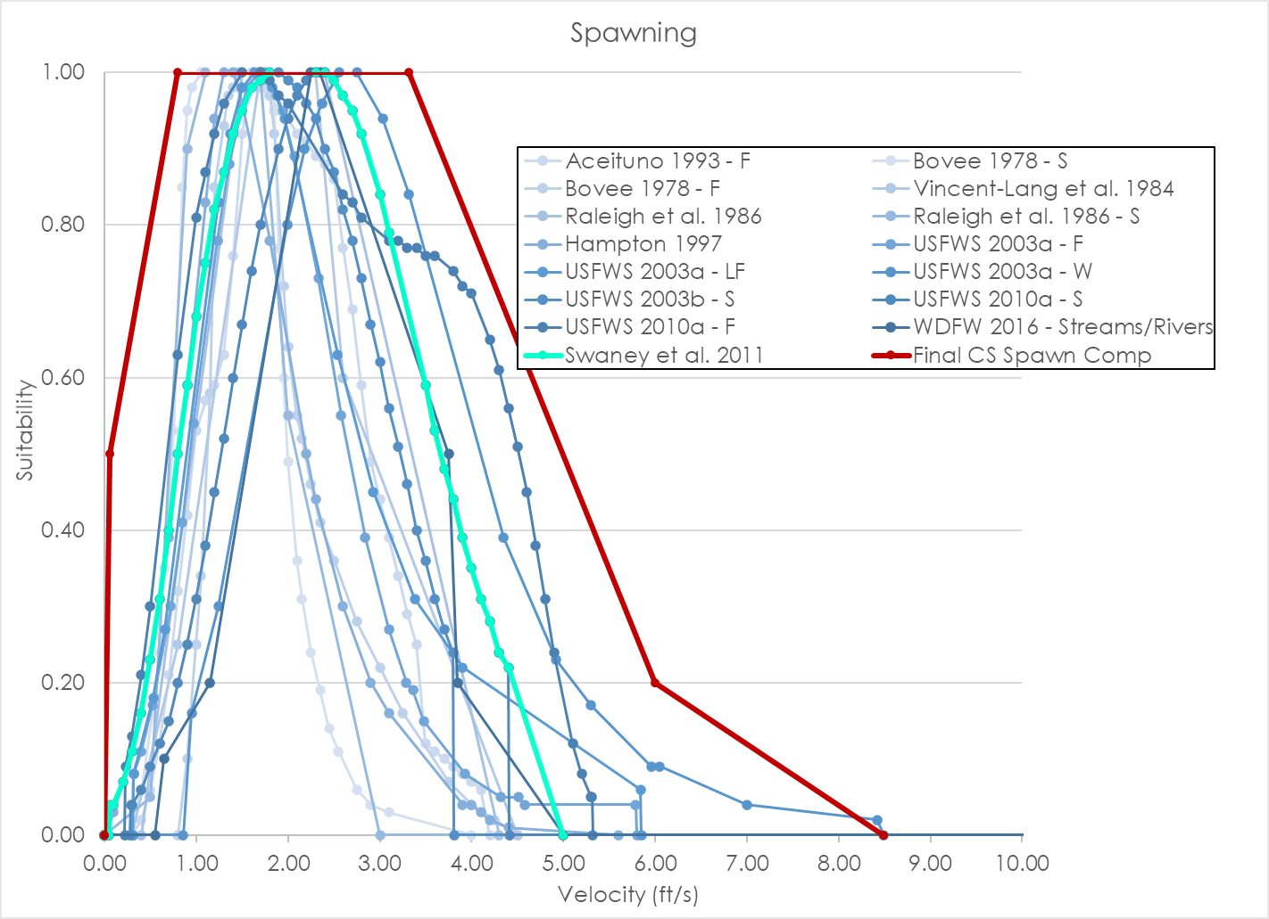
 | 2.00 | 0.93 | 2.10 | 0.92 | 2.05 | 0.09 | 2.25 | 0.24 | 1.45 | 0.24 | 2.35 | 0.41 |  |  |  |  |  |  |  |  |  |  |  |  | 3.50 | 0.07 | 4.10 | 0.03 |  |  | 3.10 | 0.27 |  |  |  |  |  |  | 100.00 | 0.00 |  |  | 1.70 | 0.99 | 100.00 | 0.00 | 2.00 | 0.94 |  |  | 3.10 | 0.78 |  |  |  |  |  |  | 1.70 | 0.99
 | 2.10 | 0.91 | 2.20 | 0.91 | 2.15 | 0.07 | 2.35 | 0.19 | 1.55 | 0.18 | 2.50 | 0.36 |  |  |  |  |  |  |  |  |  |  |  |  | 3.60 | 0.05 | 4.20 | 0.02 |  |  | 3.29 | 0.20 |  |  |  |  |  |  |  |  |  |  | 1.80 | 1.00 |  |  | 2.10 | 0.97 |  |  | 3.20 | 0.78 |  |  |  |  |  |  | 1.80 | 1.00
 | 2.20 | 0.89 | 2.30 | 0.89 | 2.25 | 0.04 | 2.45 | 0.14 | 1.65 | 0.13 | 2.75 | 0.28 |  |  |  |  |  |  |  |  |  |  |  |  | 3.90 | 0.02 | 4.40 | 0.01 |  |  | 3.36 | 0.19 |  |  |  |  |  |  |  |  |  |  | 1.90 | 1.00 |  |  | 2.20 | 0.99 |  |  | 3.30 | 0.77 |  |  |  |  |  |  | 2.30 | 1.00
 | 2.30 | 0.88 | 2.40 | 0.88 | 2.35 | 0.00 | 2.55 | 0.11 | 1.80 | 0.10 | 3.00 | 0.22 |  |  |  |  |  |  |  |  |  |  |  |  | 4.10 | 0.01 | 5.60 | 0.00 |  |  | 3.48 | 0.15 |  |  |  |  |  |  |  |  |  |  | 2.00 | 0.99 |  |  | 2.30 | 1.00 |  |  | 3.40 | 0.77 |  |  |  |  |  |  | 2.40 | 1.00
 | 2.40 | 0.86 | 2.50 | 0.86 |  |  | 2.75 | 0.06 | 1.90 | 0.08 | 3.25 | 0.16 |  |  |  |  |  |  |  |  |  |  |  |  | 4.60 | 0.00 | 100.00 | 0.00 |  |  | 3.93 | 0.08 |  |  |  |  |  |  |  |  |  |  | 2.10 | 0.98 |  |  | 2.40 | 1.00 |  |  | 3.50 | 0.76 |  |  |  |  |  |  | 2.50 | 0.99
 | 2.50 | 0.85 | 2.60 | 0.77 |  |  | 2.90 | 0.04 | 2.10 | 0.06 | 3.75 | 0.07 |  |  |  |  |  |  |  |  |  |  |  |  | 100.00 | 0.00 |  |  |  |  | 4.32 | 0.05 |  |  |  |  |  |  |  |  |  |  | 2.20 | 0.96 |  |  | 2.50 | 0.99 |  |  | 3.60 | 0.76 |  |  |  |  |  |  | 2.60 | 0.97
 | 2.60 | 0.83 | 2.70 | 0.69 |  |  | 3.10 | 0.03 | 2.40 | 0.05 | 4.00 | 0.04 |  |  |  |  |  |  |  |  |  |  |  |  |  |  |  |  |  |  | 4.51 | 0.05 |  |  |  |  |  |  |  |  |  |  | 2.30 | 0.94 |  |  | 2.60 | 0.97 |  |  | 3.80 | 0.74 |  |  |  |  |  |  | 2.70 | 0.95
 | 2.70 | 0.82 | 2.80 | 0.59 |  |  | 4.00 | 0.00 | 3.50 | 0.03 | 4.25 | 0.02 |  |  |  |  |  |  |  |  |  |  |  |  |  |  |  |  |  |  | 4.58 | 0.04 |  |  |  |  |  |  |  |  |  |  | 2.40 | 0.90 |  |  | 2.70 | 0.95 |  |  | 3.90 | 0.72 |  |  |  |  |  |  | 2.80 | 0.92
 | 2.80 | 0.80 | 2.90 | 0.49 |  |  |  |  | 4.00 | 0.02 | 4.50 | 0.00 |  |  |  |  |  |  |  |  |  |  |  |  |  |  |  |  |  |  | 5.79 | 0.04 |  |  |  |  |  |  |  |  |  |  | 2.50 | 0.87 |  |  | 2.80 | 0.92 |  |  | 4.00 | 0.71 |  |  |  |  |  |  | 3.00 | 0.84
 | 2.90 | 0.79 | 3.00 | 0.44 |  |  |  |  | 5.00 | 0.00 |  |  |  |  |  |  |  |  |  |  |  |  |  |  |  |  |  |  |  |  | 5.80 | 0.00 |  |  |  |  |  |  |  |  |  |  | 2.60 | 0.82 |  |  | 3.00 | 0.84 |  |  | 4.20 | 0.65 |  |  |  |  |  |  | 3.10 | 0.79
 | 3.00 | 0.77 | 3.10 | 0.39 |  |  |  |  |  |  |  |  |  |  |  |  |  |  |  |  |  |  |  |  |  |  |  |  |  |  | 100.00 | 0.00 |  |  |  |  |  |  |  |  |  |  | 2.70 | 0.78 |  |  | 3.10 | 0.79 |  |  | 4.30 | 0.61 |  |  |  |  |  |  | 3.50 | 0.59
 | 3.10 | 0.70 | 3.20 | 0.34 |  |  |  |  |  |  |  |  |  |  |  |  |  |  |  |  |  |  |  |  |  |  |  |  |  |  |  |  |  |  |  |  |  |  |  |  |  |  | 2.80 | 0.73 |  |  | 3.50 | 0.59 |  |  | 4.40 | 0.56 |  |  |  |  |  |  | 3.60 | 0.53
 | 3.20 | 0.63 | 3.30 | 0.29 |  |  |  |  |  |  |  |  |  |  |  |  |  |  |  |  |  |  |  |  |  |  |  |  |  |  |  |  |  |  |  |  |  |  |  |  |  |  | 2.90 | 0.67 |  |  | 3.60 | 0.53 |  |  | 4.50 | 0.51 |  |  |  |  |  |  | 3.70 | 0.48
 | 3.30 | 0.56 | 3.40 | 0.25 |  |  |  |  |  |  |  |  |  |  |  |  |  |  |  |  |  |  |  |  |  |  |  |  |  |  |  |  |  |  |  |  |  |  |  |  |  |  | 3.00 | 0.62 |  |  | 3.70 | 0.48 |  |  | 4.60 | 0.45 |  |  |  |  |  |  | 3.80 | 0.44
 | 3.40 | 0.49 | 3.50 | 0.12 |  |  |  |  |  |  |  |  |  |  |  |  |  |  |  |  |  |  |  |  |  |  |  |  |  |  |  |  |  |  |  |  |  |  |  |  |  |  | 3.10 | 0.56 |  |  | 3.80 | 0.44 |  |  | 4.70 | 0.38 |  |  |  |  |  |  | 3.90 | 0.39
 | 3.50 | 0.42 | 3.60 | 0.11 |  |  |  |  |  |  |  |  |  |  |  |  |  |  |  |  |  |  |  |  |  |  |  |  |  |  |  |  |  |  |  |  |  |  |  |  |  |  | 3.20 | 0.51 |  |  | 3.90 | 0.39 |  |  | 4.80 | 0.31 |  |  |  |  |  |  | 4.00 | 0.35
 | 3.60 | 0.34 | 3.70 | 0.10 |  |  |  |  |  |  |  |  |  |  |  |  |  |  |  |  |  |  |  |  |  |  |  |  |  |  |  |  |  |  |  |  |  |  |  |  |  |  | 3.30 | 0.46 |  |  | 4.00 | 0.35 |  |  | 4.90 | 0.24 |  |  |  |  |  |  | 4.10 | 0.31
 | 3.70 | 0.32 | 3.80 | 0.09 |  |  |  |  |  |  |  |  |  |  |  |  |  |  |  |  |  |  |  |  |  |  |  |  |  |  |  |  |  |  |  |  |  |  |  |  |  |  | 3.40 | 0.40 |  |  | 4.10 | 0.31 |  |  | 5.10 | 0.12 |  |  |  |  |  |  | 4.20 | 0.28
 | 3.80 | 0.23 | 3.90 | 0.08 |  |  |  |  |  |  |  |  |  |  |  |  |  |  |  |  |  |  |  |  |  |  |  |  |  |  |  |  |  |  |  |  |  |  |  |  |  |  | 3.50 | 0.36 |  |  | 4.20 | 0.28 |  |  | 5.20 | 0.08 |  |  |  |  |  |  | 4.30 | 0.24
 | 3.90 | 0.22 | 4.00 | 0.07 |  |  |  |  |  |  |  |  |  |  |  |  |  |  |  |  |  |  |  |  |  |  |  |  |  |  |  |  |  |  |  |  |  |  |  |  |  |  | 3.60 | 0.31 |  |  | 4.30 | 0.24 |  |  | 5.30 | 0.05 |  |  |  |  |  |  | 4.40 | 0.22
 | 4.00 | 0.21 | 4.10 | 0.06 |  |  |  |  |  |  |  |  |  |  |  |  |  |  |  |  |  |  |  |  |  |  |  |  |  |  |  |  |  |  |  |  |  |  |  |  |  |  | 3.70 | 0.27 |  |  | 4.40 | 0.22 |  |  | 5.31 | 0.05 |  |  |  |  |  |  | 5.00 | 0.00
 | 4.10 | 0.20 | 4.20 | 0.00 |  |  |  |  |  |  |  |  |  |  |  |  |  |  |  |  |  |  |  |  |  |  |  |  |  |  |  |  |  |  |  |  |  |  |  |  |  |  | 3.80 | 0.24 |  |  | 4.41 | 0.00 |  |  | 5.32 | 0.00
 | 4.20 | 0.19 | 100.00 | 0.00 |  |  |  |  |  |  |  |  |  |  |  |  |  |  |  |  |  |  |  |  |  |  |  |  |  |  |  |  |  |  |  |  |  |  |  |  |  |  | 3.81 | 0.00 |  |  | 100.00 | 0.00 |  |  | 100.00 | 0.00
 | 4.30 | 0.19 |  |  |  |  |  |  |  |  |  |  |  |  |  |  |  |  |  |  |  |  |  |  |  |  |  |  |  |  |  |  |  |  |  |  |  |  |  |  |  |  | 100.00 | 0.00
 | 4.40 | 0.18
 | 4.50 | 0.17
 | 4.60 | 0.16
 | 4.70 | 0.16
 | 4.80 | 0.13
 | 4.90 | 0.06
 | 5.00 | 0.02
 | 5.01 | 0.00
 | 100.00 | 0.00

CS Fry_Data
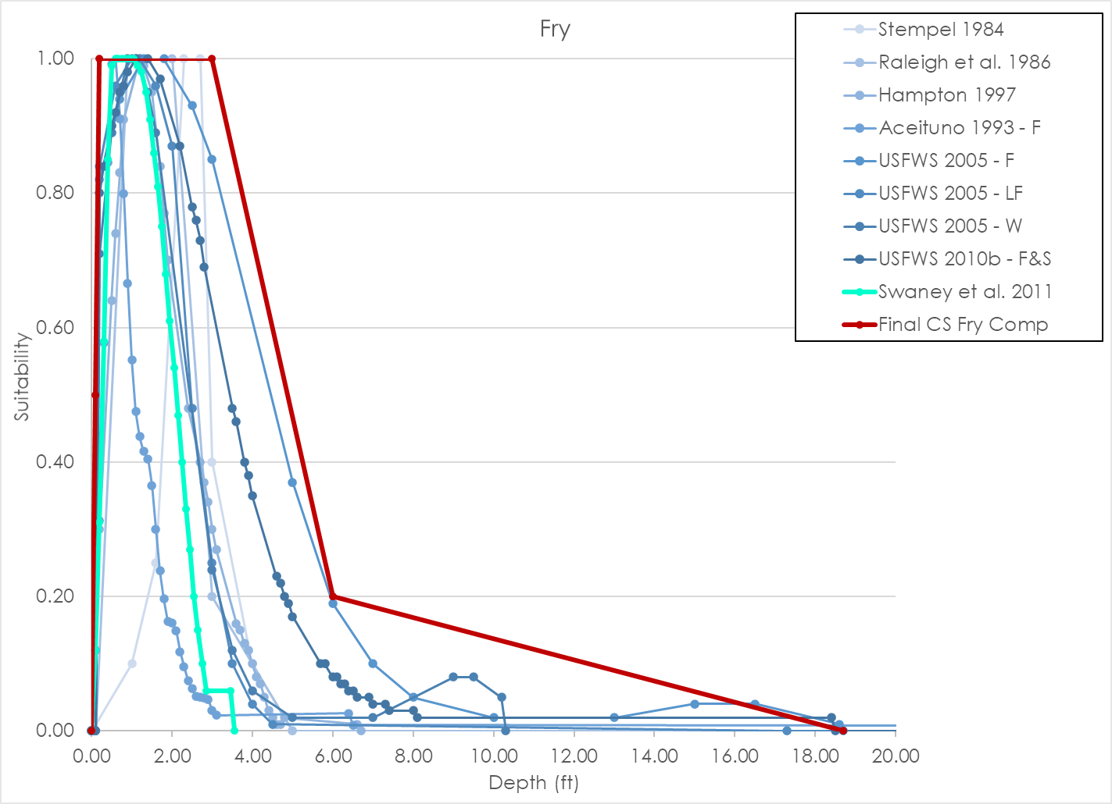
Source | Raleigh et al. 1986 |  |  |  | Raleigh et al. 1986 |  |  |  | Hampton 1997 |  |  |  | Aceituno 1993 - F |  |  |  | USFWS 2005 - F |  |  |  | USFWS 2005 - LF |  |  |  | USFWS 2005 - W |  |  |  | USFWS 2010b - F&S |  |  |  | Swaney et al. 2011 |  |  |  | Final Chinook Salmon Fry Composite Curve |  |  |  | LYR Chinook Salmon Fry Composite Curve
Nested source | Stempel 1984 |  |  |  | - |  |  |  | - |  |  |  | - |  |  |  | - |  |  |  | - |  |  |  | - |  |  |  | - |  |  |  | - |  |  |  | - |  |  |  | -
Species | Chinook |  |  |  | Chinook |  |  |  | Chinook |  |  |  | Fall-run Chinook |  |  |  | Fall-run Chinook |  |  |  | Late-fall-run Chinook |  |  |  | Winter-run Chinook |  |  |  | Fall/Spring-run Chinook |  |  |  | Chinook |  |  |  | Chinook |  |  |  | Chinook
HSC Category | II |  |  |  | I |  |  |  | II |  |  |  | II |  |  |  | III |  |  |  | III |  |  |  | III |  |  |  | III |  |  |  | I |  |  |  | I |  |  |  | I
# of Obs. | 202 |  |  |  | - |  |  |  | 345 |  |  |  | - |  |  |  | 493 |  |  |  | 483 |  |  |  | 273 |  |  |  | 835 |  |  |  | - |  |  |  | - |  |  |  | -
Notes |  |  |  |  |  |  |  |  |  |  |  |  | Stanislaus River between Goodwin dam and Riverbank. ~24 stream miles |  |  |  | Sacramento River between Keswick dam and Battle Creek |  |  |  | Sacramento River between Keswick dam and Battle Creek |  |  |  | Sacramento River between Keswick dam and Battle Creek |  |  |  | Yuba River
 | Depth | Suitability | Velocity | Suitability | Depth | Suitability | Velocity | Suitability | Depth | Suitability | Velocity | Suitability | Depth | Suitability | Velocity | Suitability | Depth | Suitability | Velocity | Suitability | Depth | Suitability | Velocity | Suitability | Depth | Suitability | Velocity | Suitability | Depth | Suitability | Velocity | Suitability | Depth | Suitability | Velocity | Suitability | Depth | Suitability | Velocity | Suitability | Depth | Suitability | Velocity | Suitability
 | 0.00 | 0.00 | 0.00 | 0.00 | 0.00 | 0.00 | 0.00 | 0.25 | 0.00 | 0.00 | 0.00 | 1.00 | 0.00 | 0.00 | 0.00 | 1.00 | 0.00 | 0.00 | 0.00 | 0.86 | 0.00 | 0.00 | 0.00 | 1.00 | 0.00 | 0.00 | 0.00 | 1.00 | 0.00 | 0.00 | 0.00 | 1.00 | 0.00 | 0.00 | 0.00 | 1.00 | 0.00 | 0.00 | 0.00 | 1.00 | 0.00 | 0.00 | 0.00 | 1.00
 | 1.00 | 0.10 | 0.30 | 0.25 | 0.10 | 0.00 | 0.20 | 1.00 | 0.20 | 0.30 | 0.10 | 0.91 | 0.10 | 0.12 | 0.10 | 0.94 | 0.10 | 0.00 | 0.10 | 0.96 | 0.10 | 0.00 | 0.20 | 0.98 | 0.10 | 0.00 | 0.10 | 0.99 | 0.10 | 0.00 | 0.10 | 0.99 | 0.10 | 0.12 | 0.02 | 1.00 | 0.10 | 0.50 | 0.50 | 1.00 | 0.10 | 0.12 | 0.10 | 0.99
 | 1.60 | 0.25 | 0.40 | 1.00 | 0.90 | 1.00 | 0.30 | 1.00 | 0.50 | 0.64 | 0.20 | 0.75 | 0.20 | 0.31 | 0.20 | 0.85 | 0.20 | 0.82 | 0.20 | 1.00 | 0.20 | 0.84 | 0.30 | 0.95 | 0.20 | 0.71 | 0.30 | 0.92 | 0.20 | 0.80 | 0.20 | 0.95 | 0.20 | 0.31 | 0.07 | 1.00 | 0.20 | 1.00 | 1.50 | 0.20 | 0.20 | 0.31 | 0.20 | 0.95
 | 2.30 | 1.00 | 0.50 | 1.00 | 2.00 | 1.00 | 0.60 | 0.50 | 0.60 | 0.74 | 0.30 | 0.59 | 0.30 | 0.58 | 0.30 | 0.73 | 0.70 | 0.94 | 0.25 | 1.00 | 0.60 | 0.96 | 0.60 | 0.79 | 0.50 | 0.89 | 0.50 | 0.79 | 0.30 | 0.84 | 0.30 | 0.89 | 0.30 | 0.58 | 0.12 | 1.00 | 3.00 | 1.00 | 3.63 | 0.00 | 0.30 | 0.58 | 0.30 | 0.89
 | 2.70 | 1.00 | 0.70 | 0.50 | 3.00 | 0.20 | 1.30 | 0.10 | 0.70 | 0.83 | 0.40 | 0.44 | 0.40 | 0.85 | 0.40 | 0.59 | 1.30 | 1.00 | 0.40 | 0.95 | 1.00 | 1.00 | 1.20 | 0.30 | 0.90 | 1.00 | 1.10 | 0.27 | 0.50 | 0.90 | 0.40 | 0.81 | 0.40 | 0.85 | 0.17 | 1.00 | 6.00 | 0.20 |  |  | 0.40 | 0.85 | 0.40 | 0.81
 | 3.00 | 0.40 | 1.30 | 0.10 | 5.00 | 0.00 | 2.50 | 0.00 | 0.80 | 0.91 | 0.50 | 0.33 | 0.50 | 0.99 | 0.50 | 0.45 | 1.80 | 1.00 | 0.60 | 0.77 | 1.20 | 1.00 | 1.40 | 0.18 | 1.10 | 1.00 | 1.30 | 0.15 | 0.60 | 0.92 | 0.60 | 0.65 | 0.50 | 0.99 | 0.22 | 1.00 | 18.70 | 0.00 |  |  | 0.50 | 0.99 | 0.60 | 0.65
 | 4.00 | 0.10 | 3.00 | 0.00 | 100.00 | 0.00 | 100.00 | 0.00 | 1.20 | 1.00 | 0.60 | 0.25 | 0.60 | 1.01 | 0.60 | 0.33 | 2.50 | 0.93 | 0.90 | 0.40 | 1.60 | 0.96 | 1.60 | 0.10 | 1.40 | 0.95 | 1.50 | 0.08 | 0.70 | 0.95 | 0.70 | 0.56 | 0.60 | 1.00 | 0.27 | 1.00 |  |  |  |  | 0.60 | 1.00 | 0.70 | 0.56
 | 5.00 | 0.00 | 100.00 | 0.00 |  |  |  |  | 1.30 | 0.99 | 0.70 | 0.18 | 0.70 | 0.91 | 0.70 | 0.23 | 3.00 | 0.85 | 1.10 | 0.22 | 2.00 | 0.87 | 1.80 | 0.05 | 1.60 | 0.89 | 1.70 | 0.04 | 0.80 | 0.96 | 0.80 | 0.49 | 0.65 | 1.00 | 0.32 | 0.98 |  |  |  |  | 0.80 | 1.00 | 0.80 | 0.49
 | 100.00 | 0.00 |  |  |  |  |  |  | 1.50 | 0.95 | 0.80 | 0.14 | 0.80 | 0.80 | 0.80 | 0.15 | 5.00 | 0.37 | 1.30 | 0.13 | 2.50 | 0.48 | 2.20 | 0.01 | 3.00 | 0.24 | 2.00 | 0.01 | 0.90 | 0.98 | 0.90 | 0.42 | 0.75 | 1.00 | 0.37 | 0.95 |  |  |  |  | 0.90 | 1.00 | 0.90 | 0.42
 |  |  |  |  |  |  |  |  | 1.70 | 0.84 | 0.90 | 0.10 | 0.90 | 0.67 | 0.90 | 0.10 | 6.00 | 0.19 | 1.60 | 0.06 | 3.00 | 0.25 | 2.40 | 0.01 | 3.50 | 0.12 | 2.20 | 0.01 | 1.10 | 1.00 | 1.10 | 0.30 | 0.85 | 1.00 | 0.42 | 0.91 |  |  |  |  | 1.10 | 1.00 | 1.10 | 0.30
 |  |  |  |  |  |  |  |  | 1.80 | 0.77 | 1.00 | 0.08 | 1.00 | 0.55 | 1.00 | 0.07 | 7.00 | 0.10 | 2.54 | 0.02 | 3.50 | 0.10 | 2.61 | 0.00 | 4.00 | 0.06 | 2.58 | 0.00 | 1.40 | 1.00 | 1.30 | 0.22 | 0.95 | 1.00 | 0.47 | 0.85 |  |  |  |  | 1.20 | 1.00 | 1.30 | 0.22
 |  |  |  |  |  |  |  |  | 1.90 | 0.70 | 1.10 | 0.05 | 1.10 | 0.48 | 1.10 | 0.05 | 8.00 | 0.05 | 2.55 | 0.00 | 4.00 | 0.04 | 100.00 | 0.00 | 5.00 | 0.02 | 100.00 | 0.00 | 1.70 | 0.97 | 1.40 | 0.19 | 1.05 | 1.00 | 0.52 | 0.78 |  |  |  |  | 1.50 | 0.92 | 1.40 | 0.19
 |  |  |  |  |  |  |  |  | 2.40 | 0.48 | 1.20 | 0.03 | 1.20 | 0.44 | 1.20 | 0.03 | 10.00 | 0.02 | 100.00 | 0.00 | 4.50 | 0.01 |  |  | 7.00 | 0.02 |  |  | 2.20 | 0.87 | 1.70 | 0.13 | 1.15 | 0.99 | 0.57 | 0.71 |  |  |  |  | 1.90 | 0.75 | 1.70 | 0.13
 |  |  |  |  |  |  |  |  | 2.70 | 0.40 | 1.30 | 0.02 | 1.30 | 0.42 | 1.30 | 0.02 | 13.00 | 0.02 |  |  | 17.30 | 0.00 |  |  | 9.00 | 0.08 |  |  | 2.50 | 0.78 | 2.00 | 0.10 | 1.25 | 0.98 | 0.62 | 0.64 |  |  |  |  | 2.00 | 0.69 | 2.00 | 0.10
 |  |  |  |  |  |  |  |  | 2.80 | 0.37 | 1.40 | 0.01 | 1.40 | 0.41 | 1.40 | 0.01 | 15.00 | 0.04 |  |  | 100.00 | 0.00 |  |  | 9.50 | 0.08 |  |  | 2.60 | 0.76 | 2.10 | 0.10 | 1.35 | 0.95 | 0.67 | 0.56 |  |  |  |  | 2.30 | 0.55 | 3.62 | 0.00
 |  |  |  |  |  |  |  |  | 2.90 | 0.34 | 1.50 | 0.01 | 1.50 | 0.37 | 1.70 | 0.01 | 16.50 | 0.04 |  |  |  |  |  |  | 10.20 | 0.05 |  |  | 2.70 | 0.73 | 2.20 | 0.09 | 1.45 | 0.91 | 0.72 | 0.49 |  |  |  |  | 2.40 | 0.48
 |  |  |  |  |  |  |  |  | 3.00 | 0.30 | 1.60 | 0.00 | 1.60 | 0.30 | 1.80 | 0.00 | 18.60 | 0.01 |  |  |  |  |  |  | 10.30 | 0.00 |  |  | 2.80 | 0.69 | 2.70 | 0.09 | 1.55 | 0.86 | 0.77 | 0.42 |  |  |  |  | 2.50 | 0.45
 |  |  |  |  |  |  |  |  | 3.10 | 0.27 |  |  | 1.70 | 0.24 | 100.00 | 0.00 | 18.70 | 0.00 |  |  |  |  |  |  |  |  |  |  | 3.50 | 0.48 | 2.80 | 0.10 | 1.65 | 0.81 | 0.82 | 0.35 |  |  |  |  | 2.70 | 0.38
 |  |  |  |  |  |  |  |  | 3.60 | 0.16 |  |  | 1.80 | 0.20 |  |  | 100.00 | 0.00 |  |  |  |  |  |  |  |  |  |  | 3.60 | 0.46 | 2.90 | 0.10 | 1.75 | 0.75 | 0.87 | 0.29 |  |  |  |  | 3.10 | 0.26
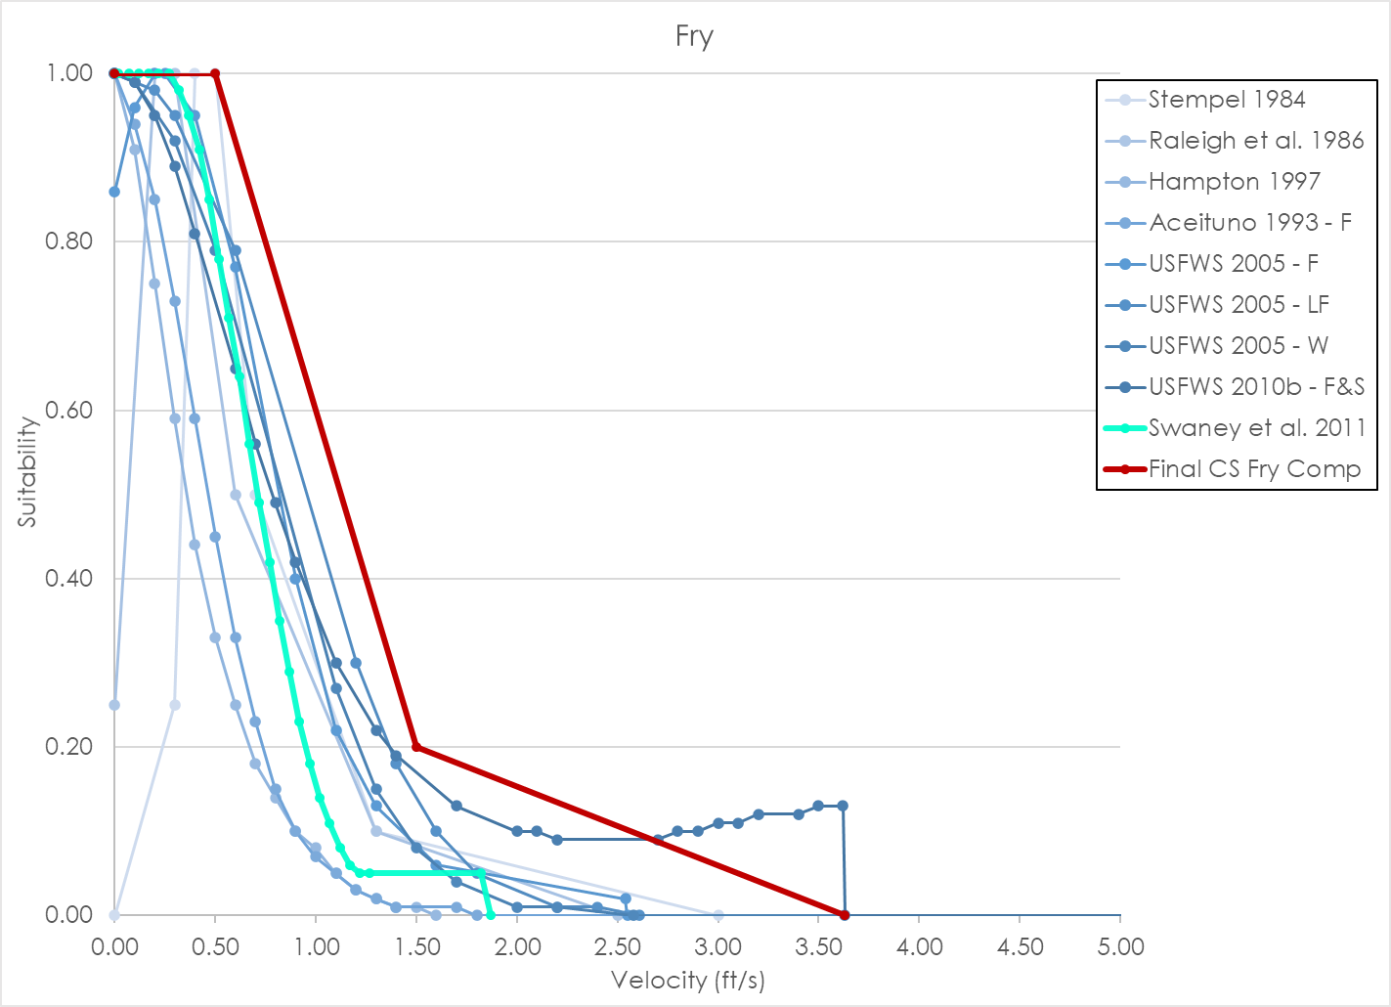
 |  |  |  |  |  |  |  |  | 3.70 | 0.15 |  |  | 1.90 | 0.16 |  |  |  |  |  |  |  |  |  |  |  |  |  |  | 3.80 | 0.40 | 3.00 | 0.11 | 1.85 | 0.68 | 0.92 | 0.23 |  |  |  |  | 3.30 | 0.21
 |  |  |  |  |  |  |  |  | 3.80 | 0.13 |  |  | 2.00 | 0.16 |  |  |  |  |  |  |  |  |  |  |  |  |  |  | 3.90 | 0.38 | 3.10 | 0.11 | 1.95 | 0.61 | 0.97 | 0.18 |  |  |  |  | 3.40 | 0.18
 |  |  |  |  |  |  |  |  | 3.90 | 0.12 |  |  | 2.10 | 0.15 |  |  |  |  |  |  |  |  |  |  |  |  |  |  | 4.00 | 0.35 | 3.20 | 0.12 | 2.05 | 0.54 | 1.02 | 0.14 |  |  |  |  | 3.60 | 0.16
 |  |  |  |  |  |  |  |  | 4.00 | 0.10 |  |  | 2.20 | 0.12 |  |  |  |  |  |  |  |  |  |  |  |  |  |  | 4.60 | 0.23 | 3.40 | 0.12 | 2.15 | 0.47 | 1.07 | 0.11 |  |  |  |  | 3.70 | 0.14
 |  |  |  |  |  |  |  |  | 4.10 | 0.08 |  |  | 2.30 | 0.10 |  |  |  |  |  |  |  |  |  |  |  |  |  |  | 4.70 | 0.22 | 3.50 | 0.13 | 2.25 | 0.40 | 1.12 | 0.08 |  |  |  |  | 3.90 | 0.11
 |  |  |  |  |  |  |  |  | 4.20 | 0.07 |  |  | 2.40 | 0.08 |  |  |  |  |  |  |  |  |  |  |  |  |  |  | 4.80 | 0.20 | 3.62 | 0.13 | 2.35 | 0.33 | 1.17 | 0.06 |  |  |  |  | 4.30 | 0.07
 |  |  |  |  |  |  |  |  | 4.30 | 0.05 |  |  | 2.50 | 0.06 |  |  |  |  |  |  |  |  |  |  |  |  |  |  | 4.90 | 0.19 | 3.63 | 0.00 | 2.45 | 0.27 | 1.22 | 0.05 |  |  |  |  | 4.50 | 0.06
 |  |  |  |  |  |  |  |  | 4.40 | 0.03 |  |  | 2.60 | 0.05 |  |  |  |  |  |  |  |  |  |  |  |  |  |  | 5.00 | 0.17 | 100.00 | 0.00 | 2.55 | 0.20 | 1.27 | 0.05 |  |  |  |  | 4.60 | 0.05
 |  |  |  |  |  |  |  |  | 4.50 | 0.02 |  |  | 2.70 | 0.05 |  |  |  |  |  |  |  |  |  |  |  |  |  |  | 5.70 | 0.10 |  |  | 2.65 | 0.15 | 1.82 | 0.05 |  |  |  |  | 4.80 | 0.05
 |  |  |  |  |  |  |  |  | 4.60 | 0.01 |  |  | 2.80 | 0.05 |  |  |  |  |  |  |  |  |  |  |  |  |  |  | 5.80 | 0.10 |  |  | 2.75 | 0.10 | 1.87 | 0.00 |  |  |  |  | 5.10 | 0.04
 |  |  |  |  |  |  |  |  | 4.70 | 0.01 |  |  | 2.90 | 0.05 |  |  |  |  |  |  |  |  |  |  |  |  |  |  | 6.00 | 0.08 |  |  | 2.85 | 0.06 |  |  |  |  |  |  | 5.20 | 0.03
 |  |  |  |  |  |  |  |  | 4.80 | 0.02 |  |  | 3.00 | 0.03 |  |  |  |  |  |  |  |  |  |  |  |  |  |  | 6.10 | 0.08 |  |  | 3.45 | 0.06 |  |  |  |  |  |  | 5.60 | 0.02
 |  |  |  |  |  |  |  |  | 6.60 | 0.01 |  |  | 3.10 | 0.02 |  |  |  |  |  |  |  |  |  |  |  |  |  |  | 6.20 | 0.07 |  |  | 3.55 | 0.00 |  |  |  |  |  |  | 18.40 | 0.02
 |  |  |  |  |  |  |  |  | 6.70 | 0.00 |  |  | 6.40 | 0.03 |  |  |  |  |  |  |  |  |  |  |  |  |  |  | 6.30 | 0.07 |  |  |  |  |  |  |  |  |  |  | 18.50 | 0.00
 |  |  |  |  |  |  |  |  |  |  |  |  | 6.50 | 0.01 |  |  |  |  |  |  |  |  |  |  |  |  |  |  | 6.40 | 0.06
 |  |  |  |  |  |  |  |  |  |  |  |  | 100.00 | 0.00 |  |  |  |  |  |  |  |  |  |  |  |  |  |  | 6.50 | 0.06
 |  |  |  |  |  |  |  |  |  |  |  |  |  |  |  |  |  |  |  |  |  |  |  |  |  |  |  |  | 6.60 | 0.05
 |  |  |  |  |  |  |  |  |  |  |  |  |  |  |  |  |  |  |  |  |  |  |  |  |  |  |  |  | 6.90 | 0.05
 |  |  |  |  |  |  |  |  |  |  |  |  |  |  |  |  |  |  |  |  |  |  |  |  |  |  |  |  | 7.00 | 0.04
 |  |  |  |  |  |  |  |  |  |  |  |  |  |  |  |  |  |  |  |  |  |  |  |  |  |  |  |  | 7.30 | 0.04
 |  |  |  |  |  |  |  |  |  |  |  |  |  |  |  |  |  |  |  |  |  |  |  |  |  |  |  |  | 7.40 | 0.03
 |  |  |  |  |  |  |  |  |  |  |  |  |  |  |  |  |  |  |  |  |  |  |  |  |  |  |  |  | 8.00 | 0.03
 |  |  |  |  |  |  |  |  |  |  |  |  |  |  |  |  |  |  |  |  |  |  |  |  |  |  |  |  | 8.10 | 0.02
 |  |  |  |  |  |  |  |  |  |  |  |  |  |  |  |  |  |  |  |  |  |  |  |  |  |  |  |  | 18.40 | 0.02
 |  |  |  |  |  |  |  |  |  |  |  |  |  |  |  |  |  |  |  |  |  |  |  |  |  |  |  |  | 18.50 | 0.00
 |  |  |  |  |  |  |  |  |  |  |  |  |  |  |  |  |  |  |  |  |  |  |  |  |  |  |  |  | 100.00 | 0.00

CS Juvenile_Data
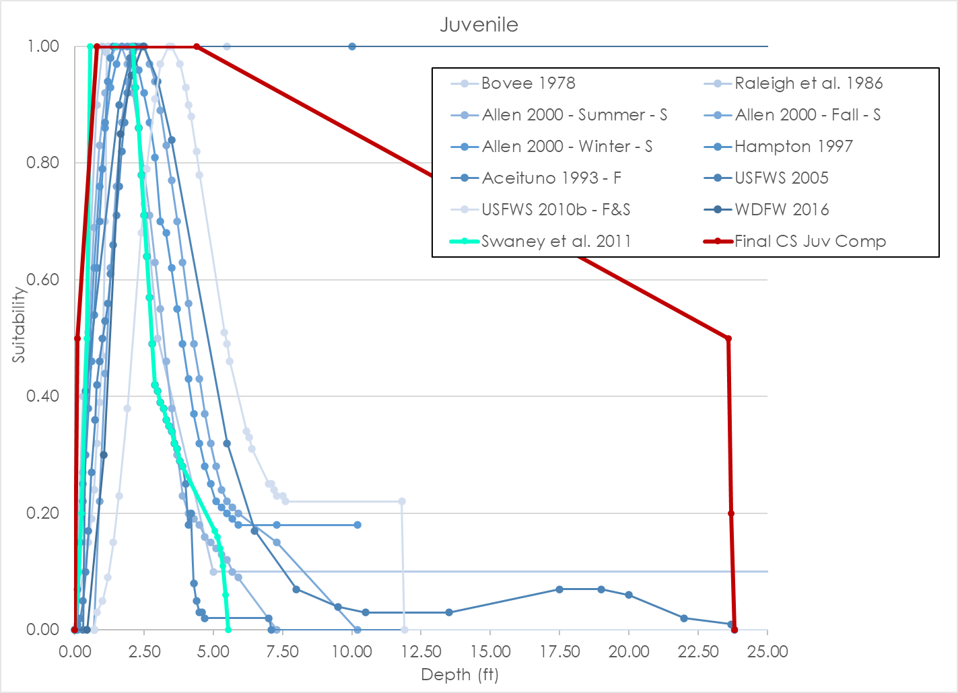
Source | Bovee 1978 |  |  |  | Raleigh et al. 1986 |  |  |  | Allen 2000 - Summer - S |  |  |  | Allen 2000 - Fall - S |  |  |  | Allen 2000 - Winter - S |  |  |  | Hampton 1997 |  |  |  | Aceituno 1993 - F |  |  |  | USFWS 2005 |  |  |  | USFWS 2010b - F&S |  |  |  | WDFW 2016 |  |  |  | Swaney et al. 2011 |  |  |  | Final Chinook Salmon Juvenile Composite Curve |  |  |  | LYR Chinook Salmon Juvenile Composite Curve
Nested source | - |  |  |  | - |  |  |  | - |  |  |  | - |  |  |  | - |  |  |  | - |  |  |  | - |  |  |  | - |  |  |  | - |  |  |  | - |  |  |  | - |  |  |  | - |  |  |  | -
Species | Chinook |  |  |  | Chinook |  |  |  | Spring-run Chinook |  |  |  | Spring-run Chinook |  |  |  | Spring-run Chinook |  |  |  | Chinook |  |  |  | Fall-run Chinook |  |  |  | Chinook |  |  |  | Fall/Spring-run Chinook |  |  |  | Chinook |  |  |  | Chinook |  |  |  | Chinook |  |  |  | Chinook
HSC Category | - |  |  |  | I |  |  |  | II |  |  |  | II |  |  |  | II |  |  |  | II |  |  |  | - |  |  |  | - |  |  |  | - |  |  |  | III |  |  |  | - |  |  |  | I |  |  |  | I
# of Obs. | - |  |  |  | - |  |  |  | 402 |  |  |  | 248 |  |  |  | 90 |  |  |  | 251 |  |  |  | - |  |  |  | - |  |  |  |  |  |  |  | 5,615 |  |  |  | - |  |  |  | - |  |  |  | -
Notes |  |  |  |  |  |  |  |  |  |  |  |  |  |  |  |  |  |  |  |  |  |  |  |  |  |  |  |  | Did not develop HSC for different runs; statistical test said there weren't differences between runs with Juveniles. Only fry. |  |  |  | Yuba River
 | Depth | Suitability | Velocity | Suitability | Depth | Suitability | Velocity | Suitability | Depth | Suitability | Velocity | Suitability | Depth | Suitability | Velocity | Suitability | Depth | Suitability | Velocity | Suitability | Depth | Suitability | Velocity | Suitability | Depth | Suitability | Velocity | Suitability | Depth | Suitability | Velocity | Suitability | Depth | Suitability | Velocity | Suitability | Depth | Suitability | Velocity | Suitability | Depth | Suitability | Velocity | Suitability | Depth | Suitability | Velocity | Suitability | Depth | Suitability | Velocity | Suitability
 | 0.00 | 0.00 | 0.00 | 0.00 | 0.00 | 0.00 | 0.00 | 0.20 | 0.10 | 0.00 | 0.00 | 0.01 | 0.70 | 0.00 | 0.00 | 0.29 | 0.10 | 0.00 | 0.00 | 1.00 | 0.00 | 0.00 | 0.00 | 0.38 | 0.00 | 0.00 | 0.00 | 0.92 | 0.00 | 0.00 | 0.00 | 0.47 | 0.00 | 0.00 | 0.00 | 1.00 | 0.00 | 0.00 | 0.00 | 0.24 | 0.00 | 0.00 | 0.00 | 0.38 | 0.00 | 0.00 | 0.00 | 1.00 | 0.20 | 0.00 | 0.00 | 1.00
 | 0.30 | 0.10 | 0.10 | 0.12 | 0.30 | 0.40 | 0.20 | 0.70 | 0.30 | 0.27 | 0.10 | 0.24 | 0.90 | 0.22 | 0.10 | 0.48 | 0.30 | 0.25 | 0.10 | 1.00 | 0.10 | 0.07 | 0.10 | 0.72 | 0.10 | 0.01 | 0.10 | 0.96 | 0.30 | 0.00 | 0.20 | 0.85 | 0.70 | 0.00 | 0.10 | 1.00 | 0.45 | 0.00 | 0.15 | 0.30 | 0.15 | 0.10 | 0.10 | 0.72 | 0.10 | 0.50 | 1.60 | 1.00 | 0.55 | 0.50 | 0.10 | 1.00
 | 0.50 | 0.15 | 0.20 | 0.34 | 0.80 | 0.90 | 0.40 | 1.00 | 0.50 | 0.51 | 0.30 | 0.58 | 1.10 | 0.44 | 0.30 | 0.77 | 0.50 | 0.45 | 0.30 | 0.39 | 0.20 | 0.15 | 0.20 | 0.95 | 0.20 | 0.02 | 0.20 | 1.00 | 0.40 | 0.41 | 0.30 | 0.96 | 0.80 | 0.03 | 0.20 | 0.99 | 1.05 | 0.30 | 0.55 | 0.85 | 0.25 | 0.20 | 0.20 | 0.95 | 0.80 | 1.00 | 3.80 | 0.50 | 1.50 | 1.00 | 0.20 | 0.99
 | 0.60 | 0.19 | 0.30 | 0.58 | 1.00 | 1.00 | 0.70 | 1.00 | 0.70 | 0.69 | 0.50 | 0.81 | 1.30 | 0.62 | 0.50 | 0.93 | 0.70 | 0.62 | 0.50 | 0.20 | 0.30 | 0.22 | 0.30 | 1.00 | 0.30 | 0.05 | 0.30 | 0.99 | 1.60 | 0.90 | 0.40 | 1.00 | 1.00 | 0.05 | 0.30 | 0.98 | 1.65 | 0.85 | 0.95 | 1.00 | 0.45 | 0.50 | 0.30 | 1.00 | 4.40 | 1.00 | 3.98 | 0.20 | 2.50 | 1.00 | 0.30 | 0.98
 | 0.70 | 0.24 | 0.35 | 0.69 | 2.00 | 1.00 | 0.80 | 0.70 | 0.90 | 0.83 | 0.70 | 0.94 | 1.50 | 0.76 | 0.70 | 1.00 | 0.90 | 0.76 | 0.70 | 0.16 | 0.40 | 0.30 | 0.40 | 0.95 | 0.40 | 0.10 | 0.40 | 0.99 | 2.00 | 0.98 | 0.50 | 0.98 | 1.20 | 0.09 | 0.40 | 0.97 | 2.05 | 0.95 | 1.05 | 1.00 | 0.55 | 1.00 | 1.15 | 1.00 | 23.60 | 0.50 | 4.40 | 0.00 | 3.50 | 0.35 | 0.40 | 0.97
 | 0.80 | 0.32 | 0.45 | 0.88 | 3.00 | 0.50 | 1.00 | 0.50 | 1.10 | 0.92 | 0.90 | 1.00 | 1.70 | 0.87 | 0.90 | 0.99 | 1.10 | 0.86 | 0.90 | 0.11 | 0.50 | 0.38 | 0.50 | 0.85 | 0.50 | 0.17 | 0.50 | 0.98 | 2.20 | 1.00 | 0.60 | 0.91 | 1.40 | 0.15 | 0.50 | 0.96 | 2.45 | 1.00 | 1.85 | 0.45 | 1.45 | 1.00 | 1.25 | 0.95 | 23.70 | 0.20 |  |  | 5.00 | 0.35 | 0.50 | 0.96
 | 0.90 | 0.39 | 0.50 | 0.93 | 5.00 | 0.10 | 1.30 | 0.20 | 1.30 | 0.98 | 1.10 | 1.00 | 1.90 | 0.94 | 1.10 | 0.92 | 1.30 | 0.93 | 1.10 | 0.07 | 0.60 | 0.46 | 0.60 | 0.77 | 0.60 | 0.27 | 0.60 | 0.97 | 2.50 | 1.00 | 1.10 | 0.35 | 1.60 | 0.23 | 0.60 | 0.94 | 99.00 | 1.00 | 3.65 | 0.00 | 2.10 | 1.00 | 1.35 | 0.94 | 23.80 | 0.00 |  |  | 6.00 | 0.20 | 0.60 | 0.94
 | 1.00 | 0.47 | 0.55 | 0.98 | 100.00 | 0.10 | 1.50 | 0.10 | 1.50 | 1.00 | 1.30 | 0.94 | 2.10 | 0.98 | 1.30 | 0.81 | 1.50 | 0.97 | 1.30 | 0.02 | 0.70 | 0.54 | 0.70 | 0.70 | 0.74 | 0.36 | 0.70 | 0.97 | 3.00 | 0.94 | 1.30 | 0.21 | 1.90 | 0.38 | 0.70 | 0.92 |  |  | 99.00 | 0.00 | 2.20 | 0.93 | 1.45 | 0.89 |  |  |  |  | 11.90 | 0.00 | 0.70 | 0.92
 | 1.10 | 0.70 | 0.60 | 1.00 |  |  | 3.00 | 0.00 | 1.70 | 1.00 | 1.50 | 0.86 | 2.30 | 1.00 | 1.50 | 0.68 | 1.70 | 1.00 | 1.50 | 0.00 | 0.80 | 0.62 | 0.80 | 0.64 | 0.80 | 0.42 | 0.80 | 0.96 | 3.50 | 0.84 | 1.50 | 0.13 | 2.40 | 0.68 | 0.80 | 0.89 |  |  |  |  | 2.30 | 0.86 | 1.55 | 0.84 |  |  |  |  |  |  | 0.80 | 0.89
 | 1.15 | 0.99 | 0.65 | 0.98 |  |  | 100.00 | 0.00 | 1.90 | 0.97 | 1.70 | 0.75 | 2.50 | 1.00 | 1.70 | 0.54 | 1.90 | 1.00 |  |  | 0.90 | 0.70 | 0.90 | 0.59 | 0.90 | 0.46 | 0.90 | 0.96 | 5.50 | 0.32 | 1.70 | 0.09 | 2.50 | 0.73 | 0.90 | 0.87 |  |  |  |  | 2.40 | 0.78 | 1.65 | 0.77 |  |  |  |  |  |  | 0.90 | 0.87
 | 1.20 | 1.00 | 0.75 | 0.91 |  |  |  |  | 2.10 | 0.92 | 1.90 | 0.63 | 2.70 | 0.97 | 1.90 | 0.39 | 2.10 | 0.99 |  |  | 1.00 | 0.79 | 1.00 | 0.53 | 1.00 | 0.50 | 1.00 | 0.95 | 6.50 | 0.17 | 2.10 | 0.06 | 2.60 | 0.79 | 1.00 | 0.84 |  |  |  |  | 2.50 | 0.71 | 1.75 | 0.70 |  |  |  |  |  |  | 1.00 | 0.84
 | 1.25 | 1.00 | 1.10 | 0.61 |  |  |  |  | 2.30 | 0.86 | 2.10 | 0.51 | 2.90 | 0.94 | 2.10 | 0.26 | 2.30 | 0.96 |  |  | 1.10 | 0.87 | 1.10 | 0.47 | 1.10 | 0.53 | 1.10 | 0.94 | 8.00 | 0.07 | 2.60 | 0.08 | 2.90 | 0.91 | 1.10 | 0.81 |  |  |  |  | 2.60 | 0.64 | 1.85 | 0.63 |  |  |  |  |  |  | 1.10 | 0.81
 | 5.50 | 1.00 | 1.25 | 0.46 |  |  |  |  | 2.50 | 0.79 | 2.30 | 0.39 | 3.10 | 0.89 | 2.30 | 0.18 | 2.50 | 0.92 |  |  | 1.20 | 0.94 | 1.20 | 0.40 | 1.20 | 0.56 | 1.20 | 0.94 | 9.50 | 0.04 | 2.75 | 0.10 | 3.10 | 0.97 | 1.20 | 0.78 |  |  |  |  | 2.70 | 0.57 | 1.95 | 0.55 |  |  |  |  |  |  | 1.20 | 0.78
 | 10.00 | 1.00 | 1.30 | 0.42 |  |  |  |  | 2.70 | 0.71 | 2.50 | 0.29 | 3.30 | 0.83 | 2.50 | 0.15 | 2.70 | 0.87 |  |  | 1.30 | 0.98 | 1.30 | 0.33 | 1.30 | 0.61 | 1.30 | 0.93 | 10.50 | 0.03 | 3.93 | 0.00 | 3.40 | 1.00 | 1.30 | 0.74 |  |  |  |  | 2.80 | 0.49 | 2.05 | 0.47 |  |  |  |  |  |  | 1.30 | 0.74
 |  |  | 1.35 | 0.38 |  |  |  |  | 2.90 | 0.63 | 2.70 | 0.19 | 3.50 | 0.77 | 2.70 | 0.12 | 2.90 | 0.81 |  |  | 1.40 | 1.00 | 1.40 | 0.26 | 1.40 | 0.66 | 1.40 | 0.92 | 13.50 | 0.03 | 100.00 | 0.00 | 3.50 | 1.00 | 1.40 | 0.71 |  |  |  |  | 2.90 | 0.42 | 2.15 | 0.39 |  |  |  |  |  |  | 1.40 | 0.71
 |  |  | 1.40 | 0.35 |  |  |  |  | 3.10 | 0.55 | 3.50 | 0.11 | 3.70 | 0.70 | 3.50 | 0.00 | 3.10 | 0.70 |  |  | 10.00 | 1.00 | 1.50 | 0.21 | 1.50 | 0.71 | 1.50 | 0.92 | 17.50 | 0.07 |  |  | 3.80 | 0.97 | 1.50 | 0.67 |  |  |  |  | 3.00 | 0.41 | 2.25 | 0.32 |  |  |  |  |  |  | 1.50 | 0.67
 |  |  | 1.50 | 0.30 |  |  |  |  | 3.30 | 0.46 | 4.40 | 0.00 | 3.90 | 0.63 |  |  | 3.30 | 0.68 |  |  |  |  | 1.60 | 0.17 | 1.60 | 0.76 | 1.60 | 0.91 | 19.00 | 0.07 |  |  | 4.00 | 0.93 | 1.60 | 0.63 |  |  |  |  | 3.10 | 0.39 | 2.35 | 0.25 |  |  |  |  |  |  | 1.60 | 0.63
 |  |  | 1.60 | 0.24 |  |  |  |  | 3.50 | 0.38 |  |  | 4.10 | 0.56 |  |  | 3.50 | 0.62 |  |  |  |  | 1.70 | 0.14 | 1.70 | 0.82 | 1.70 | 0.79 | 20.00 | 0.06 |  |  | 4.10 | 0.90 | 1.70 | 0.60 |  |  |  |  | 3.20 | 0.38 | 2.45 | 0.19 |  |  |  |  |  |  | 1.70 | 0.60
 |  |  | 1.65 | 0.23 |  |  |  |  | 3.70 | 0.30 |  |  | 4.30 | 0.49 |  |  | 3.70 | 0.55 |  |  |  |  | 1.80 | 0.11 | 1.80 | 0.87 | 1.80 | 0.68 | 22.00 | 0.02 |  |  | 4.20 | 0.88 | 1.80 | 0.56 |  |  |  |  | 3.30 | 0.36 | 2.55 | 0.13 |  |  |  |  |  |  | 1.80 | 0.56
 |  |  | 1.75 | 0.19 |  |  |  |  | 3.90 | 0.23 |  |  | 4.50 | 0.43 |  |  | 3.90 | 0.49 |  |  |  |  | 1.90 | 0.07 | 1.90 | 0.92 | 1.90 | 0.56 | 23.70 | 0.01 |  |  | 4.40 | 0.82 | 1.90 | 0.52 |  |  |  |  | 3.40 | 0.35 | 2.65 | 0.09 |  |  |  |  |  |  | 1.90 | 0.52
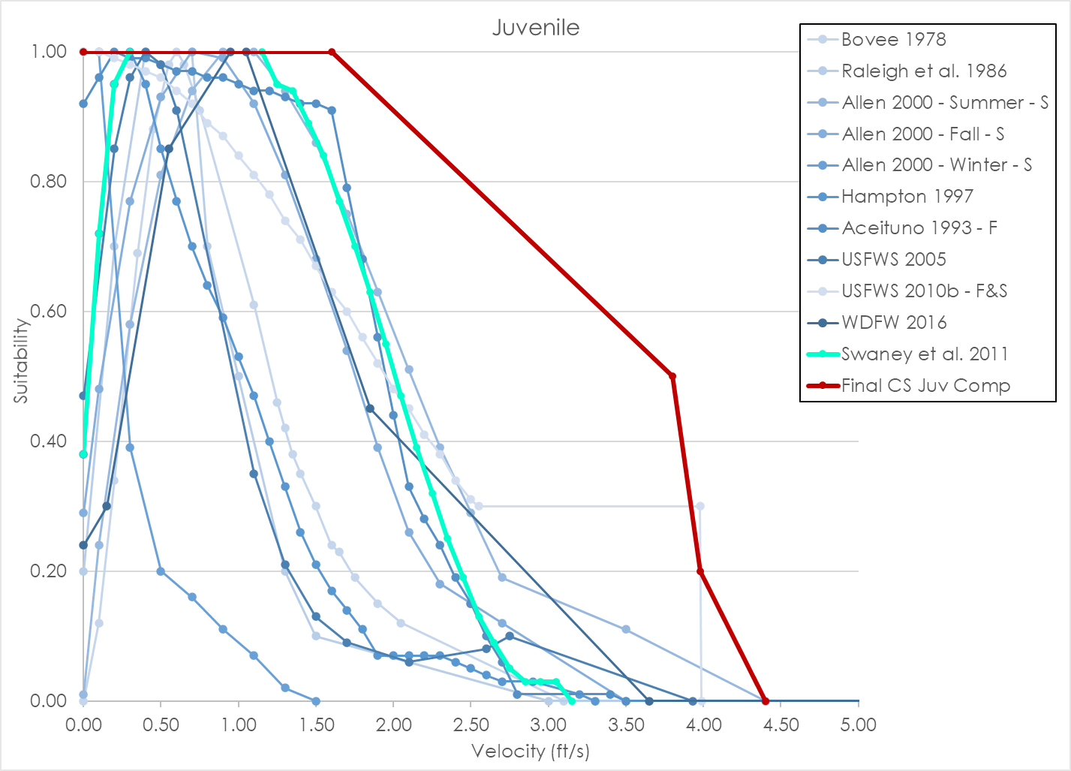
 |  |  | 1.90 | 0.15 |  |  |  |  | 4.10 | 0.20 |  |  | 4.70 | 0.37 |  |  | 4.10 | 0.43 |  |  |  |  | 2.00 | 0.07 | 2.00 | 0.97 | 2.00 | 0.44 | 23.80 | 0.00 |  |  | 4.50 | 0.78 | 2.00 | 0.48 |  |  |  |  | 3.50 | 0.34 | 2.75 | 0.05 |  |  |  |  |  |  | 2.00 | 0.48
 |  |  | 2.05 | 0.12 |  |  |  |  | 4.30 | 0.19 |  |  | 4.90 | 0.32 |  |  | 4.30 | 0.37 |  |  |  |  | 2.10 | 0.07 | 2.10 | 1.00 | 2.10 | 0.33 | 100.00 | 0.00 |  |  | 5.40 | 0.51 | 2.10 | 0.45 |  |  |  |  | 3.60 | 0.32 | 2.85 | 0.03 |  |  |  |  |  |  | 2.10 | 0.45
 |  |  | 3.10 | 0.00 |  |  |  |  | 4.50 | 0.18 |  |  | 5.10 | 0.28 |  |  | 4.50 | 0.32 |  |  |  |  | 2.20 | 0.07 | 2.20 | 0.93 | 2.20 | 0.28 |  |  |  |  | 5.50 | 0.49 | 2.20 | 0.41 |  |  |  |  | 3.70 | 0.31 | 2.95 | 0.03 |  |  |  |  |  |  | 2.20 | 0.41
 |  |  |  |  |  |  |  |  | 4.70 | 0.16 |  |  | 5.30 | 0.24 |  |  | 4.70 | 0.28 |  |  |  |  | 2.30 | 0.07 | 2.30 | 0.86 | 2.30 | 0.24 |  |  |  |  | 5.60 | 0.46 | 2.30 | 0.38 |  |  |  |  | 3.80 | 0.29 | 3.05 | 0.03 |  |  |  |  |  |  | 2.30 | 0.38
 |  |  |  |  |  |  |  |  | 4.90 | 0.15 |  |  | 5.50 | 0.22 |  |  | 4.90 | 0.25 |  |  |  |  | 2.40 | 0.06 | 2.40 | 0.78 | 2.40 | 0.19 |  |  |  |  | 6.20 | 0.34 | 2.40 | 0.34 |  |  |  |  | 3.90 | 0.28 | 3.15 | 0.00 |  |  |  |  |  |  | 2.40 | 0.34
 |  |  |  |  |  |  |  |  | 5.10 | 0.14 |  |  | 5.70 | 0.21 |  |  | 5.10 | 0.22 |  |  |  |  | 2.50 | 0.05 | 2.50 | 0.71 | 2.50 | 0.15 |  |  |  |  | 6.30 | 0.33 | 2.50 | 0.31 |  |  |  |  | 5.05 | 0.17 |  |  |  |  |  |  |  |  | 2.50 | 0.31
 |  |  |  |  |  |  |  |  | 5.30 | 0.13 |  |  | 5.90 | 0.20 |  |  | 5.30 | 0.21 |  |  |  |  | 2.60 | 0.04 | 2.60 | 0.64 | 2.60 | 0.10 |  |  |  |  | 6.40 | 0.31 | 2.55 | 0.30 |  |  |  |  | 5.15 | 0.16 |  |  |  |  |  |  |  |  | 2.55 | 0.30
 |  |  |  |  |  |  |  |  | 5.50 | 0.12 |  |  | 7.30 | 0.15 |  |  | 5.50 | 0.20 |  |  |  |  | 2.70 | 0.03 | 2.70 | 0.57 | 2.70 | 0.06 |  |  |  |  | 7.00 | 0.25 | 3.98 | 0.30 |  |  |  |  | 5.25 | 0.14 |  |  |  |  |  |  |  |  | 4.00 | 0.00
 |  |  |  |  |  |  |  |  | 5.70 | 0.10 |  |  | 10.20 | 0.00 |  |  | 5.70 | 0.19 |  |  |  |  | 2.90 | 0.03 | 2.80 | 0.49 | 2.80 | 0.01 |  |  |  |  | 7.10 | 0.25 | 3.99 | 0.00 |  |  |  |  | 5.35 | 0.11
 |  |  |  |  |  |  |  |  | 5.90 | 0.09 |  |  |  |  |  |  | 5.90 | 0.18 |  |  |  |  | 3.20 | 0.01 | 2.90 | 0.42 | 3.40 | 0.01 |  |  |  |  | 7.20 | 0.24 | 100.00 | 0.00 |  |  |  |  | 5.45 | 0.06
 |  |  |  |  |  |  |  |  | 7.30 | 0.00 |  |  |  |  |  |  | 7.30 | 0.18 |  |  |  |  | 3.30 | 0.00 | 3.00 | 0.41 | 3.50 | 0.00 |  |  |  |  | 7.30 | 0.23 |  |  |  |  |  |  | 5.55 | 0.00
 |  |  |  |  |  |  |  |  |  |  |  |  |  |  |  |  | 10.20 | 0.18 |  |  |  |  |  |  | 3.10 | 0.39 | 100.00 | 0.00 |  |  |  |  | 7.50 | 0.23
 |  |  |  |  |  |  |  |  |  |  |  |  |  |  |  |  |  |  |  |  |  |  |  |  | 3.20 | 0.38 |  |  |  |  |  |  | 7.60 | 0.22
 |  |  |  |  |  |  |  |  |  |  |  |  |  |  |  |  |  |  |  |  |  |  |  |  | 3.30 | 0.36 |  |  |  |  |  |  | 11.80 | 0.22
 |  |  |  |  |  |  |  |  |  |  |  |  |  |  |  |  |  |  |  |  |  |  |  |  | 3.40 | 0.35 |  |  |  |  |  |  | 11.90 | 0.00
 |  |  |  |  |  |  |  |  |  |  |  |  |  |  |  |  |  |  |  |  |  |  |  |  | 3.50 | 0.34 |  |  |  |  |  |  | 100.00 | 0.00
 |  |  |  |  |  |  |  |  |  |  |  |  |  |  |  |  |  |  |  |  |  |  |  |  | 3.60 | 0.32
 |  |  |  |  |  |  |  |  |  |  |  |  |  |  |  |  |  |  |  |  |  |  |  |  | 3.70 | 0.31
 |  |  |  |  |  |  |  |  |  |  |  |  |  |  |  |  |  |  |  |  |  |  |  |  | 3.80 | 0.29
 |  |  |  |  |  |  |  |  |  |  |  |  |  |  |  |  |  |  |  |  |  |  |  |  | 3.90 | 0.28
 |  |  |  |  |  |  |  |  |  |  |  |  |  |  |  |  |  |  |  |  |  |  |  |  | 4.00 | 0.25
 |  |  |  |  |  |  |  |  |  |  |  |  |  |  |  |  |  |  |  |  |  |  |  |  | 4.10 | 0.18
 |  |  |  |  |  |  |  |  |  |  |  |  |  |  |  |  |  |  |  |  |  |  |  |  | 4.20 | 0.20
 |  |  |  |  |  |  |  |  |  |  |  |  |  |  |  |  |  |  |  |  |  |  |  |  | 4.30 | 0.08
 |  |  |  |  |  |  |  |  |  |  |  |  |  |  |  |  |  |  |  |  |  |  |  |  | 4.40 | 0.05
 |  |  |  |  |  |  |  |  |  |  |  |  |  |  |  |  |  |  |  |  |  |  |  |  | 4.50 | 0.03
 |  |  |  |  |  |  |  |  |  |  |  |  |  |  |  |  |  |  |  |  |  |  |  |  | 4.60 | 0.03
 |  |  |  |  |  |  |  |  |  |  |  |  |  |  |  |  |  |  |  |  |  |  |  |  | 4.70 | 0.02
 |  |  |  |  |  |  |  |  |  |  |  |  |  |  |  |  |  |  |  |  |  |  |  |  | 7.00 | 0.02
 |  |  |  |  |  |  |  |  |  |  |  |  |  |  |  |  |  |  |  |  |  |  |  |  | 7.10 | 0.00
 |  |  |  |  |  |  |  |  |  |  |  |  |  |  |  |  |  |  |  |  |  |  |  |  | 100.00 | 0.00

CO Spawning_Data
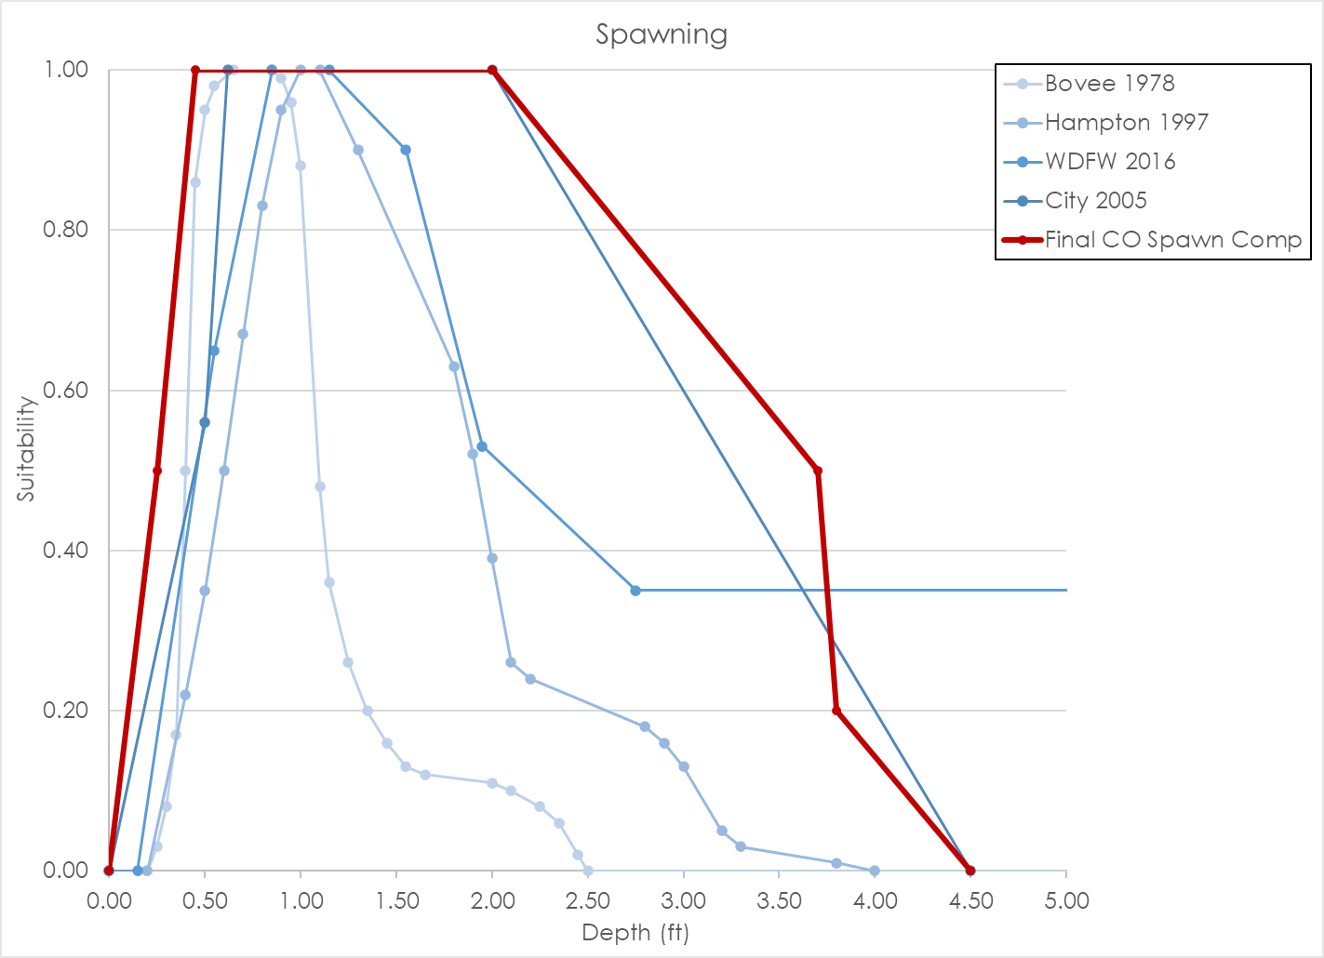
Source | Bovee 1978 |  |  |  | Hampton 1997 |  |  |  | WDFW 2016 |  |  |  | City 2005 |  |  |  | Final Coho Salmon Spawning Composite Curve
Nested Source | - |  |  |  | - |  |  |  | - |  |  |  | - |  |  |  | -
Species | Coho |  |  |  | Coho |  |  |  | Coho |  |  |  | Coho |  |  |  | Coho
HSC Category | - |  |  |  | II |  |  |  | III |  |  |  | I |  |  |  | I
# of Obs. | - |  |  |  | 107 redds |  |  |  | 66 redds |  |  |  | - |  |  |  | -
Notes
 | Depth | Suitability | Velocity | Suitability | Depth | Suitability | Velocity | Suitability | Depth | Suitability | Velocity | Suitability | Depth | Suitability | Velocity | Suitability | Depth | Suitability | Velocity | Suitability
 | 0.20 | 0.00 | 0.40 | 0.00 | 0.00 | 0.00 | 0.00 | 0.00 | 0.00 | 0.00 | 0.00 | 0.00 | 0.00 | 0.00 | 0.00 | 0.00 | 0.00 | 0.00 | 0.00 | 0.00
 | 0.25 | 0.03 | 0.50 | 0.05 | 0.20 | 0.00 | 0.10 | 0.00 | 0.15 | 0.00 | 0.45 | 0.53 | 0.50 | 0.56 | 0.20 | 0.10 | 0.25 | 0.50 | 0.20 | 0.50
 | 0.30 | 0.08 | 0.55 | 0.08 | 0.40 | 0.22 | 0.20 | 0.21 | 0.55 | 0.65 | 1.25 | 1.00 | 0.62 | 1.00 | 0.50 | 0.30 | 0.45 | 1.00 | 0.70 | 1.00
 | 0.35 | 0.17 | 0.65 | 0.17 | 0.50 | 0.35 | 0.30 | 0.37 | 0.85 | 1.00 | 1.45 | 1.00 | 2.00 | 1.00 | 1.00 | 0.90 | 2.00 | 1.00 | 1.55 | 1.00
 | 0.40 | 0.50 | 0.75 | 0.26 | 0.60 | 0.50 | 0.40 | 0.52 | 1.15 | 1.00 | 4.25 | 0.62 | 4.50 | 0.00 | 1.25 | 1.00 | 3.70 | 0.50 | 2.50 | 0.50
 | 0.45 | 0.86 | 0.85 | 0.39 | 0.70 | 0.67 | 0.50 | 0.66 | 1.55 | 0.90 | 5.00 | 0.00 |  |  | 2.70 | 0.40 | 3.80 | 0.20 | 3.00 | 0.20
 | 0.50 | 0.95 | 0.90 | 0.50 | 0.80 | 0.83 | 0.60 | 0.79 | 1.95 | 0.53 | 99.00 | 0.00 |  |  | 3.10 | 0.00 | 4.50 | 0.00 | 5.00 | 0.00
 | 0.55 | 0.98 | 0.95 | 0.70 | 0.90 | 0.95 | 0.70 | 0.90 | 2.75 | 0.35
 | 0.65 | 1.00 | 1.00 | 0.93 | 1.00 | 1.00 | 0.80 | 0.98 | 99.00 | 0.35
 | 0.85 | 1.00 | 1.05 | 0.97 | 1.10 | 1.00 | 0.90 | 1.00
 | 0.90 | 0.99 | 1.10 | 0.98 | 1.30 | 0.90 | 1.00 | 0.99
 | 0.95 | 0.96 | 1.20 | 1.00 | 1.80 | 0.63 | 1.10 | 0.95
 | 1.00 | 0.88 | 1.35 | 1.00 | 1.90 | 0.52 | 1.20 | 0.92
 | 1.10 | 0.48 | 1.45 | 0.98 | 2.00 | 0.39 | 1.30 | 0.88
 | 1.15 | 0.36 | 1.55 | 0.91 | 2.10 | 0.26 | 1.50 | 0.77
 | 1.25 | 0.26 | 2.00 | 0.50 | 2.20 | 0.24 | 1.70 | 0.65
 | 1.35 | 0.20 | 2.05 | 0.45 | 2.80 | 0.18 | 2.30 | 0.21
 | 1.45 | 0.16 | 2.10 | 0.41 | 2.90 | 0.16 | 2.40 | 0.17
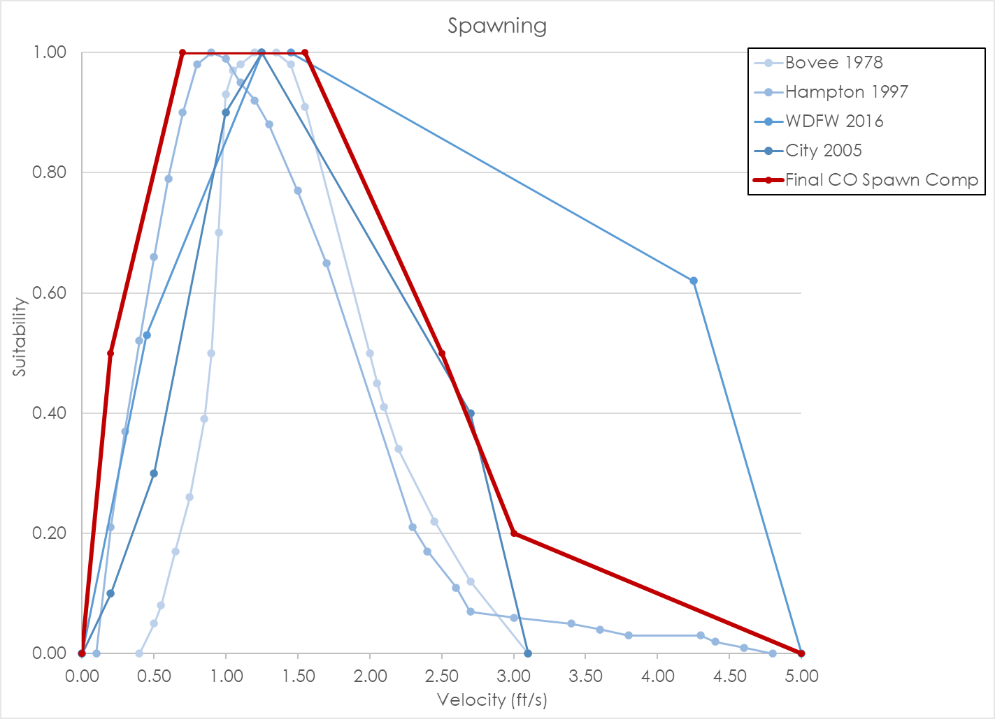
 | 1.55 | 0.13 | 2.20 | 0.34 | 3.00 | 0.13 | 2.60 | 0.11
 | 1.65 | 0.12 | 2.45 | 0.22 | 3.20 | 0.05 | 2.70 | 0.07
 | 2.00 | 0.11 | 2.70 | 0.12 | 3.30 | 0.03 | 3.00 | 0.06
 | 2.10 | 0.10 | 3.10 | 0.00 | 3.80 | 0.01 | 3.40 | 0.05
 | 2.25 | 0.08 |  |  | 4.00 | 0.00 | 3.60 | 0.04
 | 2.35 | 0.06 |  |  |  |  | 3.80 | 0.03
 | 2.45 | 0.02 |  |  |  |  | 4.30 | 0.03
 | 2.50 | 0.00 |  |  |  |  | 4.40 | 0.02
 | 10.00 | 0.00 |  |  |  |  | 4.60 | 0.01
 |  |  |  |  |  |  | 4.80 | 0.00

CO Fry_Data
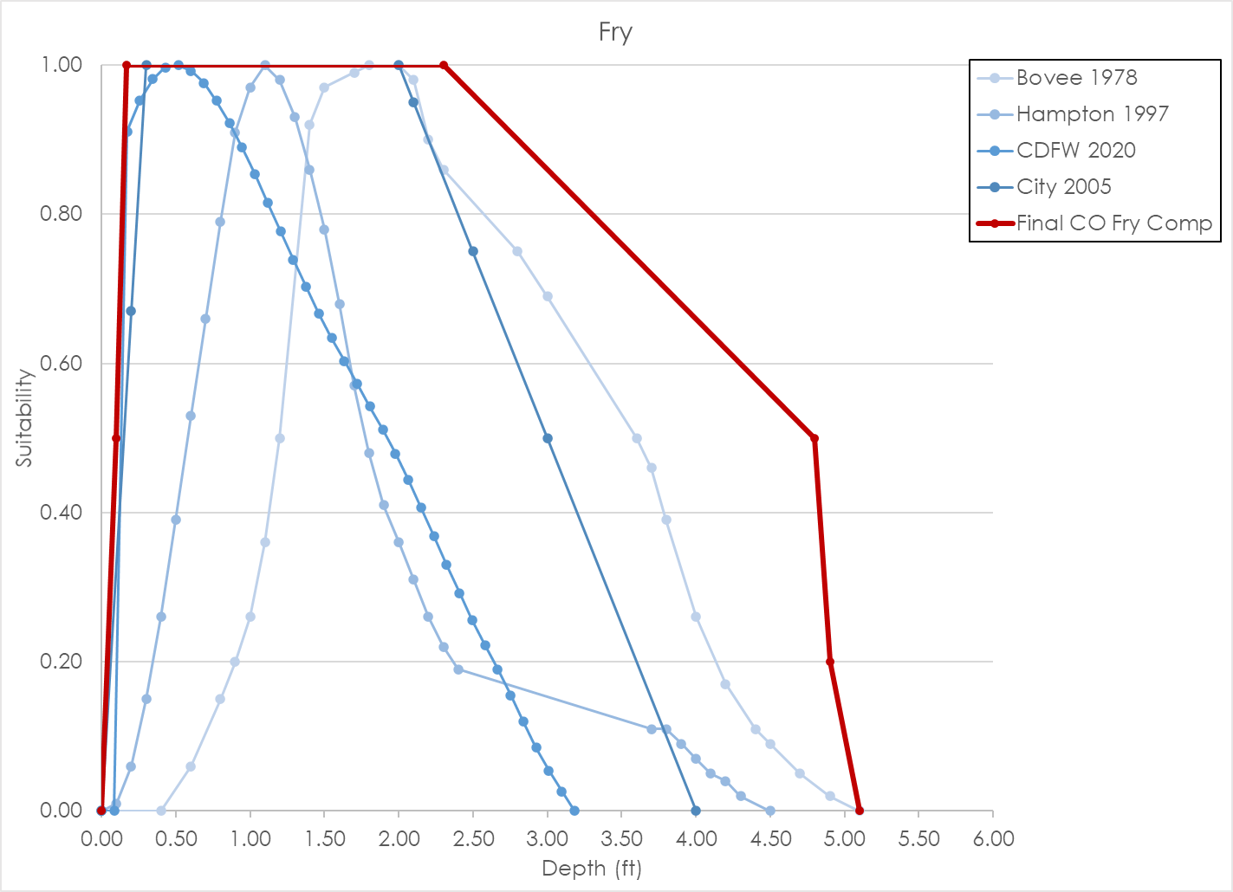
Source | Bovee 1978 |  |  |  | Hampton 1997 |  |  |  | CDFW 2020 |  |  |  | City 2005 |  |  |  | Final Coho Salmon Fry Composite Curve
Nested Source | - |  |  |  | - |  |  |  | - |  |  |  | - |  |  |  | -
Species | Coho |  |  |  | Coho |  |  |  | Coho |  |  |  | Coho |  |  |  | Coho
HSC Category | - |  |  |  | II |  |  |  | III |  |  |  | I |  |  |  | I
# of Obs. | - |  |  |  | 82 |  |  |  | 568 |  |  |  | - |  |  |  | -
Notes
 | Depth | Suitability | Velocity | Suitability | Depth | Suitability | Velocity | Suitability | Depth | Suitability | Velocity | Suitability | Depth | Suitability | Velocity | Suitability | Depth | Suitability | Velocity | Suitability
 | 0.00 | 0.00 | 0.00 | 0.04 | 0.00 | 0.00 | 0.00 | 1.00 | 0.00 | 0.00 | 0.00 | 0.96 | 0.00 | 0.00 | 0.00 | 1.00 | 0.00 | 0.00 | 0.00 | 1.00
 | 0.40 | 0.00 | 0.10 | 0.10 | 0.10 | 0.01 | 0.10 | 0.73 | 0.09 | 0.00 | 0.05 | 0.99 | 0.20 | 0.67 | 0.20 | 1.00 | 0.10 | 0.50 | 0.60 | 1.00
 | 0.60 | 0.06 | 0.15 | 0.16 | 0.20 | 0.06 | 0.20 | 0.48 | 0.17 | 0.91 | 0.10 | 1.00 | 0.30 | 1.00 | 0.30 | 0.90 | 0.17 | 1.00 | 1.50 | 0.20
 | 0.80 | 0.15 | 0.20 | 0.25 | 0.30 | 0.15 | 0.30 | 0.28 | 0.26 | 0.95 | 0.14 | 0.99 | 2.00 | 1.00 | 0.50 | 0.60 | 2.30 | 1.00 | 2.50 | 0.00
 | 0.90 | 0.20 | 0.25 | 0.70 | 0.40 | 0.26 | 0.40 | 0.17 | 0.34 | 0.98 | 0.19 | 0.97 | 2.10 | 0.95 | 1.00 | 0.10 | 4.80 | 0.50
 | 1.00 | 0.26 | 0.30 | 0.84 | 0.50 | 0.39 | 0.50 | 0.11 | 0.43 | 1.00 | 0.24 | 0.94 | 2.50 | 0.75 | 1.50 | 0.00 | 4.90 | 0.20
 | 1.10 | 0.36 | 0.35 | 0.87 | 0.60 | 0.53 | 0.60 | 0.08 | 0.52 | 1.00 | 0.29 | 0.89 | 3.00 | 0.50 |  |  | 5.10 | 0.00
 | 1.20 | 0.50 | 0.40 | 0.94 | 0.70 | 0.66 | 0.70 | 0.06 | 0.60 | 0.99 | 0.33 | 0.83 | 4.00 | 0.00
 | 1.40 | 0.92 | 0.45 | 0.99 | 0.80 | 0.79 | 0.80 | 0.04 | 0.69 | 0.98 | 0.38 | 0.77
 | 1.50 | 0.97 | 0.50 | 1.00 | 0.90 | 0.91 | 0.90 | 0.03 | 0.77 | 0.95 | 0.43 | 0.70
 | 1.70 | 0.99 | 0.55 | 1.00 | 1.00 | 0.97 | 1.00 | 0.02 | 0.86 | 0.92 | 0.48 | 0.63
 | 1.80 | 1.00 | 0.60 | 0.98 | 1.10 | 1.00 | 1.10 | 0.01 | 0.95 | 0.89 | 0.52 | 0.57
 | 2.00 | 1.00 | 0.65 | 0.66 | 1.20 | 0.98 | 1.20 | 0.01 | 1.03 | 0.85 | 0.57 | 0.50
 | 2.10 | 0.98 | 0.70 | 0.53 | 1.30 | 0.93 | 1.30 | 0.00 | 1.12 | 0.82 | 0.62 | 0.44
 | 2.20 | 0.90 | 0.75 | 0.46 | 1.40 | 0.86 |  |  | 1.20 | 0.78 | 0.67 | 0.39
 | 2.30 | 0.86 | 0.80 | 0.40 | 1.50 | 0.78 |  |  | 1.29 | 0.74 | 0.71 | 0.34
 | 2.80 | 0.75 | 0.85 | 0.36 | 1.60 | 0.68 |  |  | 1.38 | 0.70 | 0.76 | 0.29
 | 3.00 | 0.69 | 0.95 | 0.30 | 1.70 | 0.57 |  |  | 1.46 | 0.67 | 0.81 | 0.25
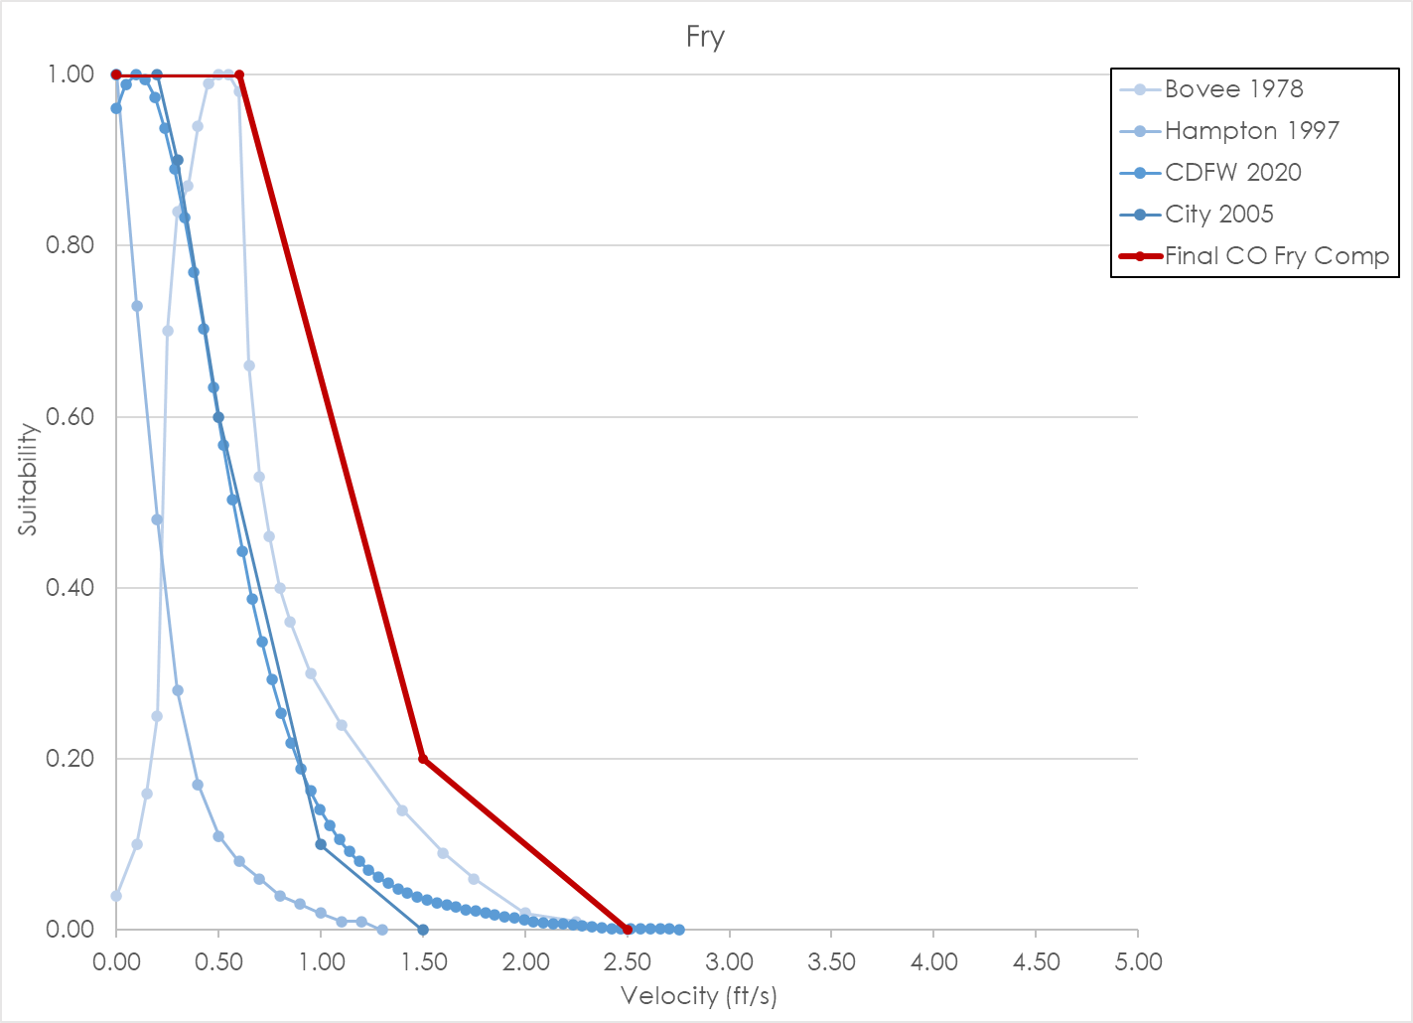
 | 3.60 | 0.50 | 1.10 | 0.24 | 1.80 | 0.48 |  |  | 1.55 | 0.63 | 0.86 | 0.22
 | 3.70 | 0.46 | 1.40 | 0.14 | 1.90 | 0.41 |  |  | 1.63 | 0.60 | 0.90 | 0.19
 | 3.80 | 0.39 | 1.60 | 0.09 | 2.00 | 0.36 |  |  | 1.72 | 0.57 | 0.95 | 0.16
 | 4.00 | 0.26 | 1.75 | 0.06 | 2.10 | 0.31 |  |  | 1.81 | 0.54 | 1.00 | 0.14
 | 4.20 | 0.17 | 2.00 | 0.02 | 2.20 | 0.26 |  |  | 1.89 | 0.51 | 1.05 | 0.12
 | 4.40 | 0.11 | 2.25 | 0.01 | 2.30 | 0.22 |  |  | 1.98 | 0.48 | 1.09 | 0.11
 | 4.50 | 0.09 | 2.50 | 0.00 | 2.40 | 0.19 |  |  | 2.06 | 0.44 | 1.14 | 0.09
 | 4.70 | 0.05 |  |  | 3.70 | 0.11 |  |  | 2.15 | 0.41 | 1.19 | 0.08
 | 4.90 | 0.02 |  |  | 3.80 | 0.11 |  |  | 2.24 | 0.37 | 1.24 | 0.07
 | 5.10 | 0.00 |  |  | 3.90 | 0.09 |  |  | 2.32 | 0.33 | 1.28 | 0.06
 |  |  |  |  | 4.00 | 0.07 |  |  | 2.41 | 0.29 | 1.33 | 0.05
 |  |  |  |  | 4.10 | 0.05 |  |  | 2.49 | 0.26 | 1.38 | 0.05
 |  |  |  |  | 4.20 | 0.04 |  |  | 2.58 | 0.22 | 1.43 | 0.04
 |  |  |  |  | 4.30 | 0.02 |  |  | 2.67 | 0.19 | 1.47 | 0.04
 |  |  |  |  | 4.50 | 0.00 |  |  | 2.75 | 0.16 | 1.52 | 0.04
 |  |  |  |  |  |  |  |  | 2.84 | 0.12 | 1.57 | 0.03
 |  |  |  |  |  |  |  |  | 2.92 | 0.09 | 1.62 | 0.03
 |  |  |  |  |  |  |  |  | 3.01 | 0.05 | 1.66 | 0.03
 |  |  |  |  |  |  |  |  | 3.10 | 0.03 | 1.71 | 0.02
 |  |  |  |  |  |  |  |  | 3.18 | 0.00 | 1.76 | 0.02
 |  |  |  |  |  |  |  |  |  |  | 1.81 | 0.02
 |  |  |  |  |  |  |  |  |  |  | 1.85 | 0.02
 |  |  |  |  |  |  |  |  |  |  | 1.90 | 0.02
 |  |  |  |  |  |  |  |  |  |  | 1.95 | 0.01
 |  |  |  |  |  |  |  |  |  |  | 2.00 | 0.01
 |  |  |  |  |  |  |  |  |  |  | 2.04 | 0.01
 |  |  |  |  |  |  |  |  |  |  | 2.09 | 0.01
 |  |  |  |  |  |  |  |  |  |  | 2.14 | 0.01
 |  |  |  |  |  |  |  |  |  |  | 2.19 | 0.01
 |  |  |  |  |  |  |  |  |  |  | 2.23 | 0.01
 |  |  |  |  |  |  |  |  |  |  | 2.28 | 0.01
 |  |  |  |  |  |  |  |  |  |  | 2.33 | 0.00
 |  |  |  |  |  |  |  |  |  |  | 2.38 | 0.00
 |  |  |  |  |  |  |  |  |  |  | 2.42 | 0.00
 |  |  |  |  |  |  |  |  |  |  | 2.47 | 0.00
 |  |  |  |  |  |  |  |  |  |  | 2.52 | 0.00
 |  |  |  |  |  |  |  |  |  |  | 2.57 | 0.00
 |  |  |  |  |  |  |  |  |  |  | 2.61 | 0.00
 |  |  |  |  |  |  |  |  |  |  | 2.66 | 0.00
 |  |  |  |  |  |  |  |  |  |  | 2.71 | 0.00
 |  |  |  |  |  |  |  |  |  |  | 2.76 | 0.00

CO Juvenile_Data
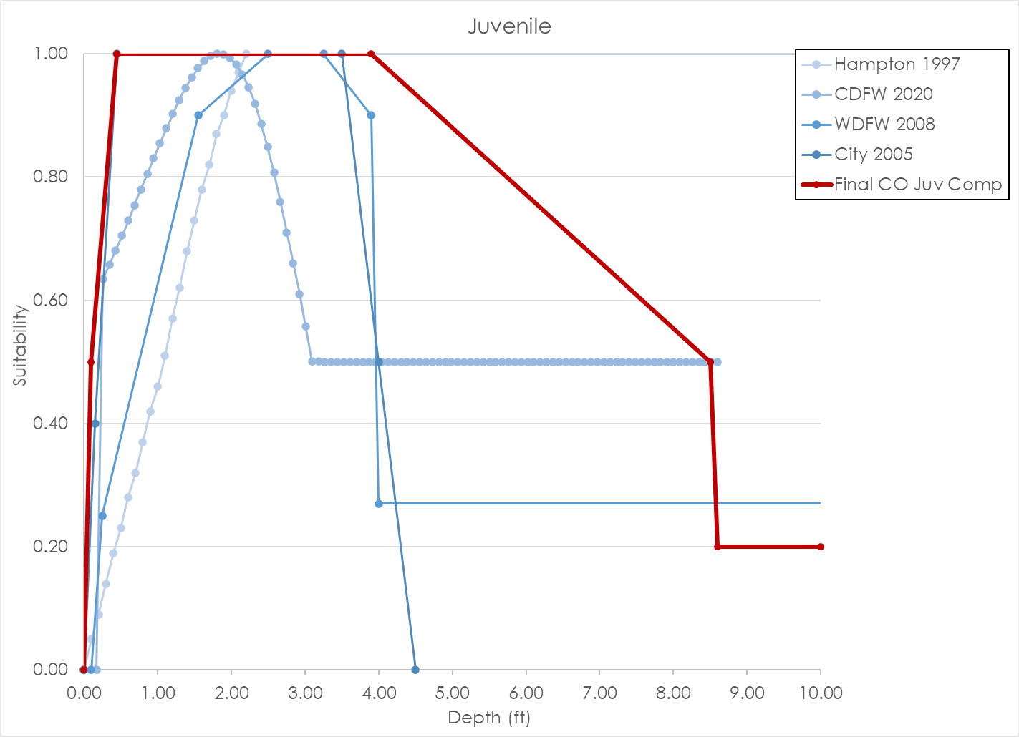
Source | Hampton 1997 |  |  |  | CDFW 2020 |  |  |  | WDFW 2008 |  |  |  | City 2005 |  |  |  | Final Coho Salmon Juvenile Composite Curve
Nested Source | - |  |  |  | - |  |  |  | Beecher et al. 2002 |  |  |  | - |  |  |  | -
Species | Coho |  |  |  | Coho |  |  |  | Coho |  |  |  | Coho |  |  |  | Coho
HSC Category | II |  |  |  | III |  |  |  | III |  |  |  | I |  |  |  | I
# of Obs. | 131 |  |  |  | 217 |  |  |  | 451 |  |  |  | - |  |  |  | -
Notes
 | Depth | Suitability | Velocity | Suitability | Depth | Suitability | Velocity | Suitability | Depth | Suitability | Velocity | Suitability | Depth | Suitability | Velocity | Suitability | Depth | Suitability | Velocity | Suitability
 | 0.00 | 0.00 | 0.00 | 1.00 | 0.00 | 0.00 | 0.00 | 0.97 | 0.00 | 0.00 | 0.00 | 0.78 | 0.00 | 0.00 | 0.00 | 1.00 | 0.00 | 0.00 | 0.00 | 1.00
 | 0.10 | 0.05 | 0.10 | 0.83 | 0.00 | 0.00 | 0.05 | 0.99 | 0.10 | 0.00 | 0.15 | 1.00 | 0.15 | 0.40 | 0.40 | 1.00 | 0.10 | 0.50 | 0.50 | 1.00
 | 0.20 | 0.09 | 0.20 | 0.68 | 0.17 | 0.00 | 0.10 | 1.00 | 0.25 | 0.25 | 0.30 | 0.96 | 0.45 | 1.00 | 0.50 | 0.80 | 0.45 | 1.00 | 2.00 | 0.20
 | 0.30 | 0.14 | 0.30 | 0.56 | 0.26 | 0.63 | 0.14 | 0.99 | 1.55 | 0.90 | 0.45 | 0.31 | 3.50 | 1.00 | 2.00 | 0.00 | 3.90 | 1.00 | 3.14 | 0.00
 | 0.40 | 0.19 | 0.40 | 0.50 | 0.34 | 0.66 | 0.19 | 0.97 | 2.50 | 1.00 | 0.60 | 0.20 | 4.00 | 0.50 |  |  | 8.50 | 0.50
 | 0.50 | 0.23 | 0.50 | 0.46 | 0.43 | 0.68 | 0.24 | 0.93 | 3.25 | 1.00 | 1.20 | 0.16 | 4.50 | 0.00 |  |  | 8.60 | 0.20
 | 0.60 | 0.28 | 0.60 | 0.44 | 0.52 | 0.70 | 0.29 | 0.88 | 3.90 | 0.90 | 2.00 | 0.00 |  |  |  |  | 10.00 | 0.20
 | 0.70 | 0.32 | 0.70 | 0.40 | 0.60 | 0.73 | 0.33 | 0.82 | 4.00 | 0.27 | 99.00 | 0.00
 | 0.80 | 0.37 | 0.80 | 0.35 | 0.69 | 0.75 | 0.38 | 0.76 | 99.00 | 0.27
 | 0.90 | 0.42 | 0.90 | 0.29 | 0.77 | 0.78 | 0.43 | 0.70
 | 1.00 | 0.46 | 1.00 | 0.22 | 0.86 | 0.81 | 0.48 | 0.63
 | 1.10 | 0.51 | 1.10 | 0.17 | 0.95 | 0.83 | 0.52 | 0.56
 | 1.20 | 0.57 | 1.20 | 0.12 | 1.03 | 0.86 | 0.57 | 0.50
 | 1.30 | 0.62 | 1.30 | 0.11 | 1.12 | 0.88 | 0.62 | 0.44
 | 1.40 | 0.68 | 1.40 | 0.10 | 1.20 | 0.90 | 0.67 | 0.39
 | 1.50 | 0.73 | 1.50 | 0.09 | 1.29 | 0.92 | 0.71 | 0.34
 | 1.60 | 0.78 | 1.60 | 0.08 | 1.38 | 0.94 | 0.76 | 0.29
 | 1.70 | 0.82 | 1.70 | 0.06 | 1.46 | 0.96 | 0.81 | 0.26
 | 1.80 | 0.87 | 1.80 | 0.04 | 1.55 | 0.98 | 0.86 | 0.22
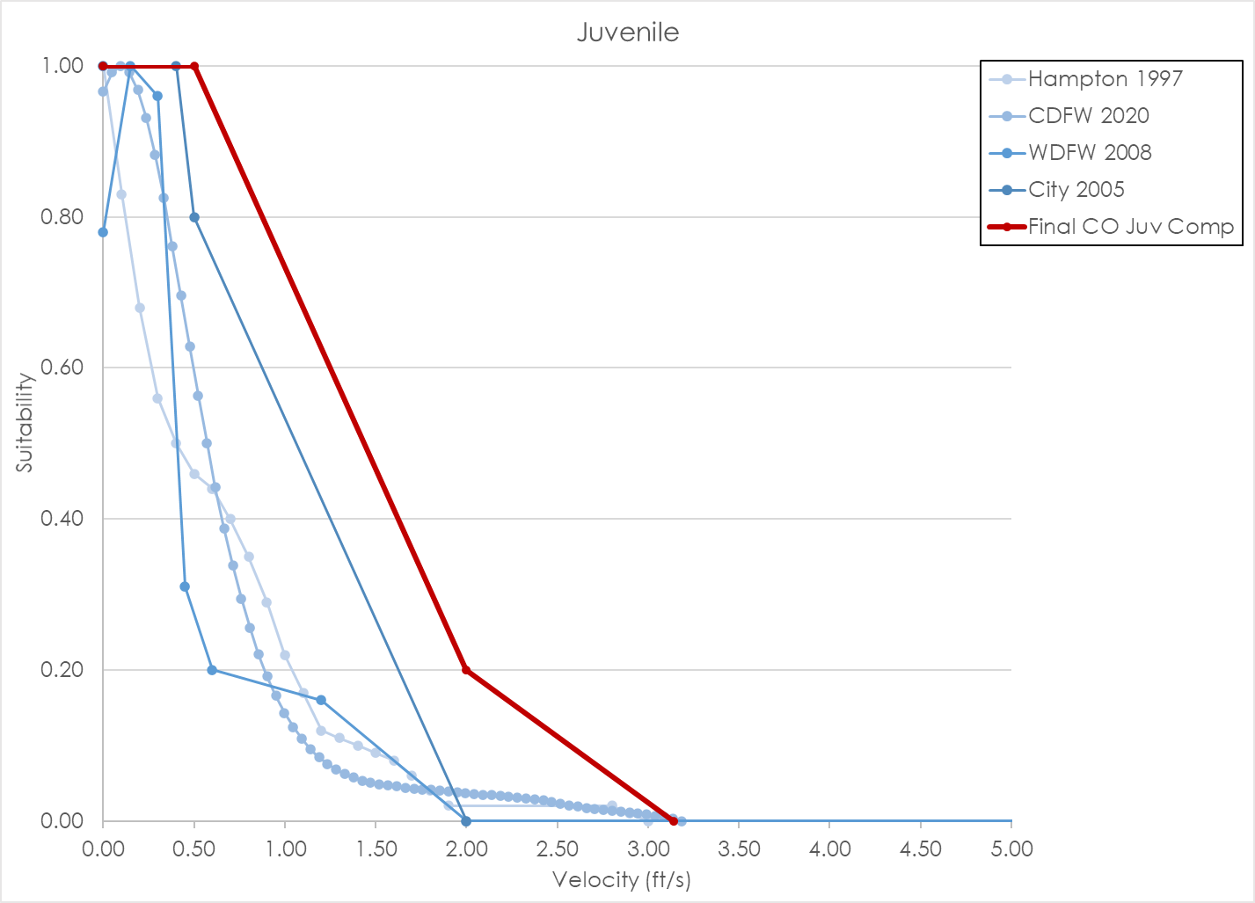
 | 1.90 | 0.90 | 1.90 | 0.02 | 1.63 | 0.99 | 0.90 | 0.19
 | 2.00 | 0.94 | 2.80 | 0.02 | 1.72 | 1.00 | 0.95 | 0.17
 | 2.10 | 0.97 | 2.90 | 0.01 | 1.81 | 1.00 | 1.00 | 0.14
 | 2.20 | 1.00 | 3.00 | 0.00 | 1.89 | 1.00 | 1.05 | 0.12
 | 10.00 | 1.00 |  |  | 1.98 | 0.99 | 1.09 | 0.11
 |  |  |  |  | 2.06 | 0.98 | 1.14 | 0.10
 |  |  |  |  | 2.15 | 0.97 | 1.19 | 0.08
 |  |  |  |  | 2.24 | 0.95 | 1.24 | 0.08
 |  |  |  |  | 2.32 | 0.92 | 1.28 | 0.07
 |  |  |  |  | 2.41 | 0.89 | 1.33 | 0.06
 |  |  |  |  | 2.49 | 0.85 | 1.38 | 0.06
 |  |  |  |  | 2.58 | 0.81 | 1.43 | 0.05
 |  |  |  |  | 2.67 | 0.76 | 1.47 | 0.05
 |  |  |  |  | 2.75 | 0.71 | 1.52 | 0.05
 |  |  |  |  | 2.84 | 0.66 | 1.57 | 0.05
 |  |  |  |  | 2.92 | 0.61 | 1.62 | 0.05
 |  |  |  |  | 3.01 | 0.56 | 1.66 | 0.04
 |  |  |  |  | 3.10 | 0.50 | 1.71 | 0.04
 |  |  |  |  | 3.18 | 0.50 | 1.76 | 0.04
 |  |  |  |  | 3.27 | 0.50 | 1.81 | 0.04
 |  |  |  |  | 3.35 | 0.50 | 1.85 | 0.04
 |  |  |  |  | 3.44 | 0.50 | 1.90 | 0.04
 |  |  |  |  | 3.53 | 0.50 | 1.95 | 0.04
 |  |  |  |  | 3.61 | 0.50 | 2.00 | 0.04
 |  |  |  |  | 3.70 | 0.50 | 2.04 | 0.04
 |  |  |  |  | 3.78 | 0.50 | 2.09 | 0.04
 |  |  |  |  | 3.87 | 0.50 | 2.14 | 0.03
 |  |  |  |  | 3.96 | 0.50 | 2.19 | 0.03
 |  |  |  |  | 4.04 | 0.50 | 2.23 | 0.03
 |  |  |  |  | 4.13 | 0.50 | 2.28 | 0.03
 |  |  |  |  | 4.21 | 0.50 | 2.33 | 0.03
 |  |  |  |  | 4.30 | 0.50 | 2.38 | 0.03
 |  |  |  |  | 4.39 | 0.50 | 2.42 | 0.03
 |  |  |  |  | 4.47 | 0.50 | 2.47 | 0.03
 |  |  |  |  | 4.56 | 0.50 | 2.52 | 0.02
 |  |  |  |  | 4.64 | 0.50 | 2.57 | 0.02
 |  |  |  |  | 4.73 | 0.50 | 2.61 | 0.02
 |  |  |  |  | 4.82 | 0.50 | 2.66 | 0.02
 |  |  |  |  | 4.90 | 0.50 | 2.71 | 0.02
 |  |  |  |  | 4.99 | 0.50 | 2.76 | 0.02
 |  |  |  |  | 5.07 | 0.50 | 2.80 | 0.01
 |  |  |  |  | 5.16 | 0.50 | 2.85 | 0.01
 |  |  |  |  | 5.25 | 0.50 | 2.90 | 0.01
 |  |  |  |  | 5.33 | 0.50 | 2.95 | 0.01
 |  |  |  |  | 5.42 | 0.50 | 2.99 | 0.01
 |  |  |  |  | 5.50 | 0.50 | 3.04 | 0.01
 |  |  |  |  | 5.59 | 0.50 | 3.09 | 0.01
 |  |  |  |  | 5.68 | 0.50 | 3.14 | 0.00
 |  |  |  |  | 5.76 | 0.50 | 3.18 | 0.00
 |  |  |  |  | 5.85 | 0.50
 |  |  |  |  | 5.93 | 0.50
 |  |  |  |  | 6.02 | 0.50
 |  |  |  |  | 6.11 | 0.50
 |  |  |  |  | 6.19 | 0.50
 |  |  |  |  | 6.28 | 0.50
 |  |  |  |  | 6.36 | 0.50
 |  |  |  |  | 6.45 | 0.50
 |  |  |  |  | 6.54 | 0.50
 |  |  |  |  | 6.62 | 0.50
 |  |  |  |  | 6.71 | 0.50
 |  |  |  |  | 6.79 | 0.50
 |  |  |  |  | 6.88 | 0.50
 |  |  |  |  | 6.97 | 0.50
 |  |  |  |  | 7.05 | 0.50
 |  |  |  |  | 7.14 | 0.50
 |  |  |  |  | 7.22 | 0.50
 |  |  |  |  | 7.31 | 0.50
 |  |  |  |  | 7.40 | 0.50
 |  |  |  |  | 7.48 | 0.50
 |  |  |  |  | 7.57 | 0.50
 |  |  |  |  | 7.65 | 0.50
 |  |  |  |  | 7.74 | 0.50
 |  |  |  |  | 7.83 | 0.50
 |  |  |  |  | 7.91 | 0.50
 |  |  |  |  | 8.00 | 0.50
 |  |  |  |  | 8.08 | 0.50
 |  |  |  |  | 8.17 | 0.50
 |  |  |  |  | 8.26 | 0.50
 |  |  |  |  | 8.34 | 0.50
 |  |  |  |  | 8.43 | 0.50
 |  |  |  |  | 8.51 | 0.50
 |  |  |  |  | 8.60 | 0.50

SH Spawning_Data
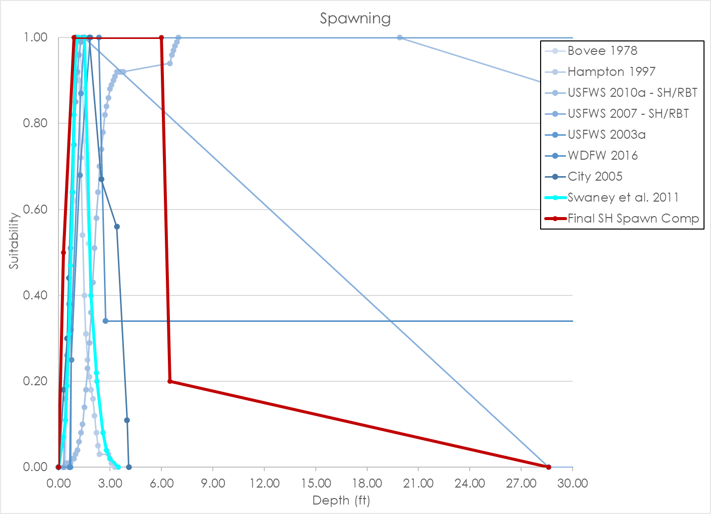
Source | Bovee 1978 |  |  |  | Hampton 1997 |  |  |  | USFWS 2010a - SH/RBT |  |  |  | USFWS 2007 - SH/RBT |  |  |  | USFWS 2003a |  |  |  | WDFW 2016 |  |  |  | Swaney et al. 2011 |  |  |  | City 2005 |  |  |  | Final Steelhead Spawning Composite Curve
Nested Source | - |  |  |  | - |  |  |  | - |  |  |  | - |  |  |  | - |  |  |  | - |  |  |  | - |  |  |  | - |  |  |  | -
Species | Steelhead |  |  |  | Steelhead |  |  |  | Steelhead |  |  |  | Steelhead |  |  |  | Steelhead |  |  |  | Steelhead |  |  |  | Steelhead |  |  |  | Steelhead |  |  |  | Steelhead
HSC Category | - |  |  |  | II |  |  |  | III |  |  |  | III |  |  |  | II |  |  |  | III |  |  |  | I |  |  |  | I |  |  |  | I
# of Obs. | - |  |  |  | 88 |  |  |  | 32 |  |  |  | 180 |  |  |  | - |  |  |  | 108 redds |  |  |  | - |  |  |  | 0.00 |  |  |  | -
Notes |  |  |  |  |  |  |  |  | 159 redds. Depth and velocity different from other curves. |  |  |  |  |  |  |  | Peaks seem really low for velocity.
 | Depth | Suitability | Velocity | Suitability | Depth | Suitability | Velocity | Suitability | Depth | Suitability | Velocity | Suitability | Depth | Suitability | Velocity | Suitability | Depth | Suitability | Velocity | Suitability | Depth | Suitability | Velocity | Suitability | Depth | Suitability | Velocity | Suitability | Depth | Suitability | Velocity | Suitability | Depth | Suitability | Velocity | Suitability
 | 0.00 | 0.00 | 0.00 | 0.00 | 0.00 | 0.00 | 0.00 | 0.00 | 0.00 | 0.00 | 0.00 | 0.00 | 0.00 | 0.00 | 0.00 | 0.00 | 0.00 | 0.00 | 0.00 | 0.00 | 0.00 | 0.00 | 0.00 | 0.00 | 0.00 | 0.00 | 0.00 | 0.00 | 0.00 | 0.00 | 0.00 | 0.00 | 0.00 | 0.00 | 0.00 | 0.00
 | 0.40 | 0.00 | 1.00 | 0.00 | 0.30 | 0.07 | 0.30 | 0.15 | 0.30 | 0.00 | 0.08 | 0.00 | 0.30 | 0.00 | 0.60 | 0.00 | 0.70 | 0.00 | 0.29 | 0.00 | 0.65 | 0.00 | 0.25 | 0.00 | 0.30 | 0.07 | 0.30 | 0.15 | 0.30 | 0.18 | 0.25 | 0.18 | 0.30 | 0.50 | 0.09 | 0.50
 | 0.50 | 0.20 | 1.15 | 0.08 | 0.40 | 0.11 | 0.50 | 0.39 | 0.40 | 0.01 | 0.09 | 0.02 | 0.40 | 0.16 | 0.61 | 0.08 | 0.73 | 0.32 | 0.31 | 0.53 | 0.75 | 0.25 | 0.35 | 0.10 | 0.40 | 0.11 | 0.50 | 0.39 | 0.50 | 0.30 | 0.63 | 0.36 | 0.90 | 1.00 | 0.70 | 1.00
 | 0.70 | 0.40 | 1.40 | 0.40 | 0.50 | 0.19 | 0.60 | 0.55 | 0.50 | 0.01 | 0.20 | 0.02 | 0.50 | 0.26 | 0.70 | 0.14 | 1.30 | 0.87 | 0.70 | 0.97 | 1.25 | 0.68 | 1.05 | 0.30 | 0.50 | 0.19 | 0.60 | 0.55 | 0.60 | 0.44 | 0.75 | 0.64 | 6.00 | 1.00 | 3.50 | 1.00
 | 0.90 | 0.62 | 1.50 | 0.60 | 0.60 | 0.31 | 0.70 | 0.72 | 0.60 | 0.01 | 0.30 | 0.03 | 0.60 | 0.38 | 0.80 | 0.25 | 1.51 | 1.00 | 0.79 | 1.00 | 1.85 | 1.00 | 1.35 | 0.88 | 0.60 | 0.31 | 0.70 | 0.72 | 1.00 | 1.00 | 1.25 | 1.00 | 6.50 | 0.20 | 4.75 | 0.50
 | 1.00 | 0.92 | 1.60 | 0.74 | 0.70 | 0.47 | 0.80 | 0.85 | 0.70 | 0.01 | 0.40 | 0.05 | 0.70 | 0.51 | 0.90 | 0.38 | 100.00 | 1.00 | 0.88 | 1.00 | 2.35 | 1.00 | 1.55 | 1.00 | 0.70 | 0.47 | 0.80 | 0.85 | 1.80 | 1.00 | 3.00 | 0.30 | 28.60 | 0.00 | 6.92 | 0.20
 | 1.15 | 1.00 | 1.65 | 0.80 | 0.80 | 0.64 | 0.90 | 0.94 | 0.80 | 0.02 | 0.50 | 0.07 | 0.80 | 0.64 | 1.00 | 0.53 |  |  | 1.14 | 0.90 | 2.75 | 0.34 | 1.95 | 1.00 | 0.80 | 0.64 | 0.90 | 0.94 | 2.50 | 0.67 | 3.50 | 0.00 |  |  | 6.93 | 0.00
 | 1.20 | 1.00 | 1.85 | 0.96 | 0.90 | 0.82 | 1.00 | 0.99 | 0.90 | 0.02 | 0.60 | 0.09 | 0.90 | 0.75 | 1.10 | 0.66 |  |  | 1.61 | 0.62 | 99.00 | 0.34 | 3.25 | 0.62 | 0.90 | 0.82 | 1.00 | 0.99 | 3.40 | 0.56
 | 1.40 | 0.88 | 2.00 | 1.00 | 1.00 | 0.96 | 1.10 | 1.00 | 1.00 | 0.03 | 0.70 | 0.12 | 1.00 | 0.85 | 1.20 | 0.78 |  |  | 2.00 | 0.49 |  |  | 3.45 | 0.28 | 1.00 | 0.96 | 1.10 | 1.00 | 4.00 | 0.11
 | 1.50 | 0.76 | 2.20 | 0.96 | 1.10 | 1.00 | 2.00 | 0.65 | 1.10 | 0.04 | 0.80 | 0.15 | 1.10 | 0.92 | 1.30 | 0.87 |  |  | 3.39 | 0.49 |  |  | 5.00 | 0.00 | 1.10 | 1.00 | 2.00 | 1.00 | 4.10 | 0.00
 | 1.75 | 0.52 | 2.30 | 0.90 | 1.20 | 0.90 | 2.10 | 0.59 | 1.20 | 0.06 | 0.90 | 0.20 | 1.20 | 0.96 | 1.40 | 0.94 |  |  | 3.61 | 0.38 |  |  | 99.00 | 0.00 | 1.20 | 1.00 | 2.20 | 0.96
 | 1.90 | 0.40 | 2.50 | 0.76 | 1.30 | 0.72 | 2.20 | 0.48 | 1.30 | 0.08 | 1.00 | 0.24 | 1.30 | 0.99 | 1.50 | 0.98 |  |  | 4.20 | 0.00 |  |  |  |  | 1.50 | 1.00 | 2.30 | 0.90
 | 2.20 | 0.22 | 2.70 | 0.64 | 1.40 | 0.54 | 2.30 | 0.37 | 1.40 | 0.10 | 1.10 | 0.30 | 1.40 | 1.00 | 1.60 | 1.00 |  |  | 100.00 | 0.00 |  |  |  |  | 1.90 | 0.40 | 2.40 | 0.85
 | 2.25 | 0.20 | 3.10 | 0.32 | 1.50 | 0.40 | 2.40 | 0.29 | 1.50 | 0.14 | 1.20 | 0.35 | 1.50 | 1.00 | 1.70 | 1.00 |  |  |  |  |  |  |  |  | 2.20 | 0.22 | 2.50 | 0.82
 | 2.60 | 0.08 | 3.25 | 0.22 | 1.60 | 0.31 | 2.50 | 0.25 | 1.60 | 0.18 | 1.30 | 0.41 | 28.60 | 0.00 | 1.80 | 0.99 |  |  |  |  |  |  |  |  | 2.25 | 0.20 | 2.60 | 0.80
 | 2.80 | 0.04 | 3.40 | 0.14 | 1.70 | 0.25 | 2.60 | 0.23 | 1.70 | 0.23 | 1.40 | 0.48 | 100.00 | 0.00 | 1.90 | 0.97 |  |  |  |  |  |  |  |  | 2.60 | 0.08 | 2.70 | 0.78
 | 3.00 | 0.02 | 3.70 | 0.00 | 1.80 | 0.21 | 2.70 | 0.23 | 1.80 | 0.29 | 1.50 | 0.54 |  |  | 2.00 | 0.95 |  |  |  |  |  |  |  |  | 2.80 | 0.04 | 2.80 | 0.76
 | 3.50 | 0.00 | 10.00 | 0.00 | 1.90 | 0.18 | 2.80 | 0.22 | 1.90 | 0.36 | 1.60 | 0.60 |  |  | 2.10 | 0.93 |  |  |  |  |  |  |  |  | 3.00 | 0.02 | 2.90 | 0.73
 |  |  |  |  | 2.00 | 0.16 | 2.90 | 0.20 | 2.00 | 0.43 | 1.70 | 0.67 |  |  | 2.20 | 0.90 |  |  |  |  |  |  |  |  | 3.50 | 0.00 | 3.00 | 0.70
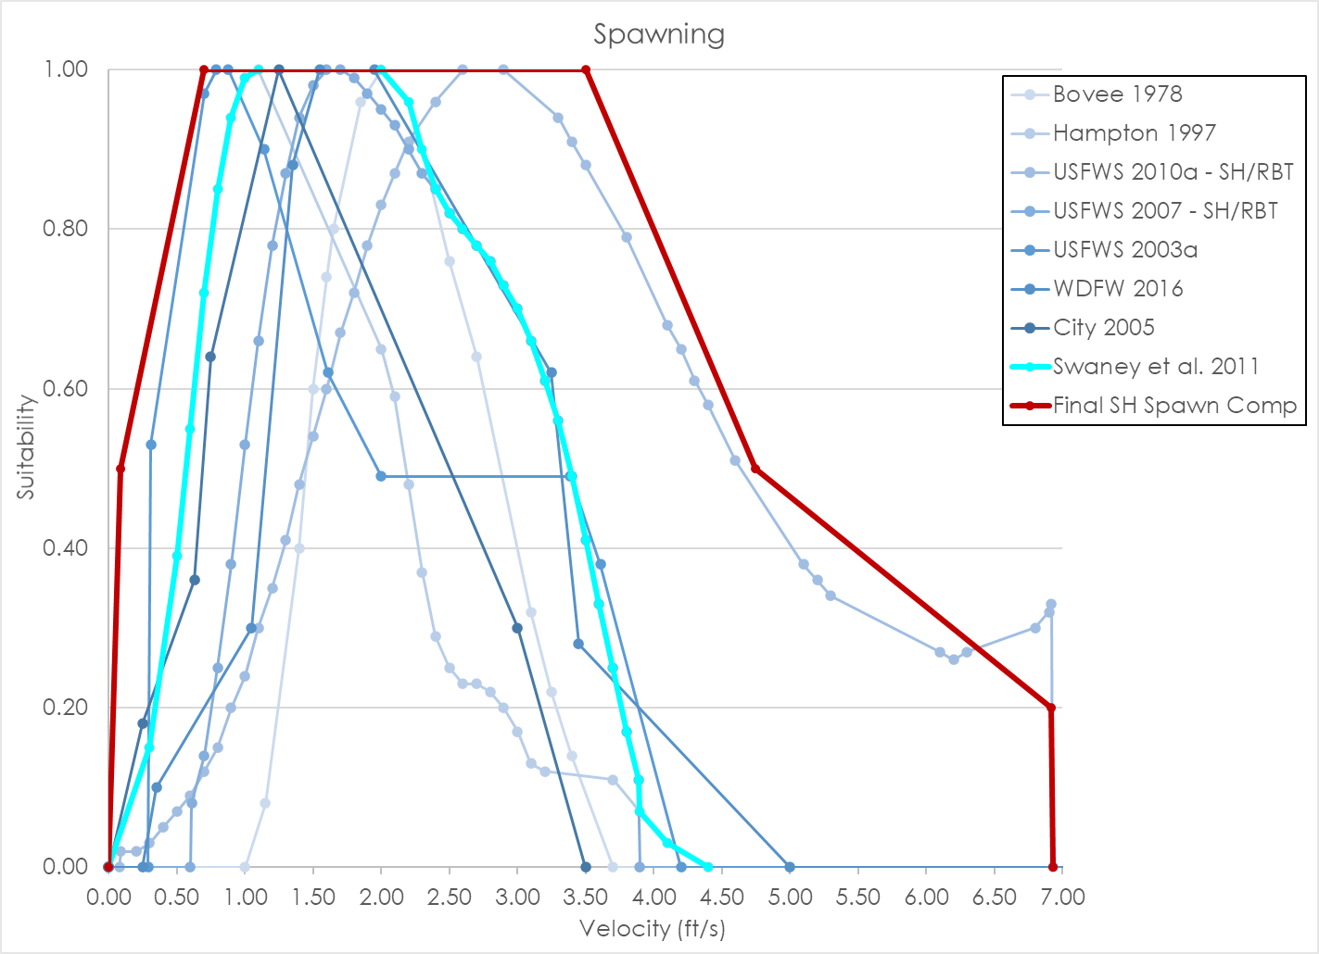
 |  |  |  |  | 2.10 | 0.12 | 3.00 | 0.17 | 2.10 | 0.51 | 1.80 | 0.72 |  |  | 2.30 | 0.87 |  |  |  |  |  |  |  |  |  |  | 3.10 | 0.66
 |  |  |  |  | 2.20 | 0.08 | 3.10 | 0.13 | 2.20 | 0.58 | 1.90 | 0.78 |  |  | 2.40 | 0.85 |  |  |  |  |  |  |  |  |  |  | 3.20 | 0.61
 |  |  |  |  | 2.30 | 0.05 | 3.20 | 0.12 | 2.30 | 0.64 | 2.00 | 0.83 |  |  | 2.50 | 0.82 |  |  |  |  |  |  |  |  |  |  | 3.30 | 0.56
 |  |  |  |  | 2.40 | 0.03 | 3.70 | 0.11 | 2.40 | 0.70 | 2.10 | 0.87 |  |  | 2.60 | 0.80 |  |  |  |  |  |  |  |  |  |  | 3.40 | 0.49
 |  |  |  |  | 2.90 | 0.03 | 3.90 | 0.07 | 2.50 | 0.74 | 2.20 | 0.91 |  |  | 2.70 | 0.78 |  |  |  |  |  |  |  |  |  |  | 3.50 | 0.41
 |  |  |  |  | 3.00 | 0.02 | 4.10 | 0.03 | 2.60 | 0.78 | 2.40 | 0.96 |  |  | 2.80 | 0.76 |  |  |  |  |  |  |  |  |  |  | 3.60 | 0.33
 |  |  |  |  | 3.10 | 0.01 | 4.40 | 0.00 | 2.70 | 0.82 | 2.60 | 1.00 |  |  | 2.90 | 0.73 |  |  |  |  |  |  |  |  |  |  | 3.70 | 0.25
 |  |  |  |  | 3.20 | 0.01 |  |  | 2.80 | 0.84 | 2.90 | 1.00 |  |  | 3.00 | 0.70 |  |  |  |  |  |  |  |  |  |  | 3.80 | 0.17
 |  |  |  |  | 3.30 | 0.00 |  |  | 2.90 | 0.86 | 3.30 | 0.94 |  |  | 3.10 | 0.66 |  |  |  |  |  |  |  |  |  |  | 3.89 | 0.11
 |  |  |  |  |  |  |  |  | 3.00 | 0.88 | 3.40 | 0.91 |  |  | 3.20 | 0.61 |  |  |  |  |  |  |  |  |  |  | 3.90 | 0.07
 |  |  |  |  |  |  |  |  | 3.10 | 0.89 | 3.50 | 0.88 |  |  | 3.30 | 0.56 |  |  |  |  |  |  |  |  |  |  | 4.10 | 0.03
 |  |  |  |  |  |  |  |  | 3.20 | 0.90 | 3.80 | 0.79 |  |  | 3.40 | 0.49 |  |  |  |  |  |  |  |  |  |  | 4.40 | 0.00
 |  |  |  |  |  |  |  |  | 3.30 | 0.91 | 4.10 | 0.68 |  |  | 3.50 | 0.41
 |  |  |  |  |  |  |  |  | 3.40 | 0.92 | 4.20 | 0.65 |  |  | 3.60 | 0.33
 |  |  |  |  |  |  |  |  | 3.50 | 0.92 | 4.30 | 0.61 |  |  | 3.70 | 0.25
 |  |  |  |  |  |  |  |  | 3.60 | 0.92 | 4.40 | 0.58 |  |  | 3.80 | 0.17
 |  |  |  |  |  |  |  |  | 3.70 | 0.92 | 4.60 | 0.51 |  |  | 3.89 | 0.11
 |  |  |  |  |  |  |  |  | 3.80 | 0.92 | 5.10 | 0.38 |  |  | 3.90 | 0.00
 |  |  |  |  |  |  |  |  | 6.50 | 0.94 | 5.20 | 0.36 |  |  | 100.00 | 0.00
 |  |  |  |  |  |  |  |  | 6.60 | 0.96 | 5.30 | 0.34
 |  |  |  |  |  |  |  |  | 6.70 | 0.97 | 6.10 | 0.27
 |  |  |  |  |  |  |  |  | 6.80 | 0.98 | 6.20 | 0.26
 |  |  |  |  |  |  |  |  | 6.90 | 0.99 | 6.30 | 0.27
 |  |  |  |  |  |  |  |  | 7.00 | 1.00 | 6.80 | 0.30
 |  |  |  |  |  |  |  |  | 19.90 | 1.00 | 6.90 | 0.32
 |  |  |  |  |  |  |  |  | 100.00 | 0.00 | 6.92 | 0.33
 |  |  |  |  |  |  |  |  |  |  | 6.93 | 0.00
 |  |  |  |  |  |  |  |  |  |  | 100.00 | 0.00

SH Fry_Data
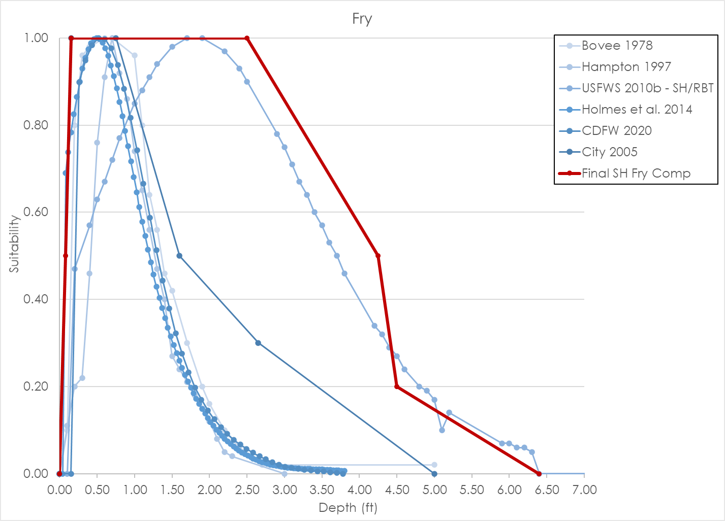
Source | Bovee 1978 |  |  |  | Hampton 1997 |  |  |  | USFWS 2010b - SH/RBT |  |  |  | Holmes et al. 2014 |  |  |  | CDFW 2020 |  |  |  | City 2005 |  |  |  | Final Steelhead Fry Composite Curve
Nested Source | - |  |  |  | - |  |  |  | - |  |  |  | - |  |  |  | - |  |  |  | - |  |  |  | -
Species | Steelhead |  |  |  | Steelhead |  |  |  | Steelhead |  |  |  | Steelhead |  |  |  | Steelhead |  |  |  | Steelhead |  |  |  | Steelhead
HSC Category | - |  |  |  | II |  |  |  | III |  |  |  | II |  |  |  | III |  |  |  | I |  |  |  | I
# of Obs. | - |  |  |  | 80 |  |  |  | 1,154 |  |  |  | 3,921 |  |  |  | 120 |  |  |  | - |  |  |  | -
Notes |  |  |  |  |  |  |  |  | Depth different from other curves.
 | Depth | Suitability | Velocity | Suitability | Depth | Suitability | Velocity | Suitability | Depth | Suitability | Velocity | Suitability | Depth | Suitability | Velocity | Suitability | Depth | Suitability | Velocity | Suitability | Depth | Suitability | Velocity | Suitability | Depth | Suitability | Velocity | Suitability
 | 0.00 | 0.00 | 0.00 | 0.05 | 0.00 | 0.00 | 0.00 | 0.78 | 0.00 | 0.00 | 0.00 | 1.00 | 0.00 | 0.00 | 0.00 | 0.89 | 0.00 | 0.00 | 0.00 | 0.89 | 0.00 | 0.00 | 0.00 | 1.00 | 0.00 | 0.00 | 0.00 | 1.00
 | 0.10 | 0.10 | 0.10 | 0.12 | 0.10 | 0.11 | 0.10 | 0.79 | 0.10 | 0.00 | 0.10 | 1.00 | 0.04 | 0.00 | 0.04 | 0.92 | 0.00 | 0.00 | 0.05 | 0.94 | 0.15 | 1.00 | 0.50 | 1.00 | 0.08 | 0.50 | 1.10 | 1.00
 | 0.20 | 0.80 | 0.20 | 0.30 | 0.20 | 0.20 | 0.20 | 0.85 | 0.20 | 0.47 | 0.20 | 0.99 | 0.08 | 0.69 | 0.07 | 0.95 | 0.15 | 0.00 | 0.10 | 0.98 | 0.75 | 1.00 | 1.00 | 0.35 | 0.15 | 1.00 | 3.00 | 0.20
 | 0.30 | 0.96 | 0.30 | 0.90 | 0.30 | 0.22 | 0.30 | 0.94 | 0.40 | 0.57 | 0.30 | 0.98 | 0.11 | 0.74 | 0.11 | 0.97 | 0.26 | 0.90 | 0.14 | 1.00 | 1.60 | 0.50 | 1.50 | 0.20 | 2.50 | 1.00 | 3.67 | 0.00
 | 0.40 | 0.98 | 0.50 | 1.00 | 0.40 | 0.46 | 0.40 | 1.00 | 0.50 | 0.63 | 0.40 | 0.97 | 0.15 | 0.78 | 0.14 | 0.99 | 0.34 | 0.95 | 0.19 | 1.00 | 2.65 | 0.30 | 2.00 | 0.10 | 4.25 | 0.50
 | 0.60 | 1.00 | 0.60 | 1.00 | 0.50 | 0.76 | 0.50 | 0.91 | 0.60 | 0.67 | 0.50 | 0.96 | 0.19 | 0.83 | 0.18 | 1.00 | 0.43 | 0.98 | 0.24 | 0.99 | 5.00 | 0.00 | 2.45 | 0.06 | 4.50 | 0.20
 | 0.70 | 1.00 | 0.70 | 0.96 | 0.60 | 0.91 | 0.60 | 0.78 | 0.70 | 0.72 | 0.60 | 0.94 | 0.23 | 0.86 | 0.22 | 1.00 | 0.52 | 1.00 | 0.29 | 0.96 |  |  | 2.70 | 0.00 | 6.40 | 0.00
 | 1.00 | 0.96 | 0.80 | 0.82 | 0.70 | 1.00 | 0.70 | 0.54 | 0.80 | 0.77 | 0.70 | 0.92 | 0.27 | 0.90 | 0.25 | 1.00 | 0.60 | 1.00 | 0.33 | 0.93
 | 1.10 | 0.80 | 0.90 | 0.76 | 0.80 | 0.92 | 0.80 | 0.40 | 1.00 | 0.85 | 0.80 | 0.89 | 0.30 | 0.93 | 0.29 | 0.99 | 0.69 | 0.98 | 0.38 | 0.88
 | 1.20 | 0.64 | 1.00 | 0.72 | 0.90 | 0.86 | 0.90 | 0.25 | 1.10 | 0.88 | 0.90 | 0.87 | 0.34 | 0.95 | 0.32 | 0.98 | 0.77 | 0.94 | 0.43 | 0.83
 | 1.30 | 0.56 | 1.20 | 0.64 | 1.00 | 0.74 | 1.00 | 0.23 | 1.20 | 0.91 | 1.00 | 0.84 | 0.38 | 0.97 | 0.36 | 0.96 | 0.86 | 0.88 | 0.48 | 0.77
 | 1.40 | 0.46 | 1.75 | 0.42 | 1.10 | 0.65 | 1.10 | 0.21 | 1.30 | 0.94 | 1.10 | 0.81 | 0.42 | 0.99 | 0.40 | 0.94 | 0.95 | 0.82 | 0.52 | 0.71
 | 1.50 | 0.42 | 1.90 | 0.34 | 1.20 | 0.56 | 1.20 | 0.19 | 1.50 | 0.98 | 1.20 | 0.78 | 0.46 | 1.00 | 0.43 | 0.91 | 1.03 | 0.74 | 0.57 | 0.65
 | 1.70 | 0.30 | 2.10 | 0.20 | 1.30 | 0.47 | 1.50 | 0.11 | 1.70 | 1.00 | 1.30 | 0.74 | 0.49 | 1.00 | 0.47 | 0.88 | 1.12 | 0.67 | 0.62 | 0.59
 | 1.90 | 0.20 | 2.20 | 0.14 | 1.40 | 0.40 | 1.60 | 0.11 | 1.90 | 1.00 | 1.40 | 0.71 | 0.53 | 1.00 | 0.51 | 0.85 | 1.20 | 0.59 | 0.67 | 0.53
 | 2.00 | 0.16 | 2.50 | 0.04 | 1.50 | 0.27 | 1.70 | 0.11 | 2.20 | 0.97 | 1.50 | 0.67 | 0.57 | 0.99 | 0.54 | 0.82 | 1.29 | 0.51 | 0.71 | 0.48
 | 2.20 | 0.10 | 2.70 | 0.00 | 1.60 | 0.24 | 1.80 | 0.11 | 2.40 | 0.93 | 1.60 | 0.63 | 0.61 | 0.98 | 0.58 | 0.78 | 1.38 | 0.44 | 0.76 | 0.43
 | 2.40 | 0.06 |  |  | 1.70 | 0.21 | 1.90 | 0.10 | 2.50 | 0.90 | 1.70 | 0.60 | 0.65 | 0.96 | 0.61 | 0.74 | 1.46 | 0.38 | 0.81 | 0.39
 | 2.70 | 0.02 |  |  | 1.80 | 0.18 | 2.00 | 0.10 | 2.90 | 0.78 | 1.80 | 0.56 | 0.68 | 0.94 | 0.65 | 0.71 | 1.55 | 0.32 | 0.86 | 0.35
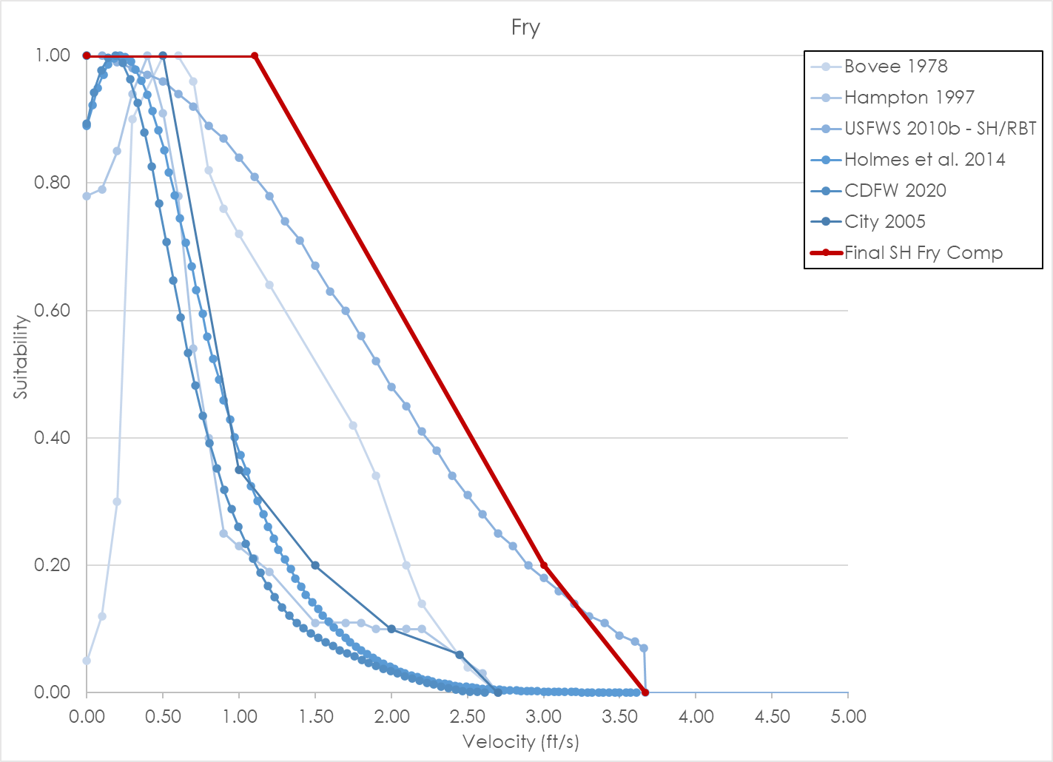
 | 5.00 | 0.02 |  |  | 1.90 | 0.15 | 2.10 | 0.10 | 3.00 | 0.75 | 1.90 | 0.52 | 0.72 | 0.91 | 0.69 | 0.67 | 1.63 | 0.28 | 0.90 | 0.32
 |  |  |  |  | 2.00 | 0.12 | 2.20 | 0.10 | 3.10 | 0.71 | 2.00 | 0.48 | 0.76 | 0.88 | 0.72 | 0.63 | 1.72 | 0.23 | 0.95 | 0.29
 |  |  |  |  | 2.10 | 0.08 | 2.60 | 0.03 | 3.20 | 0.67 | 2.10 | 0.45 | 0.80 | 0.85 | 0.76 | 0.60 | 1.81 | 0.20 | 1.00 | 0.26
 |  |  |  |  | 2.20 | 0.05 | 2.70 | 0.00 | 3.30 | 0.64 | 2.20 | 0.41 | 0.84 | 0.82 | 0.79 | 0.56 | 1.89 | 0.17 | 1.05 | 0.23
 |  |  |  |  | 2.30 | 0.04 |  |  | 3.40 | 0.60 | 2.30 | 0.38 | 0.87 | 0.79 | 0.83 | 0.52 | 1.98 | 0.15 | 1.09 | 0.21
 |  |  |  |  | 3.00 | 0.00 |  |  | 3.50 | 0.57 | 2.40 | 0.34 | 0.91 | 0.75 | 0.87 | 0.49 | 2.06 | 0.13 | 1.14 | 0.19
 |  |  |  |  |  |  |  |  | 3.60 | 0.53 | 2.50 | 0.31 | 0.95 | 0.72 | 0.90 | 0.46 | 2.15 | 0.11 | 1.19 | 0.17
 |  |  |  |  |  |  |  |  | 3.70 | 0.50 | 2.60 | 0.28 | 0.99 | 0.68 | 0.94 | 0.43 | 2.24 | 0.09 | 1.24 | 0.15
 |  |  |  |  |  |  |  |  | 3.80 | 0.46 | 2.70 | 0.25 | 1.03 | 0.65 | 0.97 | 0.40 | 2.32 | 0.08 | 1.28 | 0.13
 |  |  |  |  |  |  |  |  | 4.20 | 0.34 | 2.80 | 0.23 | 1.06 | 0.61 | 1.01 | 0.37 | 2.41 | 0.07 | 1.33 | 0.12
 |  |  |  |  |  |  |  |  | 4.30 | 0.32 | 2.90 | 0.20 | 1.10 | 0.58 | 1.05 | 0.35 | 2.49 | 0.06 | 1.38 | 0.11
 |  |  |  |  |  |  |  |  | 4.40 | 0.29 | 3.00 | 0.18 | 1.14 | 0.55 | 1.08 | 0.32 | 2.58 | 0.05 | 1.43 | 0.10
 |  |  |  |  |  |  |  |  | 4.50 | 0.27 | 3.10 | 0.16 | 1.18 | 0.51 | 1.12 | 0.30 | 2.67 | 0.04 | 1.47 | 0.09
 |  |  |  |  |  |  |  |  | 4.60 | 0.24 | 3.20 | 0.14 | 1.22 | 0.49 | 1.16 | 0.28 | 2.75 | 0.03 | 1.52 | 0.09
 |  |  |  |  |  |  |  |  | 4.80 | 0.20 | 3.30 | 0.12 | 1.25 | 0.46 | 1.19 | 0.26 | 2.84 | 0.03 | 1.57 | 0.08
 |  |  |  |  |  |  |  |  | 4.90 | 0.19 | 3.40 | 0.11 | 1.29 | 0.43 | 1.23 | 0.24 | 2.92 | 0.02 | 1.62 | 0.07
 |  |  |  |  |  |  |  |  | 5.00 | 0.17 | 3.50 | 0.09 | 1.33 | 0.40 | 1.26 | 0.22 | 3.01 | 0.02 | 1.66 | 0.07
 |  |  |  |  |  |  |  |  | 5.10 | 0.10 | 3.60 | 0.08 | 1.37 | 0.38 | 1.30 | 0.21 | 3.10 | 0.01 | 1.71 | 0.06
 |  |  |  |  |  |  |  |  | 5.20 | 0.14 | 3.66 | 0.07 | 1.41 | 0.36 | 1.34 | 0.19 | 3.18 | 0.01 | 1.76 | 0.06
 |  |  |  |  |  |  |  |  | 5.90 | 0.07 | 3.67 | 0.00 | 1.44 | 0.34 | 1.37 | 0.18 | 3.27 | 0.01 | 1.81 | 0.05
 |  |  |  |  |  |  |  |  | 6.00 | 0.07 | 100.00 | 0.00 | 1.48 | 0.31 | 1.41 | 0.17 | 3.35 | 0.01 | 1.85 | 0.05
 |  |  |  |  |  |  |  |  | 6.10 | 0.06 |  |  | 1.52 | 0.30 | 1.44 | 0.15 | 3.44 | 0.01 | 1.90 | 0.04
 |  |  |  |  |  |  |  |  | 6.20 | 0.06 |  |  | 1.56 | 0.28 | 1.48 | 0.14 | 3.53 | 0.01 | 1.95 | 0.04
 |  |  |  |  |  |  |  |  | 6.30 | 0.05 |  |  | 1.60 | 0.26 | 1.52 | 0.13 | 3.61 | 0.00 | 2.00 | 0.03
 |  |  |  |  |  |  |  |  | 6.40 | 0.00 |  |  | 1.63 | 0.24 | 1.55 | 0.12 | 3.70 | 0.00 | 2.04 | 0.03
 |  |  |  |  |  |  |  |  | 100.00 | 0.00 |  |  | 1.67 | 0.23 | 1.59 | 0.11 | 3.78 | 0.00 | 2.09 | 0.03
 |  |  |  |  |  |  |  |  |  |  |  |  | 1.71 | 0.21 | 1.62 | 0.10 |  |  | 2.14 | 0.02
 |  |  |  |  |  |  |  |  |  |  |  |  | 1.75 | 0.20 | 1.66 | 0.09 |  |  | 2.19 | 0.02
 |  |  |  |  |  |  |  |  |  |  |  |  | 1.79 | 0.18 | 1.70 | 0.09 |  |  | 2.23 | 0.02
 |  |  |  |  |  |  |  |  |  |  |  |  | 1.82 | 0.17 | 1.73 | 0.08 |  |  | 2.28 | 0.01
 |  |  |  |  |  |  |  |  |  |  |  |  | 1.86 | 0.16 | 1.77 | 0.07 |  |  | 2.33 | 0.01
 |  |  |  |  |  |  |  |  |  |  |  |  | 1.90 | 0.15 | 1.80 | 0.07 |  |  | 2.38 | 0.01
 |  |  |  |  |  |  |  |  |  |  |  |  | 1.94 | 0.14 | 1.84 | 0.06 |  |  | 2.42 | 0.01
 |  |  |  |  |  |  |  |  |  |  |  |  | 1.98 | 0.13 | 1.88 | 0.05 |  |  | 2.47 | 0.00
 |  |  |  |  |  |  |  |  |  |  |  |  | 2.01 | 0.12 | 1.91 | 0.05 |  |  | 2.52 | 0.00
 |  |  |  |  |  |  |  |  |  |  |  |  | 2.05 | 0.11 | 1.95 | 0.05 |  |  | 2.57 | 0.00
 |  |  |  |  |  |  |  |  |  |  |  |  | 2.09 | 0.10 | 1.99 | 0.04 |  |  | 2.61 | 0.00
 |  |  |  |  |  |  |  |  |  |  |  |  | 2.13 | 0.09 | 2.02 | 0.04
 |  |  |  |  |  |  |  |  |  |  |  |  | 2.17 | 0.09 | 2.06 | 0.03
 |  |  |  |  |  |  |  |  |  |  |  |  | 2.20 | 0.08 | 2.09 | 0.03
 |  |  |  |  |  |  |  |  |  |  |  |  | 2.24 | 0.07 | 2.13 | 0.03
 |  |  |  |  |  |  |  |  |  |  |  |  | 2.28 | 0.07 | 2.17 | 0.02
 |  |  |  |  |  |  |  |  |  |  |  |  | 2.32 | 0.06 | 2.20 | 0.02
 |  |  |  |  |  |  |  |  |  |  |  |  | 2.36 | 0.06 | 2.24 | 0.02
 |  |  |  |  |  |  |  |  |  |  |  |  | 2.39 | 0.05 | 2.27 | 0.02
 |  |  |  |  |  |  |  |  |  |  |  |  | 2.43 | 0.05 | 2.31 | 0.02
 |  |  |  |  |  |  |  |  |  |  |  |  | 2.47 | 0.04 | 2.35 | 0.01
 |  |  |  |  |  |  |  |  |  |  |  |  | 2.51 | 0.04 | 2.38 | 0.01
 |  |  |  |  |  |  |  |  |  |  |  |  | 2.55 | 0.04 | 2.42 | 0.01
 |  |  |  |  |  |  |  |  |  |  |  |  | 2.58 | 0.03 | 2.45 | 0.01
 |  |  |  |  |  |  |  |  |  |  |  |  | 2.62 | 0.03 | 2.49 | 0.01
 |  |  |  |  |  |  |  |  |  |  |  |  | 2.66 | 0.03 | 2.53 | 0.01
 |  |  |  |  |  |  |  |  |  |  |  |  | 2.70 | 0.03 | 2.56 | 0.01
 |  |  |  |  |  |  |  |  |  |  |  |  | 2.74 | 0.02 | 2.60 | 0.01
 |  |  |  |  |  |  |  |  |  |  |  |  | 2.77 | 0.02 | 2.64 | 0.01
 |  |  |  |  |  |  |  |  |  |  |  |  | 2.81 | 0.02 | 2.67 | 0.01
 |  |  |  |  |  |  |  |  |  |  |  |  | 2.85 | 0.02 | 2.71 | 0.00
 |  |  |  |  |  |  |  |  |  |  |  |  | 2.89 | 0.02 | 2.74 | 0.00
 |  |  |  |  |  |  |  |  |  |  |  |  | 2.93 | 0.02 | 2.78 | 0.00
 |  |  |  |  |  |  |  |  |  |  |  |  | 2.96 | 0.02 | 2.82 | 0.00
 |  |  |  |  |  |  |  |  |  |  |  |  | 3.00 | 0.01 | 2.85 | 0.00
 |  |  |  |  |  |  |  |  |  |  |  |  | 3.04 | 0.01 | 2.89 | 0.00
 |  |  |  |  |  |  |  |  |  |  |  |  | 3.08 | 0.01 | 2.92 | 0.00
 |  |  |  |  |  |  |  |  |  |  |  |  | 3.12 | 0.01 | 2.96 | 0.00
 |  |  |  |  |  |  |  |  |  |  |  |  | 3.15 | 0.01 | 3.00 | 0.00
 |  |  |  |  |  |  |  |  |  |  |  |  | 3.19 | 0.01 | 3.03 | 0.00
 |  |  |  |  |  |  |  |  |  |  |  |  | 3.23 | 0.01 | 3.07 | 0.00
 |  |  |  |  |  |  |  |  |  |  |  |  | 3.27 | 0.01 | 3.10 | 0.00
 |  |  |  |  |  |  |  |  |  |  |  |  | 3.31 | 0.01 | 3.14 | 0.00
 |  |  |  |  |  |  |  |  |  |  |  |  | 3.34 | 0.01 | 3.18 | 0.00
 |  |  |  |  |  |  |  |  |  |  |  |  | 3.38 | 0.01 | 3.21 | 0.00
 |  |  |  |  |  |  |  |  |  |  |  |  | 3.42 | 0.01 | 3.25 | 0.00
 |  |  |  |  |  |  |  |  |  |  |  |  | 3.46 | 0.01 | 3.29 | 0.00
 |  |  |  |  |  |  |  |  |  |  |  |  | 3.50 | 0.01 | 3.32 | 0.00
 |  |  |  |  |  |  |  |  |  |  |  |  | 3.53 | 0.01 | 3.36 | 0.00
 |  |  |  |  |  |  |  |  |  |  |  |  | 3.57 | 0.01 | 3.39 | 0.00
 |  |  |  |  |  |  |  |  |  |  |  |  | 3.61 | 0.01 | 3.43 | 0.00
 |  |  |  |  |  |  |  |  |  |  |  |  | 3.65 | 0.01 | 3.47 | 0.00
 |  |  |  |  |  |  |  |  |  |  |  |  | 3.69 | 0.01 | 3.50 | 0.00
 |  |  |  |  |  |  |  |  |  |  |  |  | 3.72 | 0.01 | 3.54 | 0.00
 |  |  |  |  |  |  |  |  |  |  |  |  | 3.76 | 0.01 | 3.57 | 0.00
 |  |  |  |  |  |  |  |  |  |  |  |  | 3.80 | 0.01 | 3.61 | 0.00

SH Juvenile_Data
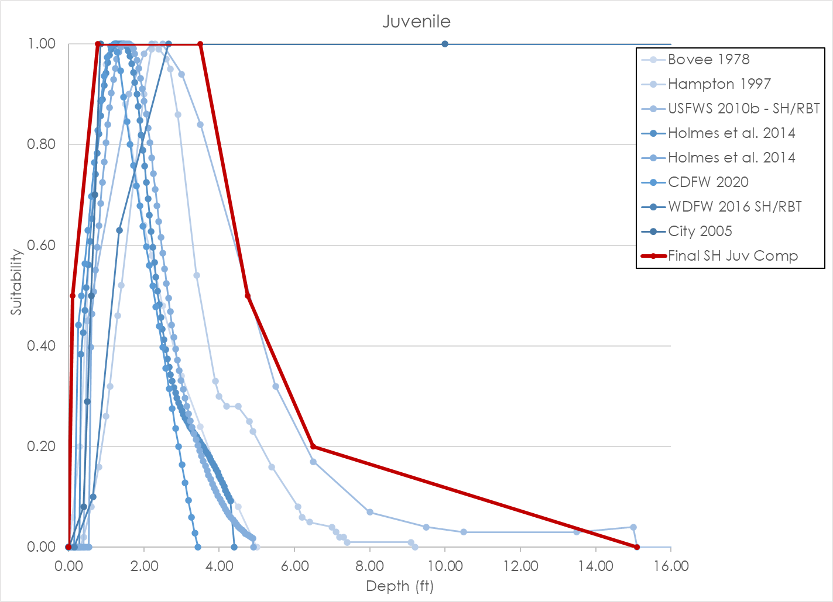
Source | Bovee 1978 |  |  |  | Hampton 1997 |  |  |  | USFWS 2010b - SH/RBT |  |  |  | Holmes et al. 2014 |  |  |  |  |  | CDFW 2020 |  |  |  | WDFW 2016 SH/RBT |  |  |  | City 2005 |  |  |  | Final Steelhead Juvenile Composite Curve
Nested Source | - |  |  |  | - |  |  |  | - |  |  |  | - |  |  |  |  |  | - |  |  |  | - |  |  |  | - |  |  |  | -
Species | Steelhead |  |  |  | Steelhead |  |  |  | Steelhead |  |  |  | Steelhead |  |  |  |  |  | Steelhead |  |  |  | Steelhead |  |  |  | Steelhead |  |  |  | Steelhead
HSC Category | - |  |  |  | II |  |  |  | III |  |  |  | II |  |  |  |  |  | III |  |  |  | III |  |  |  |  |  |  |  | I
# of Obs. | - |  |  |  | 185 |  |  |  | 1,168 |  |  |  | 6-9 cm = 1,208; 10-15 cm = 1,282 |  |  |  |  |  | 326 |  |  |  | 1,954 |  |  |  |  |  |  |  | -
Notes
 | Depth | Suitability | Velocity | Suitability | Depth | Suitability | Velocity | Suitability | Depth | Suitability | Velocity | Suitability | Depth (6-9 cm) | Suitability | Depth (10-15 cm) | Suitability | Velocity | Suitability | Depth | Suitability | Velocity | Suitability | Depth | Suitability | Velocity | Suitability | Depth | Suitability | Velocity | Suitability | Depth | Suitability | Velocity | Suitability
 | 0.00 | 0.00 | 0.10 | 0.00 | 0.00 | 0.00 | 0.00 | 0.17 | 0.00 | 0.00 | 0.00 | 1.00 | 0.00 | 0.00 | 0.00 | 0.00 | 0.00 | 0.48 | 0.00 | 0.00 | 0.00 | 0.50 | 0.00 | 0.00 | 0.00 | 0.55 | 0.00 | 0.00 | 0.00 | 0.00 | 0.00 | 0.00 | 0.00 | 1.00
 | 0.10 | 0.06 | 0.20 | 0.20 | 0.30 | 0.00 | 0.10 | 0.43 | 0.40 | 0.00 | 0.10 | 1.00 | 0.05 | 0.00 | 0.05 | 0.00 | 0.05 | 0.53 | 0.00 | 0.00 | 0.05 | 0.52 | 0.15 | 0.00 | 0.75 | 1.00 | 0.40 | 0.08 | 0.25 | 1.00 | 0.10 | 0.50 | 2.09 | 1.00
 | 0.30 | 0.20 | 0.30 | 0.90 | 0.40 | 0.02 | 0.20 | 0.66 | 0.50 | 0.45 | 0.20 | 0.99 | 0.10 | 0.00 | 0.10 | 0.00 | 0.11 | 0.57 | 0.15 | 0.00 | 0.10 | 0.54 | 0.65 | 0.10 | 0.95 | 1.00 | 0.50 | 0.29 | 0.50 | 1.00 | 0.77 | 1.00 | 4.00 | 0.20
 | 0.60 | 0.66 | 0.50 | 0.98 | 0.60 | 0.08 | 0.30 | 0.82 | 1.60 | 0.90 | 0.30 | 0.98 | 0.14 | 0.00 | 0.15 | 0.00 | 0.16 | 0.61 | 0.26 | 0.44 | 0.14 | 0.56 | 1.35 | 0.63 | 1.15 | 0.87 | 0.60 | 0.50 | 1.50 | 1.00 | 3.50 | 1.00 | 5.25 | 0.00
 | 1.00 | 0.96 | 0.70 | 1.00 | 0.80 | 0.16 | 0.40 | 0.91 | 2.00 | 0.98 | 0.40 | 0.97 | 0.19 | 0.00 | 0.20 | 0.00 | 0.21 | 0.65 | 0.34 | 0.50 | 0.19 | 0.58 | 2.65 | 1.00 | 1.55 | 0.78 | 0.70 | 0.70 | 2.00 | 0.20 | 4.75 | 0.50
 | 1.25 | 1.00 | 1.10 | 1.00 | 1.00 | 0.26 | 0.50 | 0.93 | 2.20 | 1.00 | 0.50 | 0.96 | 0.24 | 0.00 | 0.24 | 0.00 | 0.27 | 0.70 | 0.43 | 0.56 | 0.24 | 0.60 | 99.00 | 1.00 | 1.85 | 0.54 | 0.85 | 1.00 | 3.00 | 0.04 | 6.50 | 0.20
 | 1.50 | 0.88 | 1.40 | 0.98 | 1.10 | 0.32 | 0.70 | 0.93 | 2.50 | 1.00 | 0.60 | 0.94 | 0.29 | 0.00 | 0.29 | 0.00 | 0.32 | 0.74 | 0.52 | 0.63 | 0.29 | 0.62 |  |  | 3.15 | 0.30 | 10.00 | 1.00 | 3.25 | 0.00 | 15.10 | 0.00
 | 2.00 | 0.64 | 1.50 | 0.96 | 1.30 | 0.46 | 0.80 | 0.94 | 3.00 | 0.94 | 0.70 | 0.92 | 0.33 | 0.38 | 0.34 | 0.00 | 0.38 | 0.77 | 0.60 | 0.70 | 0.33 | 0.64 |  |  | 3.85 | 0.07 |  |  | 4.00 | 0.00
 | 2.20 | 0.58 | 1.70 | 0.84 | 1.40 | 0.52 | 0.90 | 0.95 | 3.50 | 0.84 | 0.80 | 0.89 | 0.38 | 0.43 | 0.39 | 0.00 | 0.43 | 0.81 | 0.69 | 0.76 | 0.38 | 0.66 |  |  | 5.00 | 0.00
 | 2.50 | 0.48 | 2.00 | 0.64 | 2.00 | 0.90 | 1.00 | 0.97 | 5.50 | 0.32 | 0.90 | 0.87 | 0.43 | 0.47 | 0.44 | 0.00 | 0.48 | 0.84 | 0.77 | 0.83 | 0.43 | 0.68 |  |  | 99.00 | 0.00
 | 3.00 | 0.34 | 2.30 | 0.42 | 2.20 | 0.99 | 1.30 | 1.00 | 6.50 | 0.17 | 1.00 | 0.84 | 0.47 | 0.52 | 0.49 | 0.00 | 0.54 | 0.88 | 0.86 | 0.89 | 0.48 | 0.70
 | 3.50 | 0.24 | 2.50 | 0.16 | 2.30 | 1.00 | 1.40 | 1.00 | 8.00 | 0.07 | 1.10 | 0.81 | 0.52 | 0.56 | 0.54 | 0.00 | 0.59 | 0.90 | 0.95 | 0.94 | 0.52 | 0.72
 | 4.00 | 0.14 | 3.00 | 0.04 | 2.40 | 0.99 | 1.50 | 0.97 | 9.50 | 0.04 | 1.20 | 0.78 | 0.57 | 0.61 | 0.59 | 0.40 | 0.64 | 0.93 | 1.03 | 0.97 | 0.57 | 0.73
 | 4.50 | 0.08 | 3.50 | 0.02 | 2.60 | 0.97 | 1.60 | 0.91 | 10.50 | 0.03 | 1.30 | 0.74 | 0.62 | 0.65 | 0.62 | 0.46 | 0.70 | 0.95 | 1.12 | 1.00 | 0.62 | 0.75
 | 5.00 | 0.00 | 4.30 | 0.00 | 2.70 | 0.95 | 1.80 | 0.73 | 13.50 | 0.03 | 1.40 | 0.71 | 0.67 | 0.70 | 0.67 | 0.51 | 0.75 | 0.97 | 1.20 | 1.00 | 0.67 | 0.77
 |  |  |  |  | 2.90 | 0.86 | 1.90 | 0.66 | 15.00 | 0.04 | 1.50 | 0.67 | 0.71 | 0.74 | 0.71 | 0.55 | 0.80 | 0.98 | 1.29 | 0.98 | 0.71 | 0.79
 |  |  |  |  | 3.40 | 0.54 | 2.00 | 0.62 | 15.10 | 0.00 | 1.60 | 0.63 | 0.76 | 0.78 | 0.76 | 0.60 | 0.86 | 0.99 | 1.38 | 0.95 | 0.76 | 0.81
 |  |  |  |  | 3.90 | 0.33 | 2.30 | 0.56 | 100.00 | 0.00 | 1.70 | 0.60 | 0.81 | 0.82 | 0.81 | 0.64 | 0.91 | 1.00 | 1.46 | 0.89 | 0.81 | 0.84
 |  |  |  |  | 4.00 | 0.30 | 2.40 | 0.51 |  |  | 1.80 | 0.56 | 0.85 | 0.86 | 0.85 | 0.68 | 0.96 | 1.00 | 1.55 | 0.85 | 0.86 | 0.86
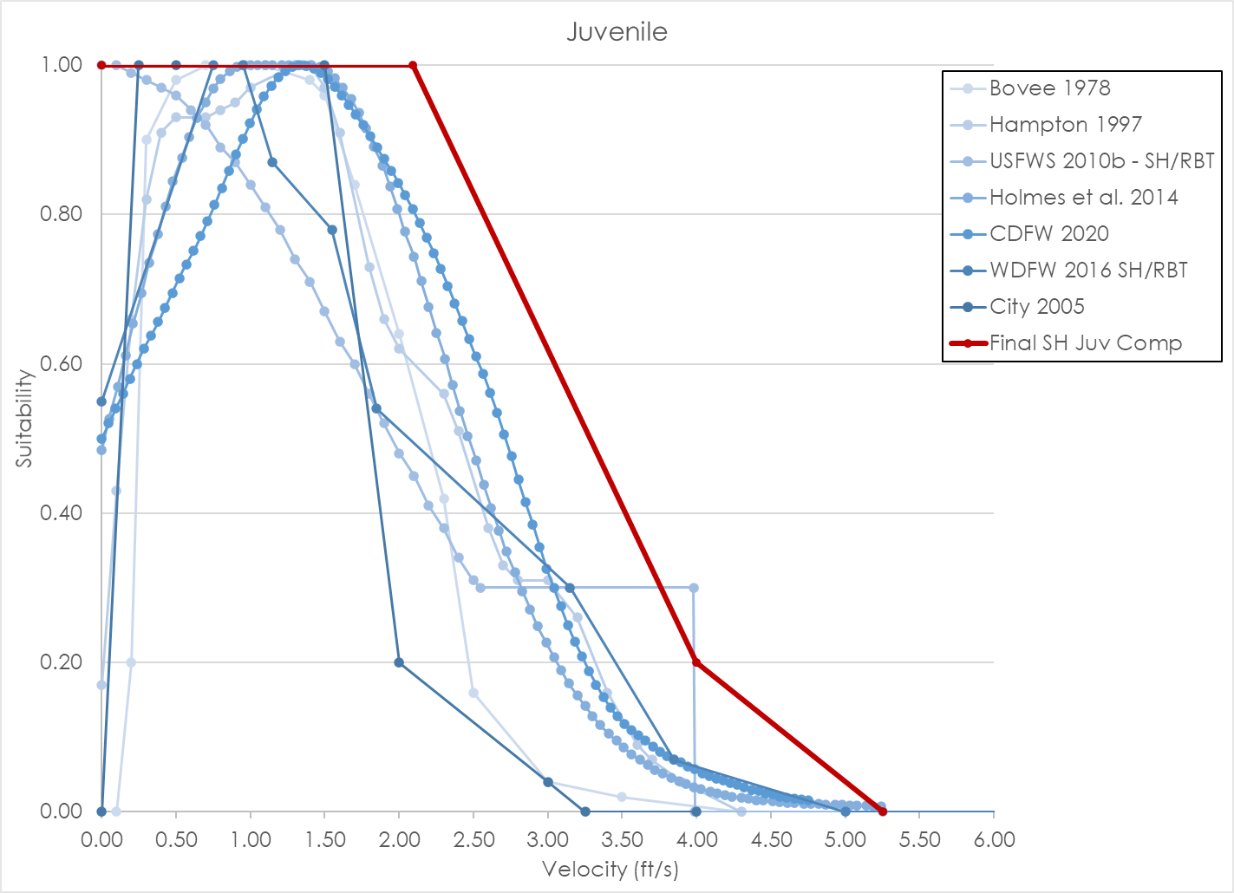
 |  |  |  |  | 4.20 | 0.28 | 2.60 | 0.38 |  |  | 1.90 | 0.52 | 0.90 | 0.89 | 0.90 | 0.73 | 1.00 | 1.00 | 1.63 | 0.80 | 0.90 | 0.88
 |  |  |  |  | 4.50 | 0.28 | 2.70 | 0.33 |  |  | 2.00 | 0.48 | 0.95 | 0.92 | 0.95 | 0.77 | 1.05 | 1.00 | 1.72 | 0.76 | 0.95 | 0.90
 |  |  |  |  | 4.80 | 0.25 | 2.80 | 0.31 |  |  | 2.10 | 0.45 | 1.00 | 0.94 | 1.00 | 0.80 | 1.10 | 1.00 | 1.81 | 0.72 | 1.00 | 0.92
 |  |  |  |  | 4.90 | 0.23 | 3.00 | 0.31 |  |  | 2.20 | 0.41 | 1.04 | 0.96 | 1.04 | 0.84 | 1.15 | 1.00 | 1.89 | 0.68 | 1.05 | 0.94
 |  |  |  |  | 5.40 | 0.16 | 3.20 | 0.26 |  |  | 2.30 | 0.38 | 1.09 | 0.98 | 1.09 | 0.87 | 1.21 | 1.00 | 1.98 | 0.64 | 1.09 | 0.96
 |  |  |  |  | 6.10 | 0.08 | 3.40 | 0.16 |  |  | 2.40 | 0.34 | 1.14 | 0.99 | 1.14 | 0.90 | 1.26 | 1.00 | 2.06 | 0.60 | 1.14 | 0.97
 |  |  |  |  | 6.20 | 0.06 | 3.60 | 0.09 |  |  | 2.50 | 0.31 | 1.19 | 1.00 | 1.19 | 0.93 | 1.31 | 1.00 | 2.15 | 0.56 | 1.19 | 0.98
 |  |  |  |  | 6.40 | 0.05 | 3.70 | 0.07 |  |  | 2.55 | 0.30 | 1.24 | 1.00 | 1.24 | 0.95 | 1.36 | 1.00 | 2.24 | 0.52 | 1.24 | 0.99
 |  |  |  |  | 7.00 | 0.04 | 3.90 | 0.04 |  |  | 3.98 | 0.30 | 1.25 | 1.00 | 1.28 | 0.97 | 1.41 | 1.00 | 2.32 | 0.48 | 1.28 | 1.00
 |  |  |  |  | 7.10 | 0.03 | 4.30 | 0.00 |  |  | 3.99 | 0.00 | 1.29 | 1.00 | 1.33 | 0.98 | 1.47 | 1.00 | 2.41 | 0.44 | 1.33 | 1.00
 |  |  |  |  | 7.20 | 0.02 |  |  |  |  | 100.00 | 0.00 | 1.33 | 1.00 | 1.38 | 0.99 | 1.52 | 0.99 | 2.49 | 0.40 | 1.38 | 1.00
 |  |  |  |  | 7.30 | 0.02 |  |  |  |  |  |  | 1.38 | 1.00 | 1.43 | 1.00 | 1.57 | 0.98 | 2.58 | 0.36 | 1.43 | 1.00
 |  |  |  |  | 7.40 | 0.01 |  |  |  |  |  |  | 1.42 | 1.00 | 1.47 | 1.00 | 1.62 | 0.97 | 2.67 | 0.32 | 1.47 | 0.99
 |  |  |  |  | 9.10 | 0.01 |  |  |  |  |  |  | 1.46 | 1.00 | 1.52 | 1.00 | 1.68 | 0.95 | 2.75 | 0.28 | 1.52 | 0.98
 |  |  |  |  | 9.20 | 0.00 |  |  |  |  |  |  | 1.50 | 1.00 | 1.57 | 1.00 | 1.73 | 0.94 | 2.84 | 0.24 | 1.57 | 0.97
 |  |  |  |  |  |  |  |  |  |  |  |  | 1.55 | 0.99 | 1.62 | 1.00 | 1.78 | 0.92 | 2.92 | 0.20 | 1.62 | 0.96
 |  |  |  |  |  |  |  |  |  |  |  |  | 1.59 | 0.99 | 1.67 | 1.00 | 1.83 | 0.89 | 3.01 | 0.16 | 1.66 | 0.95
 |  |  |  |  |  |  |  |  |  |  |  |  | 1.63 | 0.98 | 1.72 | 0.99 | 1.89 | 0.87 | 3.10 | 0.13 | 1.71 | 0.93
 |  |  |  |  |  |  |  |  |  |  |  |  | 1.68 | 0.96 | 1.76 | 0.98 | 1.94 | 0.84 | 3.18 | 0.09 | 1.76 | 0.92
 |  |  |  |  |  |  |  |  |  |  |  |  | 1.72 | 0.94 | 1.81 | 0.97 | 1.99 | 0.81 | 3.27 | 0.06 | 1.81 | 0.90
 |  |  |  |  |  |  |  |  |  |  |  |  | 1.76 | 0.92 | 1.86 | 0.95 | 2.04 | 0.78 | 3.35 | 0.03 | 1.85 | 0.89
 |  |  |  |  |  |  |  |  |  |  |  |  | 1.81 | 0.90 | 1.91 | 0.93 | 2.10 | 0.74 | 3.44 | 0.00 | 1.90 | 0.87
 |  |  |  |  |  |  |  |  |  |  |  |  | 1.85 | 0.88 | 1.96 | 0.91 | 2.15 | 0.71 |  |  | 1.95 | 0.86
 |  |  |  |  |  |  |  |  |  |  |  |  | 1.89 | 0.85 | 2.01 | 0.89 | 2.20 | 0.68 |  |  | 2.00 | 0.84
 |  |  |  |  |  |  |  |  |  |  |  |  | 1.93 | 0.82 | 2.06 | 0.86 | 2.25 | 0.64 |  |  | 2.04 | 0.83
 |  |  |  |  |  |  |  |  |  |  |  |  | 1.98 | 0.79 | 2.11 | 0.83 | 2.31 | 0.61 |  |  | 2.09 | 0.81
 |  |  |  |  |  |  |  |  |  |  |  |  | 2.02 | 0.76 | 2.16 | 0.80 | 2.36 | 0.57 |  |  | 2.14 | 0.79
 |  |  |  |  |  |  |  |  |  |  |  |  | 2.06 | 0.72 | 2.21 | 0.77 | 2.41 | 0.54 |  |  | 2.19 | 0.77
 |  |  |  |  |  |  |  |  |  |  |  |  | 2.11 | 0.69 | 2.25 | 0.74 | 2.46 | 0.50 |  |  | 2.23 | 0.75
 |  |  |  |  |  |  |  |  |  |  |  |  | 2.15 | 0.66 | 2.30 | 0.71 | 2.52 | 0.47 |  |  | 2.28 | 0.73
 |  |  |  |  |  |  |  |  |  |  |  |  | 2.19 | 0.63 | 2.35 | 0.68 | 2.57 | 0.44 |  |  | 2.33 | 0.70
 |  |  |  |  |  |  |  |  |  |  |  |  | 2.24 | 0.60 | 2.40 | 0.65 | 2.62 | 0.41 |  |  | 2.38 | 0.68
 |  |  |  |  |  |  |  |  |  |  |  |  | 2.28 | 0.57 | 2.45 | 0.62 | 2.67 | 0.38 |  |  | 2.42 | 0.66
 |  |  |  |  |  |  |  |  |  |  |  |  | 2.32 | 0.54 | 2.50 | 0.58 | 2.72 | 0.35 |  |  | 2.47 | 0.63
 |  |  |  |  |  |  |  |  |  |  |  |  | 2.36 | 0.51 | 2.55 | 0.55 | 2.78 | 0.32 |  |  | 2.52 | 0.61
 |  |  |  |  |  |  |  |  |  |  |  |  | 2.41 | 0.48 | 2.60 | 0.52 | 2.83 | 0.30 |  |  | 2.57 | 0.59
 |  |  |  |  |  |  |  |  |  |  |  |  | 2.45 | 0.46 | 2.65 | 0.50 | 2.88 | 0.27 |  |  | 2.61 | 0.56
 |  |  |  |  |  |  |  |  |  |  |  |  | 2.49 | 0.43 | 2.70 | 0.47 | 2.93 | 0.25 |  |  | 2.66 | 0.53
 |  |  |  |  |  |  |  |  |  |  |  |  | 2.54 | 0.41 | 2.74 | 0.44 | 2.99 | 0.23 |  |  | 2.71 | 0.51
 |  |  |  |  |  |  |  |  |  |  |  |  | 2.58 | 0.39 | 2.79 | 0.42 | 3.04 | 0.21 |  |  | 2.76 | 0.48
 |  |  |  |  |  |  |  |  |  |  |  |  | 2.62 | 0.37 | 2.84 | 0.39 | 3.09 | 0.19 |  |  | 2.80 | 0.45
 |  |  |  |  |  |  |  |  |  |  |  |  | 2.67 | 0.36 | 2.89 | 0.37 | 3.14 | 0.17 |  |  | 2.85 | 0.42
 |  |  |  |  |  |  |  |  |  |  |  |  | 2.71 | 0.34 | 2.94 | 0.35 | 3.20 | 0.16 |  |  | 2.90 | 0.39
 |  |  |  |  |  |  |  |  |  |  |  |  | 2.75 | 0.33 | 2.99 | 0.33 | 3.25 | 0.14 |  |  | 2.95 | 0.36
 |  |  |  |  |  |  |  |  |  |  |  |  | 2.79 | 0.32 | 3.04 | 0.31 | 3.30 | 0.13 |  |  | 2.99 | 0.33
 |  |  |  |  |  |  |  |  |  |  |  |  | 2.84 | 0.31 | 3.09 | 0.30 | 3.35 | 0.12 |  |  | 3.04 | 0.30
 |  |  |  |  |  |  |  |  |  |  |  |  | 2.88 | 0.30 | 3.14 | 0.28 | 3.41 | 0.11 |  |  | 3.09 | 0.28
 |  |  |  |  |  |  |  |  |  |  |  |  | 2.92 | 0.29 | 3.19 | 0.27 | 3.46 | 0.10 |  |  | 3.14 | 0.25
 |  |  |  |  |  |  |  |  |  |  |  |  | 2.97 | 0.28 | 3.23 | 0.25 | 3.51 | 0.09 |  |  | 3.18 | 0.23
 |  |  |  |  |  |  |  |  |  |  |  |  | 3.01 | 0.27 | 3.28 | 0.24 | 3.56 | 0.08 |  |  | 3.23 | 0.21
 |  |  |  |  |  |  |  |  |  |  |  |  | 3.05 | 0.26 | 3.33 | 0.23 | 3.62 | 0.07 |  |  | 3.28 | 0.19
 |  |  |  |  |  |  |  |  |  |  |  |  | 3.10 | 0.26 | 3.38 | 0.21 | 3.67 | 0.06 |  |  | 3.33 | 0.17
 |  |  |  |  |  |  |  |  |  |  |  |  | 3.14 | 0.25 | 3.43 | 0.20 | 3.72 | 0.06 |  |  | 3.37 | 0.15
 |  |  |  |  |  |  |  |  |  |  |  |  | 3.18 | 0.25 | 3.48 | 0.19 | 3.77 | 0.05 |  |  | 3.42 | 0.14
 |  |  |  |  |  |  |  |  |  |  |  |  | 3.22 | 0.24 | 3.53 | 0.18 | 3.83 | 0.05 |  |  | 3.47 | 0.13
 |  |  |  |  |  |  |  |  |  |  |  |  | 3.27 | 0.23 | 3.58 | 0.17 | 3.88 | 0.04 |  |  | 3.52 | 0.12
 |  |  |  |  |  |  |  |  |  |  |  |  | 3.31 | 0.23 | 3.63 | 0.16 | 3.93 | 0.04 |  |  | 3.56 | 0.11
 |  |  |  |  |  |  |  |  |  |  |  |  | 3.35 | 0.22 | 3.68 | 0.15 | 3.98 | 0.03 |  |  | 3.61 | 0.10
 |  |  |  |  |  |  |  |  |  |  |  |  | 3.40 | 0.22 | 3.72 | 0.14 | 4.03 | 0.03 |  |  | 3.66 | 0.10
 |  |  |  |  |  |  |  |  |  |  |  |  | 3.44 | 0.21 | 3.77 | 0.13 | 4.09 | 0.03 |  |  | 3.71 | 0.09
 |  |  |  |  |  |  |  |  |  |  |  |  | 3.48 | 0.21 | 3.82 | 0.13 | 4.14 | 0.02 |  |  | 3.75 | 0.08
 |  |  |  |  |  |  |  |  |  |  |  |  | 3.53 | 0.21 | 3.87 | 0.12 | 4.19 | 0.02 |  |  | 3.80 | 0.08
 |  |  |  |  |  |  |  |  |  |  |  |  | 3.57 | 0.20 | 3.92 | 0.11 | 4.24 | 0.02 |  |  | 3.85 | 0.07
 |  |  |  |  |  |  |  |  |  |  |  |  | 3.61 | 0.20 | 3.97 | 0.10 | 4.30 | 0.02 |  |  | 3.90 | 0.07
 |  |  |  |  |  |  |  |  |  |  |  |  | 3.65 | 0.19 | 4.02 | 0.10 | 4.35 | 0.02 |  |  | 3.94 | 0.06
 |  |  |  |  |  |  |  |  |  |  |  |  | 3.70 | 0.18 | 4.07 | 0.09 | 4.40 | 0.02 |  |  | 3.99 | 0.06
 |  |  |  |  |  |  |  |  |  |  |  |  | 3.74 | 0.18 | 4.12 | 0.08 | 4.45 | 0.01 |  |  | 4.04 | 0.05
 |  |  |  |  |  |  |  |  |  |  |  |  | 3.78 | 0.17 | 4.17 | 0.08 | 4.51 | 0.01 |  |  | 4.09 | 0.05
 |  |  |  |  |  |  |  |  |  |  |  |  | 3.83 | 0.17 | 4.21 | 0.07 | 4.56 | 0.01 |  |  | 4.13 | 0.05
 |  |  |  |  |  |  |  |  |  |  |  |  | 3.87 | 0.16 | 4.26 | 0.06 | 4.61 | 0.01 |  |  | 4.18 | 0.04
 |  |  |  |  |  |  |  |  |  |  |  |  | 3.91 | 0.15 | 4.31 | 0.06 | 4.66 | 0.01 |  |  | 4.23 | 0.04
 |  |  |  |  |  |  |  |  |  |  |  |  | 3.96 | 0.15 | 4.36 | 0.05 | 4.72 | 0.01 |  |  | 4.28 | 0.04
 |  |  |  |  |  |  |  |  |  |  |  |  | 4.00 | 0.14 | 4.41 | 0.05 | 4.77 | 0.01 |  |  | 4.32 | 0.03
 |  |  |  |  |  |  |  |  |  |  |  |  | 4.04 | 0.13 | 4.46 | 0.05 | 4.82 | 0.01 |  |  | 4.37 | 0.03
 |  |  |  |  |  |  |  |  |  |  |  |  | 4.08 | 0.13 | 4.51 | 0.04 | 4.87 | 0.01 |  |  | 4.42 | 0.03
 |  |  |  |  |  |  |  |  |  |  |  |  | 4.13 | 0.12 | 4.56 | 0.04 | 4.93 | 0.01 |  |  | 4.47 | 0.03
 |  |  |  |  |  |  |  |  |  |  |  |  | 4.17 | 0.11 | 4.61 | 0.03 | 4.98 | 0.01 |  |  | 4.51 | 0.02
 |  |  |  |  |  |  |  |  |  |  |  |  | 4.21 | 0.11 | 4.66 | 0.03 | 5.03 | 0.01 |  |  | 4.56 | 0.02
 |  |  |  |  |  |  |  |  |  |  |  |  | 4.26 | 0.10 | 4.70 | 0.03 | 5.08 | 0.01 |  |  | 4.61 | 0.02
 |  |  |  |  |  |  |  |  |  |  |  |  | 4.30 | 0.09 | 4.75 | 0.02 | 5.14 | 0.01 |  |  | 4.66 | 0.02
 |  |  |  |  |  |  |  |  |  |  |  |  | 4.40 | 0.00 | 4.80 | 0.02 | 5.19 | 0.01 |  |  | 4.70 | 0.02
 |  |  |  |  |  |  |  |  |  |  |  |  |  |  | 4.85 | 0.02 | 5.24 | 0.01 |  |  | 4.75 | 0.02
 |  |  |  |  |  |  |  |  |  |  |  |  |  |  | 4.90 | 0.02 | 5.25 | 0.00
 |  |  |  |  |  |  |  |  |  |  |  |  |  |  | 4.91 | 0.00

RBT Spawning_Data
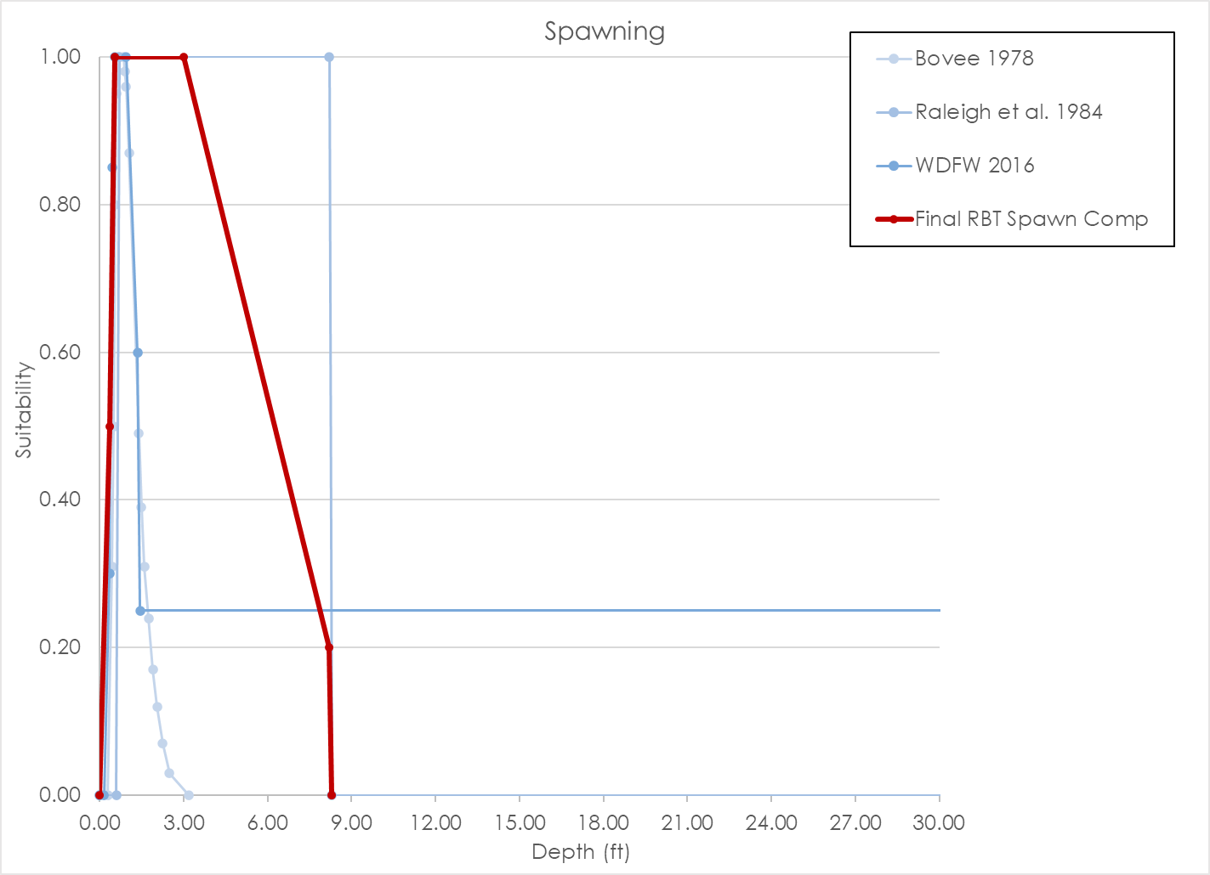
Source | Bovee 1978 |  |  |  | Raleigh et al. 1984 |  |  |  | WDFW 2016 |  |  |  | Final Rainbow Trout Spawning Composite Curve |  |  |  | LYR Rainbow Trout Spawning Composite Curve
Nested Source | - |  |  |  | Hartman and Galbraith 1970; Smith 1973; Hooper 1973; Orcutt et al. 1968 |  |  |  | - |  |  |  | - |  |  |  | -
Species | Rainbow trout |  |  |  | Rainbow trout |  |  |  | Rainbow trout |  |  |  | Rainbow trout |  |  |  | O. mykiss
HSC Category | - |  |  |  | I |  |  |  | III |  |  |  | I |  |  |  | I
# of Obs. | - |  |  |  | - |  |  |  | 27 redds |  |  |  | - |  |  |  | -
Notes
 | Depth | Suitability | Velocity | Suitability | Depth | Suitability | Velocity | Suitability | Depth | Suitability | Velocity | Suitability | Depth | Suitability | Velocity | Suitability | Depth | Suitability | Velocity | Suitability
 | 0.30 | 0.00 | 0.50 | 0.00 | 0.00 | 0.00 | 0.00 | 0.00 | 0.00 | 0.00 | 0.00 | 0.00 | 0.00 | 0.00 | 0.00 | 0.00 | 0.30 | 0.00 | 0.06 | 0.00
 | 0.45 | 0.31 | 0.60 | 0.06 | 0.60 | 0.00 | 0.90 | 0.00 | 0.15 | 0.00 | 0.25 | 0.00 | 0.35 | 0.50 | 0.60 | 0.50 | 0.59 | 0.10 | 0.77 | 0.10
 | 0.50 | 0.50 | 0.80 | 0.42 | 0.70 | 1.00 | 1.60 | 1.00 | 0.35 | 0.30 | 1.25 | 0.45 | 0.55 | 1.00 | 1.30 | 1.00 | 0.98 | 0.50 | 1.00 | 0.20
 | 0.55 | 0.80 | 1.10 | 0.65 | 8.20 | 1.00 | 3.00 | 1.00 | 0.45 | 0.85 | 1.65 | 1.00 | 3.00 | 1.00 | 3.00 | 1.00 | 1.25 | 1.00 | 1.20 | 1.00
 | 0.60 | 0.95 | 1.20 | 0.77 | 8.30 | 0.00 | 3.10 | 0.00 | 0.55 | 1.00 | 2.05 | 1.00 | 8.20 | 0.20 | 3.10 | 0.50 | 2.50 | 1.00 | 1.50 | 1.00
 | 0.65 | 0.98 | 1.30 | 0.95 | 100.00 | 0.00 | 100.00 | 0.00 | 0.95 | 1.00 | 2.75 | 0.65 | 8.30 | 0.00 | 3.20 | 0.00 | 4.00 | 1.00 | 3.08 | 1.00
 | 0.70 | 1.00 | 1.40 | 0.98 |  |  |  |  | 1.35 | 0.60 | 2.95 | 0.00 |  |  |  |  | 7.30 | 0.35 | 3.83 | 0.25
 | 0.85 | 1.00 | 1.50 | 1.00 |  |  |  |  | 1.45 | 0.25 | 99.00 | 0.00 |  |  |  |  | 11.30 | 0.20 | 4.72 | 0.20
 | 0.90 | 0.98 | 1.90 | 1.00 |  |  |  |  | 99.00 | 0.25 |  |  |  |  |  |  | 14.60 | 0.10 | 5.82 | 0.10
 | 0.95 | 0.96 | 2.00 | 0.98 |  |  |  |  |  |  |  |  |  |  |  |  | 20.00 | 0.00 | 6.93 | 0.00
 | 1.05 | 0.87 | 2.10 | 0.95
 | 1.40 | 0.49 | 2.30 | 0.68
 | 1.50 | 0.39 | 2.50 | 0.59
 | 1.60 | 0.31 | 2.80 | 0.39
 | 1.75 | 0.24 | 3.10 | 0.07
 | 1.90 | 0.17 | 3.20 | 0.00
 | 2.05 | 0.12
 | 2.25 | 0.07
 | 2.50 | 0.03
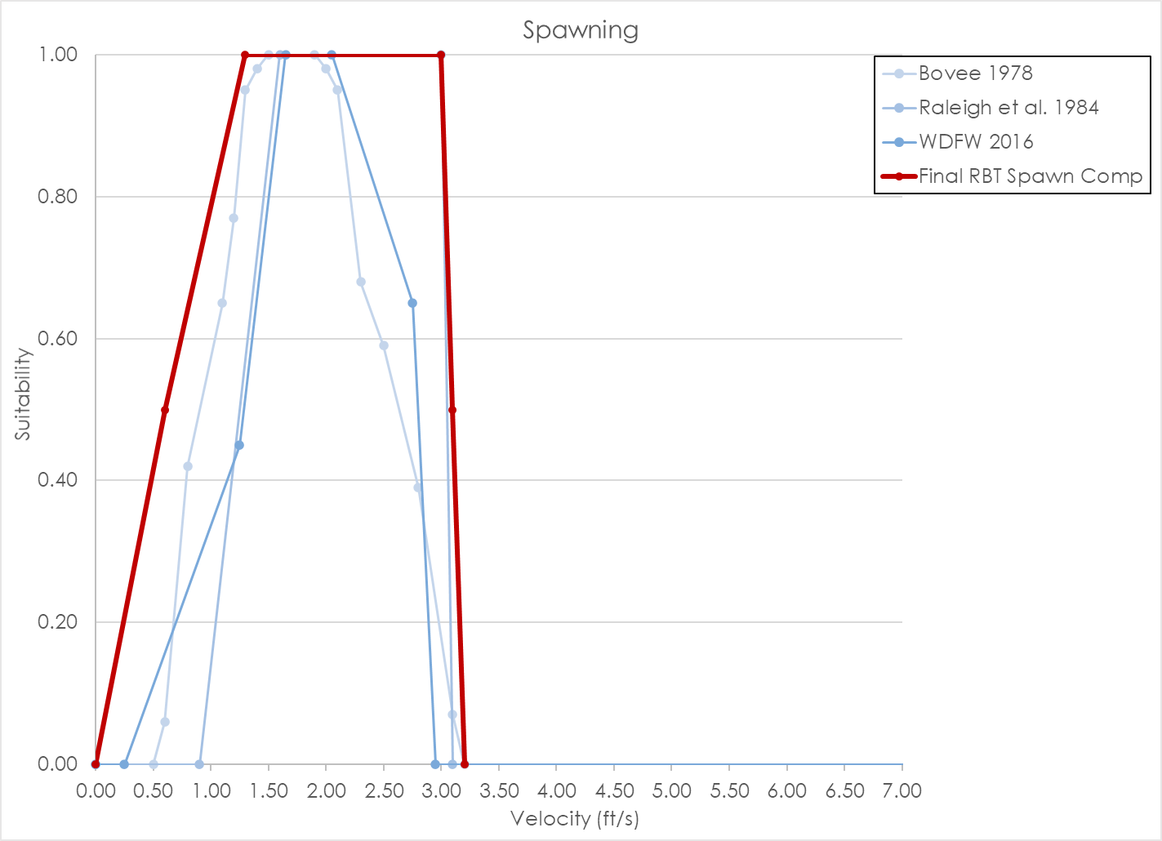
 | 3.20 | 0.00

RBT Fry_Data
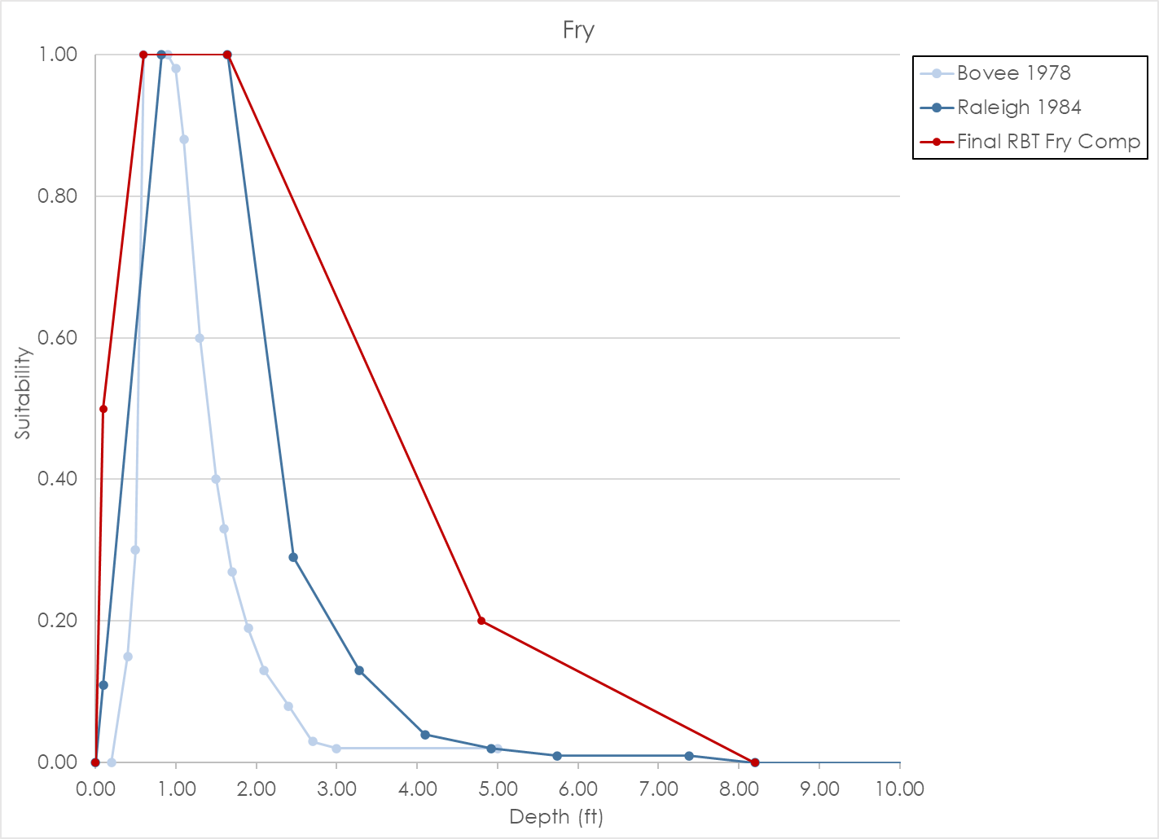
Source | Bovee 1978 |  |  |  | Raleigh 1984 |  |  |  | Final Rainbow Trout Fry Composite Curve |  |  |  | Final Rainbow Trout Fry Composite Curve
Nested Source | - |  |  |  | Moyle et al. 1983 |  |  |  | - |  |  |  | -
Species | Rainbow trout |  |  |  | Rainbow trout |  |  |  | Rainbow trout |  |  |  | O. mykiss
HSC Category | - |  |  |  | I |  |  |  | I |  |  |  | I
# of Obs. | - |  |  |  | Depth = 642; Velocity = 619 |  |  |  | - |  |  |  | -
Notes
 | Depth | Suitability | Velocity | Suitability | Depth | Suitability | Velocity | Suitability | Depth | Suitability | Velocity | Suitability | Depth | Suitability | Velocity | Suitability
 | 0.20 | 0.00 | 0.00 | 0.06 | 0.00 | 0.00 | 0.00 | 1.00 | 0.00 | 0.00 | 0.00 | 1.00 | 0.10 | 0.00 | 0.00 | 1.00
 | 0.40 | 0.15 | 0.10 | 0.18 | 0.10 | 0.11 | 0.49 | 0.78 | 0.10 | 0.50 | 0.80 | 1.00 | 0.20 | 0.47 | 0.10 | 1.00
 | 0.50 | 0.30 | 0.15 | 0.24 | 0.82 | 1.00 | 0.98 | 0.19 | 0.60 | 1.00 | 2.46 | 0.20 | 0.50 | 1.00 | 0.20 | 0.99
 | 0.60 | 1.00 | 0.20 | 0.39 | 1.64 | 1.00 | 1.48 | 0.04 | 1.64 | 1.00 | 3.70 | 0.00 | 1.30 | 1.00 | 0.30 | 0.98
 | 0.90 | 1.00 | 0.25 | 0.88 | 2.46 | 0.29 | 1.97 | 0.01 | 4.80 | 0.20 |  |  | 2.70 | 0.20 | 0.40 | 0.97
 | 1.00 | 0.98 | 0.30 | 0.96 | 3.28 | 0.13 | 2.46 | 0.01 | 8.20 | 0.00 |  |  | 6.40 | 0.00 | 0.50 | 0.96
 | 1.10 | 0.88 | 0.40 | 1.00 | 4.10 | 0.04 | 2.95 | 0.00 |  |  |  |  |  |  | 0.60 | 0.94
 | 1.30 | 0.60 | 0.60 | 1.00 | 4.92 | 0.02 | 100.00 | 0.00 |  |  |  |  |  |  | 0.70 | 0.92
 | 1.50 | 0.40 | 0.70 | 0.95 | 5.74 | 0.01 |  |  |  |  |  |  |  |  | 0.80 | 0.89
 | 1.60 | 0.33 | 0.75 | 0.86 | 7.38 | 0.01 |  |  |  |  |  |  |  |  | 0.90 | 0.87
 | 1.70 | 0.27 | 0.80 | 0.81 | 8.20 | 0.00 |  |  |  |  |  |  |  |  | 1.00 | 0.84
 | 1.90 | 0.19 | 0.90 | 0.75 | 100.00 | 0.00 |  |  |  |  |  |  |  |  | 1.10 | 0.81
 | 2.10 | 0.13 | 1.05 | 0.70 |  |  |  |  |  |  |  |  |  |  | 1.20 | 0.78
 | 2.40 | 0.08 | 1.25 | 0.63 |  |  |  |  |  |  |  |  |  |  | 1.80 | 0.20
 | 2.70 | 0.03 | 1.50 | 0.56 |  |  |  |  |  |  |  |  |  |  | 2.60 | 0.07
 | 3.00 | 0.02 | 1.65 | 0.49 |  |  |  |  |  |  |  |  |  |  | 3.66 | 0.07
 | 5.00 | 0.02 | 1.80 | 0.38 |  |  |  |  |  |  |  |  |  |  | 3.67 | 0.00
 |  |  | 2.00 | 0.26
 |  |  | 2.20 | 0.14
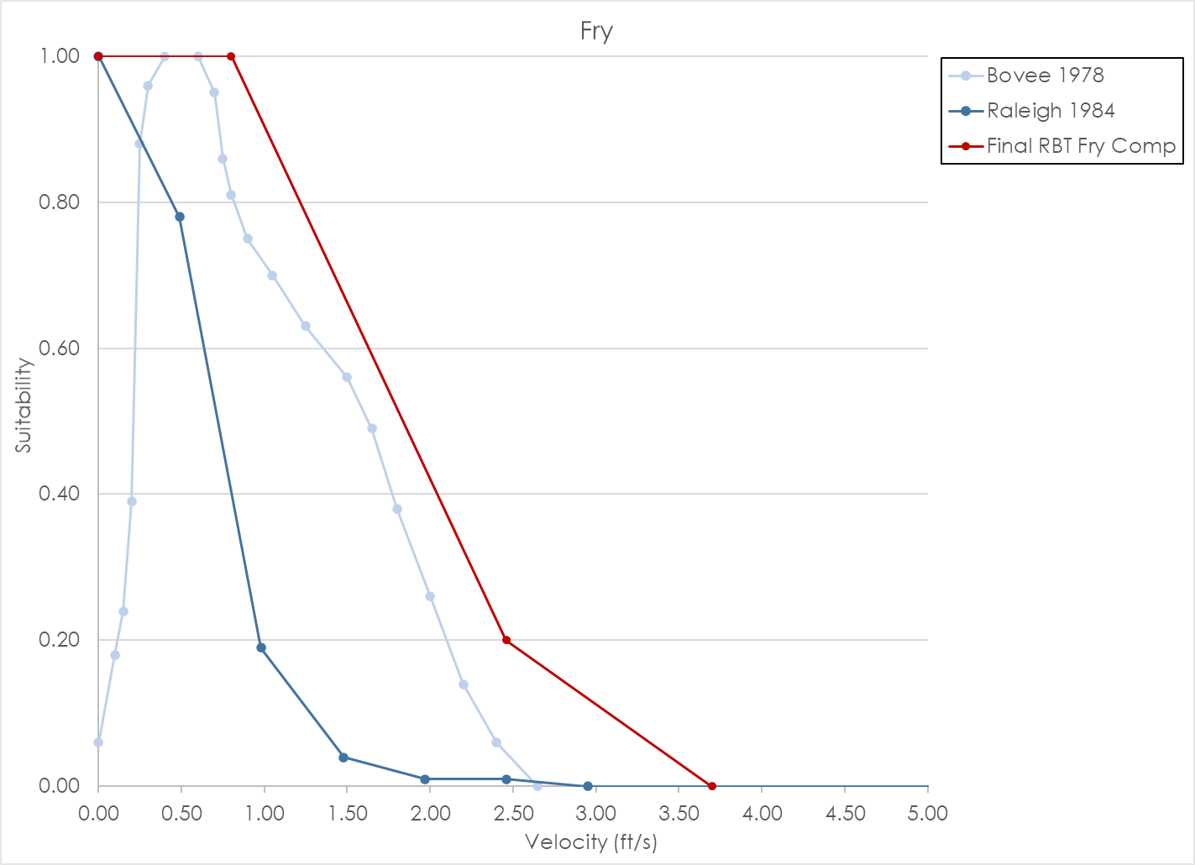
 |  |  | 2.40 | 0.06
 |  |  | 2.65 | 0.00

RBT Juvenile_Data
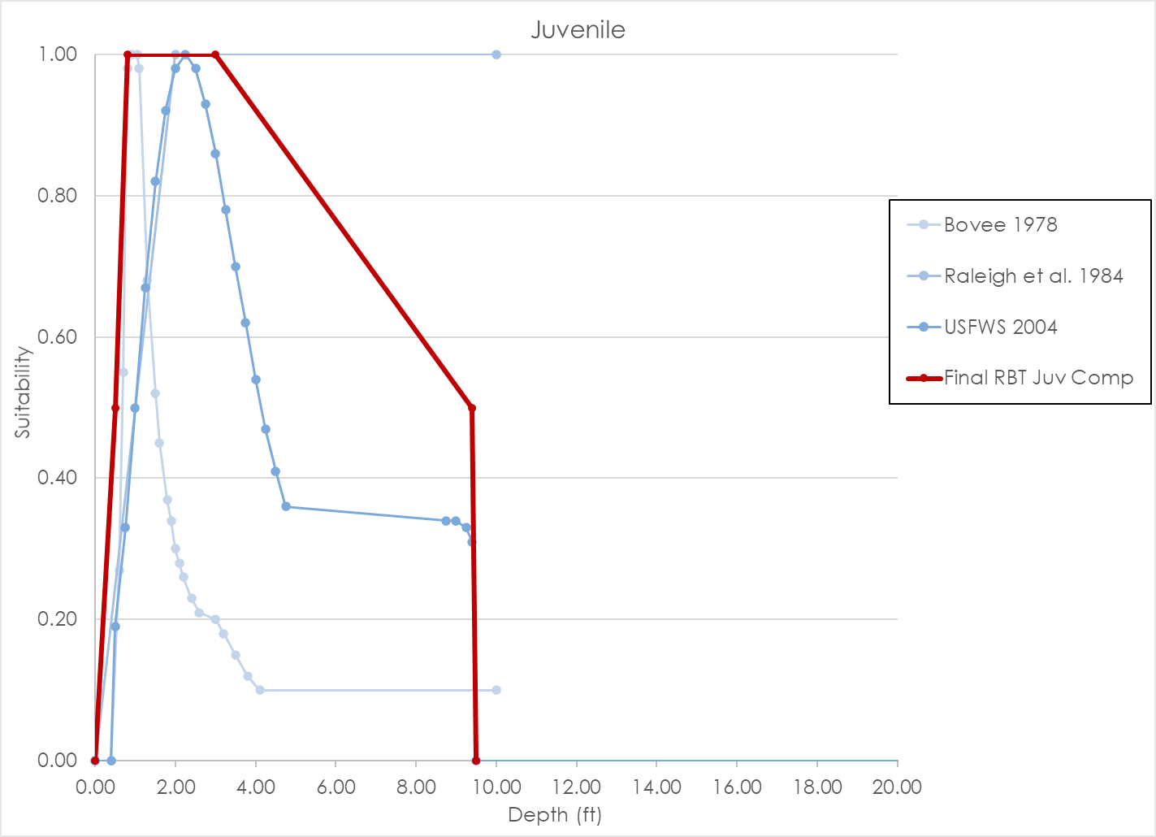
Source | Bovee 1978 |  |  |  | Raleigh et al. 1984 |  |  |  | USFWS 2004 |  |  |  | Final Rainbow Trout Juvenile Composite Curve |  |  |  | Final Rainbow Trout Juvenile Composite Curve
Nested Source | - |  |  |  | Moyle et al. 1983, Bustard and Narver 1975, and Gosse 1982 |  |  |  | - |  |  |  | - |  |  |  | -
Species | Rainbow trout |  |  |  | Rainbow trout |  |  |  | Rainbow trout |  |  |  | Rainbow trout |  |  |  | O. mykiss
HSC Category | - |  |  |  | I |  |  |  | III |  |  |  | I |  |  |  | I
# of Obs. | - |  |  |  | See notes in library |  |  |  | 163 |  |  |  | - |  |  |  | -
Notes | Depth peak lower than other curves. |  |  |  | Based on 3 different studies: Moyle et al. 1983, Bustard and Narver 1975, and Gosse 1982
 | Depth | Suitability | Velocity | Suitability | Depth | Suitability | Velocity | Suitability | Depth | Suitability | Velocity | Suitability | Depth | Suitability | Velocity | Suitability | Depth | Suitability | Velocity | Suitability
 | 0.40 | 0.00 | 0.10 | 0.00 | 0.00 | 0.00 | 0.00 | 1.00 | 0.00 | 0.00 | 0.00 | 0.70 | 0.00 | 0.00 | 0.00 | 1.00 | 0.40 | 0.00 | 0.00 | 1.00
 | 0.60 | 0.27 | 0.20 | 0.11 | 2.00 | 1.00 | 0.49 | 0.99 | 0.40 | 0.00 | 0.10 | 0.77 | 0.50 | 0.50 | 1.70 | 1.00 | 0.50 | 0.45 | 0.10 | 1.00
 | 0.70 | 0.55 | 0.30 | 0.40 | 10.00 | 1.00 | 0.98 | 0.59 | 0.50 | 0.19 | 0.20 | 0.83 | 0.80 | 1.00 | 3.44 | 0.20 | 1.60 | 0.90 | 0.20 | 0.99
 | 0.80 | 0.98 | 0.40 | 0.95 |  |  | 1.48 | 0.24 | 0.75 | 0.33 | 0.30 | 0.88 | 3.00 | 1.00 | 4.00 | 0.00 | 2.00 | 0.98 | 0.30 | 0.98
 | 0.90 | 1.00 | 0.50 | 0.97 |  |  | 1.97 | 0.08 | 1.00 | 0.50 | 0.40 | 0.92 | 9.40 | 0.50 |  |  | 2.20 | 1.00 | 0.40 | 0.97
 | 1.05 | 1.00 | 0.70 | 1.00 |  |  | 2.46 | 0.02 | 1.25 | 0.67 | 0.50 | 0.96 | 9.50 | 0.00 |  |  | 2.50 | 1.00 | 0.50 | 0.96
 | 1.10 | 0.98 | 1.35 | 1.00 |  |  | 3.44 | 0.02 | 1.50 | 0.82 | 0.60 | 0.98 |  |  |  |  | 3.00 | 0.94 | 0.60 | 0.94
 | 1.30 | 0.68 | 1.50 | 0.98 |  |  | 3.50 | 0.00 | 1.75 | 0.92 | 0.70 | 1.00 |  |  |  |  | 3.50 | 0.84 | 0.70 | 0.92
 | 1.50 | 0.52 | 1.60 | 0.94 |  |  | 100.00 | 0.00 | 2.00 | 0.98 | 0.80 | 1.00 |  |  |  |  | 5.50 | 0.32 | 0.80 | 0.89
 | 1.60 | 0.45 | 1.70 | 0.86 |  |  |  |  | 2.25 | 1.00 | 0.90 | 0.99 |  |  |  |  | 6.50 | 0.17 | 0.90 | 0.87
 | 1.80 | 0.37 | 1.80 | 0.73 |  |  |  |  | 2.50 | 0.98 | 1.00 | 0.98 |  |  |  |  | 8.00 | 0.07 | 1.00 | 0.84
 | 1.90 | 0.34 | 1.90 | 0.70 |  |  |  |  | 2.75 | 0.93 | 1.10 | 0.96 |  |  |  |  | 9.50 | 0.04 | 1.10 | 0.81
 | 2.00 | 0.30 | 2.20 | 0.49 |  |  |  |  | 3.00 | 0.86 | 1.20 | 0.92 |  |  |  |  | 10.50 | 0.03 | 1.20 | 0.78
 | 2.10 | 0.28 | 2.40 | 0.38 |  |  |  |  | 3.25 | 0.78 | 1.30 | 0.89 |  |  |  |  | 13.50 | 0.03 | 1.30 | 0.74
 | 2.20 | 0.26 | 2.50 | 0.14 |  |  |  |  | 3.50 | 0.70 | 1.40 | 0.84 |  |  |  |  | 15.00 | 0.04 | 1.40 | 0.71
 | 2.40 | 0.23 | 2.60 | 0.10 |  |  |  |  | 3.75 | 0.62 | 1.50 | 0.79 |  |  |  |  | 15.10 | 0.00 | 1.50 | 0.67
 | 2.60 | 0.21 | 2.70 | 0.07 |  |  |  |  | 4.00 | 0.54 | 1.60 | 0.74 |  |  |  |  |  |  | 1.60 | 0.63
 | 3.00 | 0.20 | 2.80 | 0.06 |  |  |  |  | 4.25 | 0.47 | 1.70 | 0.68 |  |  |  |  |  |  | 1.70 | 0.60
 | 3.20 | 0.18 | 3.00 | 0.03 |  |  |  |  | 4.50 | 0.41 | 1.80 | 0.63 |  |  |  |  |  |  | 1.80 | 0.56
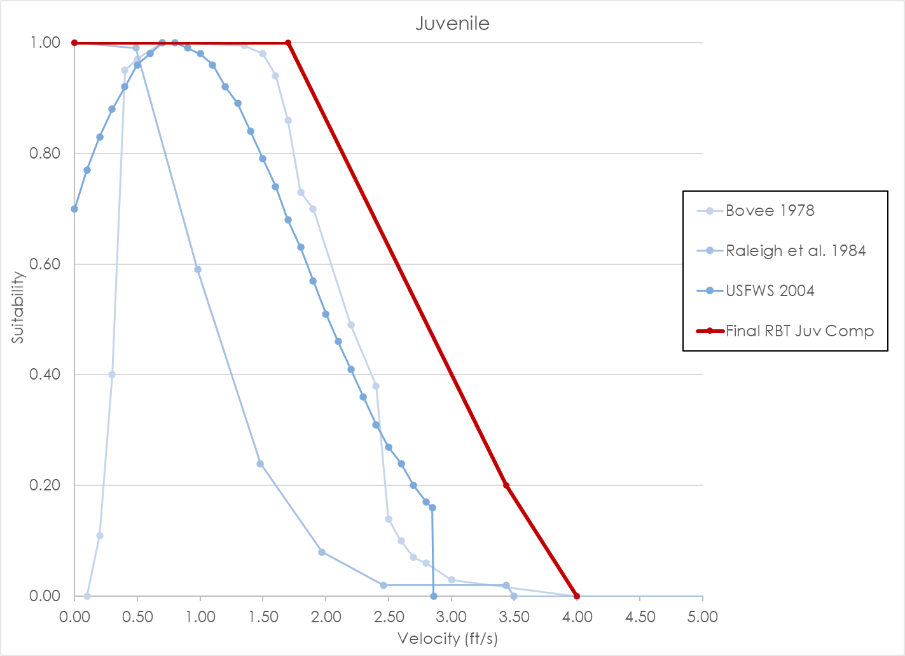
 | 3.50 | 0.15 | 4.00 | 0.00 |  |  |  |  | 4.75 | 0.36 | 1.90 | 0.57 |  |  |  |  |  |  | 1.90 | 0.52
 | 3.80 | 0.12 |  |  |  |  |  |  | 8.75 | 0.34 | 2.00 | 0.51 |  |  |  |  |  |  | 2.00 | 0.48
 | 4.10 | 0.10 |  |  |  |  |  |  | 9.00 | 0.34 | 2.10 | 0.46 |  |  |  |  |  |  | 2.10 | 0.45
 | 10.00 | 0.10 |  |  |  |  |  |  | 9.25 | 0.33 | 2.20 | 0.41 |  |  |  |  |  |  | 2.20 | 0.41
 |  |  |  |  |  |  |  |  | 9.40 | 0.31 | 2.30 | 0.36 |  |  |  |  |  |  | 2.30 | 0.38
 |  |  |  |  |  |  |  |  | 9.50 | 0.00 | 2.40 | 0.31 |  |  |  |  |  |  | 2.40 | 0.34
 |  |  |  |  |  |  |  |  | 100.00 | 0.00 | 2.50 | 0.27 |  |  |  |  |  |  | 2.50 | 0.31
 |  |  |  |  |  |  |  |  |  |  | 2.60 | 0.24 |  |  |  |  |  |  | 2.55 | 0.30
 |  |  |  |  |  |  |  |  |  |  | 2.70 | 0.20 |  |  |  |  |  |  | 4.00 | 0.00
 |  |  |  |  |  |  |  |  |  |  | 2.80 | 0.17
 |  |  |  |  |  |  |  |  |  |  | 2.85 | 0.16
 |  |  |  |  |  |  |  |  |  |  | 2.86 | 0.00

